sample1
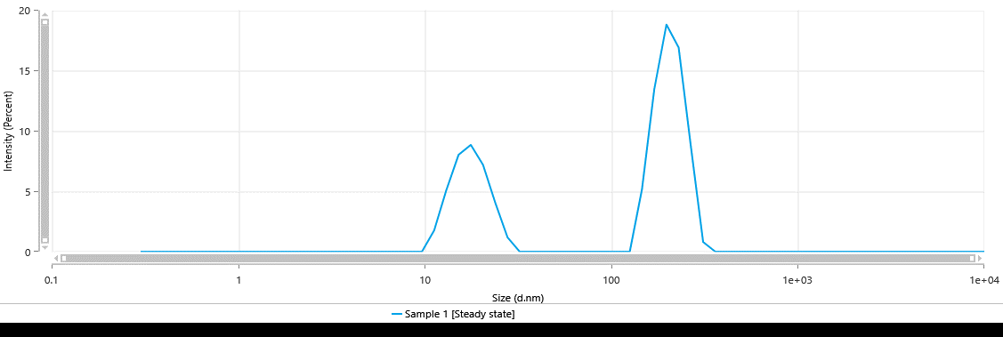
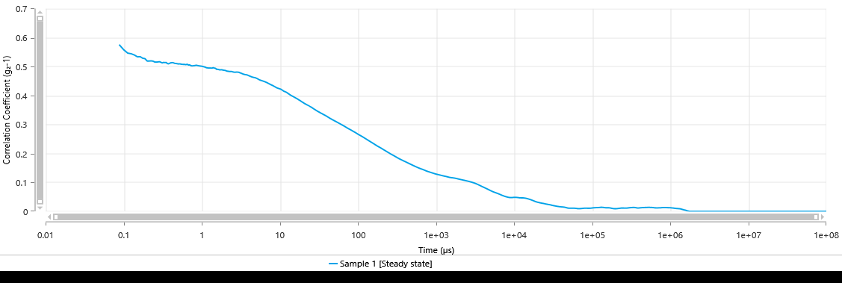
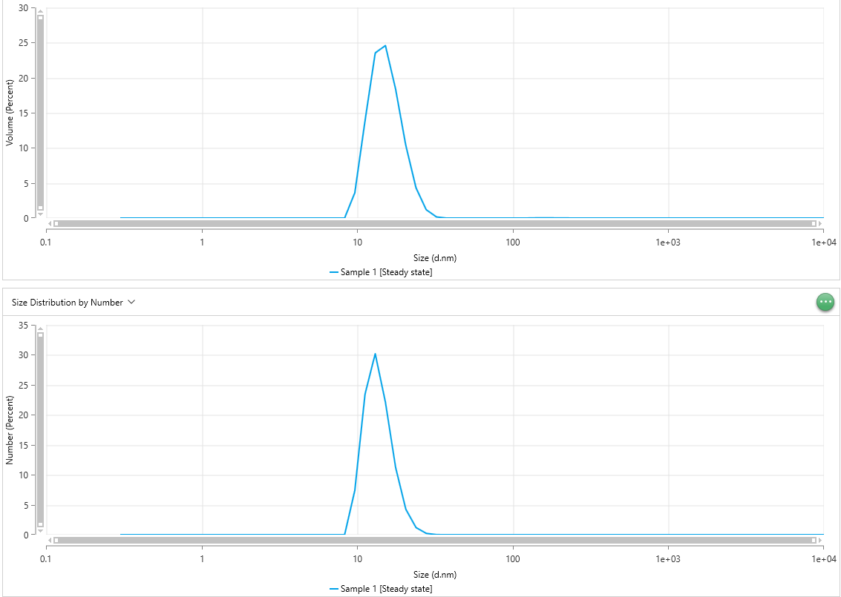
Size (d.nm) - Sample 1 [Steady state] | Intensity (Percent) - Sample 1 [Steady state] | Size (d.nm) - Sample 1 [Steady state] | Intensity (Percent) - Sample 1 [Steady state] | Size (d.nm) - Sample 1 [Steady state] | Intensity (Percent) - Sample 1 [Steady state] |  | Time (µs) - Sample 1 [Steady state] | Correlation Coefficient (g₂-1) - Sample 1 [Steady state] | Time (µs) - Sample 1 [Steady state] | Correlation Coefficient (g₂-1) - Sample 1 [Steady state] | Time (µs) - Sample 1 [Steady state] | Correlation Coefficient (g₂-1) - Sample 1 [Steady state] |  | Size (d.nm) - Sample 1 [Steady state] | Volume (Percent) - Sample 1 [Steady state] | Size (d.nm) - Sample 1 [Steady state] | Volume (Percent) - Sample 1 [Steady state] | Size (d.nm) - Sample 1 [Steady state] | Volume (Percent) - Sample 1 [Steady state] | Size (d.nm) - Sample 1 [Steady state] | Number (Percent) - Sample 1 [Steady state] | Size (d.nm) - Sample 1 [Steady state] | Number (Percent) - Sample 1 [Steady state] | Size (d.nm) - Sample 1 [Steady state] | Number (Percent) - Sample 1 [Steady state]
0.3 | 0 | 0.3 | 0 | 0.3 | 0 |  | 0.0875 | 0.5759 | 0.0875 | 0.5331 | 0.0875 | 0.2676 |  | 0.3 | 0 | 0.3 | 0 | 0.3 | 0 | 0.3 | 0 | 0.3 | 0 | 0.3 | 0
0.3489 | 0 | 0.3489 | 0 | 0.3489 | 0 |  | 0.1 | 0.5582 | 0.1 | 0.5241 | 0.1 | 0.2649 |  | 0.3489 | 0 | 0.3489 | 0 | 0.3489 | 0 | 0.3489 | 0 | 0.3489 | 0 | 0.3489 | 0
0.4057 | 0 | 0.4057 | 0 | 0.4057 | 0 |  | 0.1125 | 0.5466 | 0.1125 | 0.5179 | 0.1125 | 0.2609 |  | 0.4057 | 0 | 0.4057 | 0 | 0.4057 | 0 | 0.4057 | 0 | 0.4057 | 0 | 0.4057 | 0
0.4718 | 0 | 0.4718 | 0 | 0.4718 | 0 |  | 0.125 | 0.5443 | 0.125 | 0.5135 | 0.125 | 0.2579 |  | 0.4718 | 0 | 0.4718 | 0 | 0.4718 | 0 | 0.4718 | 0 | 0.4718 | 0 | 0.4718 | 0
0.5487 | 0 | 0.5487 | 0 | 0.5487 | 0 |  | 0.1375 | 0.5397 | 0.1375 | 0.5095 | 0.1375 | 0.2548 |  | 0.5487 | 0 | 0.5487 | 0 | 0.5487 | 0 | 0.5487 | 0 | 0.5487 | 0 | 0.5487 | 0
0.6381 | 0 | 0.6381 | 0 | 0.6381 | 0 |  | 0.15 | 0.5338 | 0.15 | 0.5087 | 0.15 | 0.254 |  | 0.6381 | 0 | 0.6381 | 0 | 0.6381 | 0 | 0.6381 | 0 | 0.6381 | 0 | 0.6381 | 0
0.742 | 0 | 0.742 | 0 | 0.742 | 0 |  | 0.1625 | 0.5343 | 0.1625 | 0.5092 | 0.1625 | 0.2527 |  | 0.742 | 0 | 0.742 | 0 | 0.742 | 0 | 0.742 | 0 | 0.742 | 0 | 0.742 | 0
0.8629 | 0 | 0.8629 | 0 | 0.8629 | 0 |  | 0.175 | 0.529 | 0.175 | 0.5106 | 0.175 | 0.2545 |  | 0.8629 | 0 | 0.8629 | 0 | 0.8629 | 0 | 0.8629 | 0 | 0.8629 | 0 | 0.8629 | 0
1.003 | 0 | 1.003 | 0 | 1.003 | 0 |  | 0.1875 | 0.5274 | 0.1875 | 0.5081 | 0.1875 | 0.2541 |  | 1.003 | 0 | 1.003 | 0 | 1.003 | 0 | 1.003 | 0 | 1.003 | 0 | 1.003 | 0
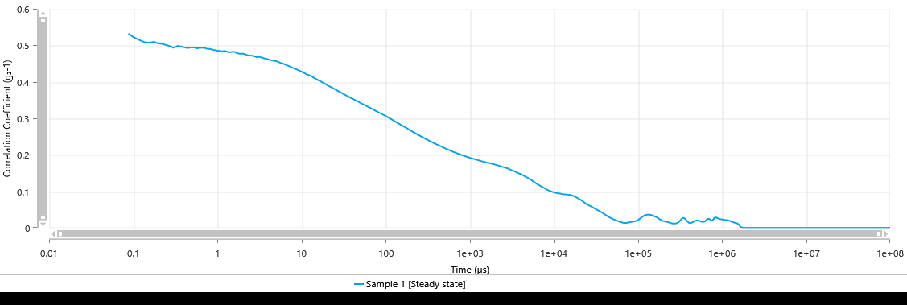
1.167 | 0 | 1.167 | 0 | 1.167 | 0 |  | 0.2 | 0.5192 | 0.2 | 0.5064 | 0.2 | 0.2534 |  | 1.167 | 0 | 1.167 | 0 | 1.167 | 0 | 1.167 | 0 | 1.167 | 0 | 1.167 | 0
1.357 | 0 | 1.357 | 0 | 1.357 | 0 |  | 0.2125 | 0.5193 | 0.2125 | 0.5054 | 0.2125 | 0.2507 |  | 1.357 | 0 | 1.357 | 0 | 1.357 | 0 | 1.357 | 0 | 1.357 | 0 | 1.357 | 0
1.578 | 0 | 1.578 | 0 | 1.578 | 0 |  | 0.225 | 0.5197 | 0.225 | 0.505 | 0.225 | 0.2513 |  | 1.578 | 0 | 1.578 | 0 | 1.578 | 0 | 1.578 | 0 | 1.578 | 0 | 1.578 | 0
1.835 | 0 | 1.835 | 0 | 1.835 | 0 |  | 0.2375 | 0.5188 | 0.2375 | 0.5029 | 0.2375 | 0.2518 |  | 1.835 | 0 | 1.835 | 0 | 1.835 | 0 | 1.835 | 0 | 1.835 | 0 | 1.835 | 0
2.134 | 0 | 2.134 | 0 | 2.134 | 0 |  | 0.25 | 0.5158 | 0.25 | 0.5016 | 0.25 | 0.253 |  | 2.134 | 0 | 2.134 | 0 | 2.134 | 0 | 2.134 | 0 | 2.134 | 0 | 2.134 | 0
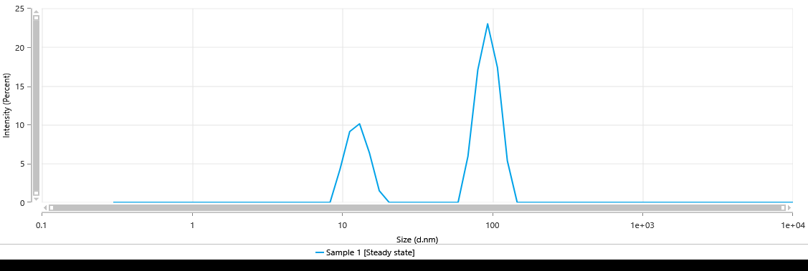
2.482 | 0 | 2.482 | 0 | 2.482 | 0 |  | 0.2625 | 0.5156 | 0.2625 | 0.4997 | 0.2625 | 0.2523 |  | 2.482 | 0 | 2.482 | 0 | 2.482 | 0 | 2.482 | 0 | 2.482 | 0 | 2.482 | 0
2.886 | 0 | 2.886 | 0 | 2.886 | 0 |  | 0.275 | 0.5162 | 0.275 | 0.4984 | 0.275 | 0.2512 |  | 2.886 | 0 | 2.886 | 0 | 2.886 | 0 | 2.886 | 0 | 2.886 | 0 | 2.886 | 0
3.357 | 0 | 3.357 | 0 | 3.357 | 0 |  | 0.2875 | 0.517 | 0.2875 | 0.4967 | 0.2875 | 0.249 |  | 3.357 | 0 | 3.357 | 0 | 3.357 | 0 | 3.357 | 0 | 3.357 | 0 | 3.357 | 0
3.903 | 0 | 3.903 | 0 | 3.903 | 0 |  | 0.3 | 0.5149 | 0.3 | 0.4945 | 0.3 | 0.2486 |  | 3.903 | 0 | 3.903 | 0 | 3.903 | 0 | 3.903 | 0 | 3.903 | 0 | 3.903 | 0
4.539 | 0 | 4.539 | 0 | 4.539 | 0 |  | 0.3125 | 0.5127 | 0.3125 | 0.4962 | 0.3125 | 0.2484 |  | 4.539 | 0 | 4.539 | 0 | 4.539 | 0 | 4.539 | 0 | 4.539 | 0 | 4.539 | 0
5.279 | 0 | 5.279 | 0 | 5.279 | 0 |  | 0.325 | 0.5145 | 0.325 | 0.4977 | 0.325 | 0.2491 |  | 5.279 | 0 | 5.279 | 0 | 5.279 | 0 | 5.279 | 0 | 5.279 | 0 | 5.279 | 0
6.139 | 0 | 6.139 | 0 | 6.139 | 0 |  | 0.3375 | 0.5139 | 0.3375 | 0.4997 | 0.3375 | 0.2479 |  | 6.139 | 0 | 6.139 | 0 | 6.139 | 0 | 6.139 | 0 | 6.139 | 0 | 6.139 | 0
7.139 | 0 | 7.139 | 0 | 7.139 | 0 |  | 0.35 | 0.5143 | 0.35 | 0.4991 | 0.35 | 0.2487 |  | 7.139 | 0 | 7.139 | 0 | 7.139 | 0 | 7.139 | 0 | 7.139 | 0 | 7.139 | 0
8.302 | 0 | 8.302 | 0 | 8.302 | 0 | intensity/size | 0.3625 | 0.5105 | 0.3625 | 0.4977 | 0.3625 | 0.249 |  | 8.302 | 0 | 8.302 | 0 | 8.302 | 6.54 | 8.302 | 0 | 8.302 | 0 | 8.302 | 10.51
9.655 | 0 | 9.655 | 0 | 9.655 | 4.21 |  | 0.375 | 0.5096 | 0.375 | 0.4981 | 0.375 | 0.2489 |  | 9.655 | 3.6 | 9.655 | 4.697 | 9.655 | 22.09 | 9.655 | 7.379 | 9.655 | 7.983 | 9.655 | 30.22
11.23 | 1.761 | 11.23 | 3.223 | 11.23 | 9.118 |  | 0.3875 | 0.5114 | 0.3875 | 0.4962 | 0.3875 | 0.2487 |  | 11.23 | 13.84 | 11.23 | 19.15 | 11.23 | 30.92 | 11.23 | 23.41 | 11.23 | 26.51 | 11.23 | 33.05
13.06 | 5.105 | 13.06 | 10.52 | 13.06 | 10.12 |  | 0.4 | 0.513 | 0.4 | 0.4963 | 0.4 | 0.2474 |  | 13.06 | 23.51 | 13.06 | 31.86 | 13.06 | 24.28 | 13.06 | 30.18 | 13.06 | 34.33 | 13.06 | 18.52
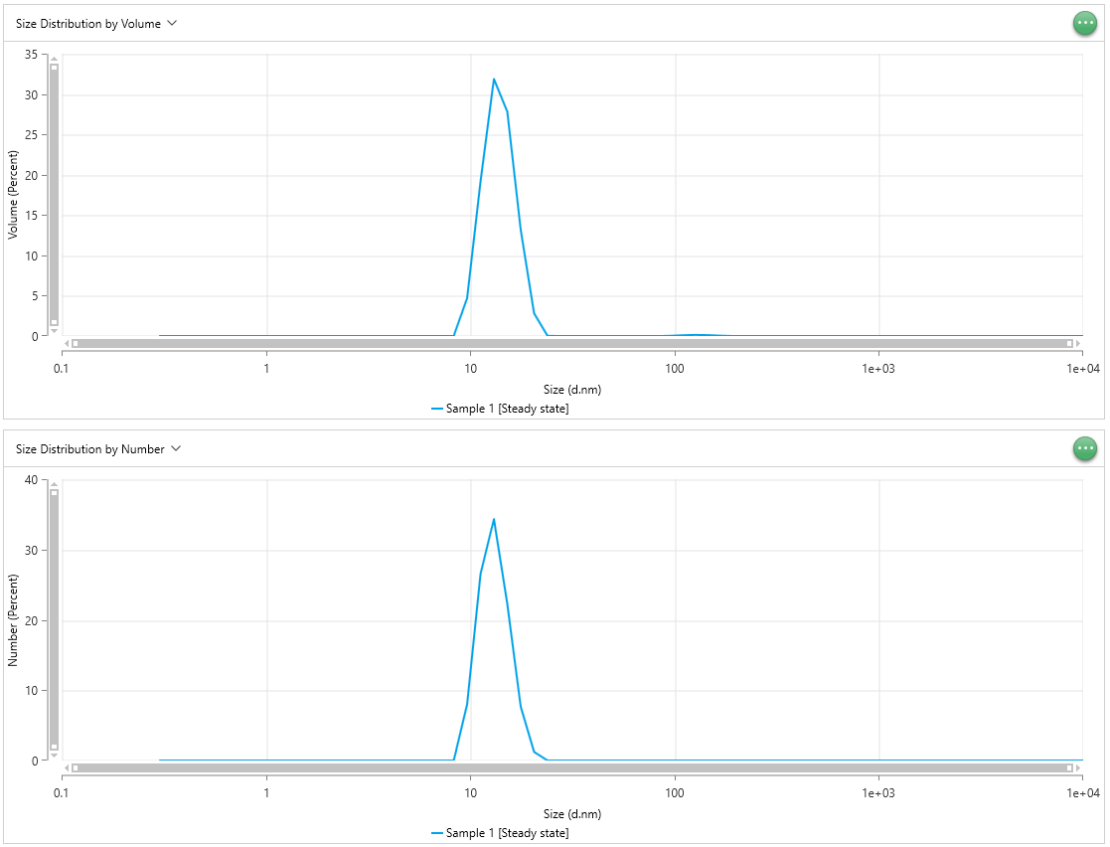
15.18 | 8.024 | 15.18 | 12.97 | 15.18 | 6.373 |  | 0.425 | 0.5139 | 0.425 | 0.4945 | 0.425 | 0.2474 | correlation | 15.18 | 24.57 | 15.18 | 27.82 | 15.18 | 11.84 | 15.18 | 22.11 | 15.18 | 22.27 | 15.18 | 6.338
17.66 | 8.842 | 17.66 | 7.339 | 17.66 | 1.499 |  | 0.45 | 0.5113 | 0.45 | 0.494 | 0.45 | 0.2477 |  | 17.66 | 18.36 | 17.66 | 13.19 | 17.66 | 3.312 | 17.66 | 11.22 | 17.66 | 7.675 | 17.66 | 1.253
20.53 | 7.188 | 20.53 | 0.1315 | 20.53 | 0 |  | 0.475 | 0.5105 | 0.475 | 0.4951 | 0.475 | 0.249 |  | 20.53 | 10.34 | 20.53 | 2.819 | 20.53 | 0.3816 | 20.53 | 4.253 | 20.53 | 1.222 | 20.53 | 0.1002
23.88 | 4.055 | 23.88 | 0 | 23.88 | 0 |  | 0.5 | 0.5092 | 0.5 | 0.4956 | 0.5 | 0.2488 |  | 23.88 | 4.304 | 23.88 | 0.03143 | 23.88 | 0 | 23.88 | 1.198 | 23.88 | 0.008733 | 23.88 | 0
27.77 | 1.192 | 27.77 | 0 | 27.77 | 0 |  | 0.525 | 0.5094 | 0.525 | 0.4954 | 0.525 | 0.2469 |  | 27.77 | 1.19 | 27.77 | 0 | 27.77 | 0 | 27.77 | 0.2285 | 27.77 | 0 | 27.77 | 0
32.3 | 0 | 32.3 | 0 | 32.3 | 0 |  | 0.55 | 0.5081 | 0.55 | 0.4941 | 0.55 | 0.2454 |  | 32.3 | 0.1623 | 32.3 | 0 | 32.3 | 0 | 32.3 | 0.02198 | 32.3 | 0 | 32.3 | 0
37.56 | 0 | 37.56 | 0 | 37.56 | 0 |  | 0.575 | 0.5077 | 0.575 | 0.4929 | 0.575 | 0.2454 |  | 37.56 | 0 | 37.56 | 0 | 37.56 | 0 | 37.56 | 0 | 37.56 | 0 | 37.56 | 0
43.68 | 0 | 43.68 | 0 | 43.68 | 0 |  | 0.6 | 0.5075 | 0.6 | 0.4938 | 0.6 | 0.2446 |  | 43.68 | 0 | 43.68 | 0 | 43.68 | 0 | 43.68 | 0 | 43.68 | 0 | 43.68 | 0
50.79 | 0 | 50.79 | 0 | 50.79 | 0 |  | 0.625 | 0.5066 | 0.625 | 0.4944 | 0.625 | 0.2438 |  | 50.79 | 0 | 50.79 | 0 | 50.79 | 0 | 50.79 | 0 | 50.79 | 0 | 50.79 | 0
59.07 | 0 | 59.07 | 0 | 59.07 | 0 |  | 0.65 | 0.5081 | 0.65 | 0.4945 | 0.65 | 0.2429 |  | 59.07 | 0 | 59.07 | 0 | 59.07 | 0.02733 | 59.07 | 0 | 59.07 | 0 | 59.07 | 0.0001219
68.69 | 0 | 68.69 | 0 | 68.69 | 5.919 |  | 0.675 | 0.5054 | 0.675 | 0.4943 | 0.675 | 0.2425 |  | 68.69 | 0 | 68.69 | 0 | 68.69 | 0.1065 | 68.69 | 0 | 68.69 | 0 | 68.69 | 0.0003909
79.88 | 0 | 79.88 | 0 | 79.88 | 17.05 |  | 0.7 | 0.5059 | 0.7 | 0.4944 | 0.7 | 0.2429 |  | 79.88 | 0 | 79.88 | 0 | 79.88 | 0.1781 | 79.88 | 0 | 79.88 | 0 | 79.88 | 0.0005011
92.89 | 0 | 92.89 | 0 | 92.89 | 23 |  | 0.725 | 0.5034 | 0.725 | 0.4932 | 0.725 | 0.2431 |  | 92.89 | 0 | 92.89 | 0.0251 | 92.89 | 0.1714 | 92.89 | 0 | 92.89 | 4.79E-05 | 92.89 | 0.0003461
108 | 0 | 108 | 11.7 | 108 | 17.35 |  | 0.75 | 0.5025 | 0.75 | 0.4919 | 0.75 | 0.2447 |  | 108 | 0 | 108 | 0.09132 | 108 | 0.1038 | 108 | 0 | 108 | 0.0001457 | 108 | 0.0001474
125.6 | 0 | 125.6 | 24.33 | 125.6 | 5.364 |  | 0.775 | 0.503 | 0.775 | 0.491 | 0.775 | 0.2441 |  | 125.6 | 0.01222 | 125.6 | 0.1447 | 125.6 | 0.03753 | 125.6 | 1.14E-05 | 125.6 | 0.0001765 | 125.6 | 3.79E-05
146.1 | 5.176 | 146.1 | 22.2 | 146.1 | 0 |  | 0.8 | 0.5033 | 0.8 | 0.4917 | 0.8 | 0.2437 |  | 146.1 | 0.03119 | 146.1 | 0.1186 | 146.1 | 0.006148 | 146.1 | 2.67E-05 | 146.1 | 0.0001089 | 146.1 | 4.48E-06
169.9 | 13.43 | 169.9 | 7.59 | 169.9 | 0 |  | 0.85 | 0.5048 | 0.85 | 0.4903 | 0.85 | 0.242 |  | 169.9 | 0.03103 | 169.9 | 0.04281 | 169.9 | 0 | 169.9 | 2.14E-05 | 169.9 | 3.15E-05 | 169.9 | 0
197.6 | 18.81 | 197.6 | 0 | 197.6 | 0 |  | 0.9 | 0.5034 | 0.9 | 0.4882 | 0.9 | 0.242 |  | 197.6 | 0.02104 | 197.6 | 0.002721 | 197.6 | 0 | 197.6 | 8.87E-06 | 197.6 | 1.33E-06 | 197.6 | 0
229.8 | 16.91 | 229.8 | 0 | 229.8 | 0 |  | 0.95 | 0.5021 | 0.95 | 0.4878 | 0.95 | 0.2417 |  | 229.8 | 0.01452 | 229.8 | 0 | 229.8 | 0 | 229.8 | 4.04E-06 | 229.8 | 0 | 229.8 | 0
267.2 | 8.698 | 267.2 | 0 | 267.2 | 0 |  | 1 | 0.5015 | 1 | 0.4863 | 1 | 0.2417 |  | 267.2 | 0.007603 | 267.2 | 0 | 267.2 | 0 | 267.2 | 1.47E-06 | 267.2 | 0 | 267.2 | 0
310.7 | 0.8029 | 310.7 | 0 | 310.7 | 0 |  | 1.05 | 0.4999 | 1.05 | 0.4861 | 1.05 | 0.2418 |  | 310.7 | 0.002247 | 310.7 | 0 | 310.7 | 0 | 310.7 | 3.21E-07 | 310.7 | 0 | 310.7 | 0
361.3 | 0 | 361.3 | 0 | 361.3 | 0 |  | 1.1 | 0.4984 | 1.1 | 0.4849 | 1.1 | 0.2422 |  | 361.3 | 0.0001893 | 361.3 | 0 | 361.3 | 0 | 361.3 | 1.83E-08 | 361.3 | 0 | 361.3 | 0
420.2 | 0 | 420.2 | 0 | 420.2 | 0 |  | 1.15 | 0.496 | 1.15 | 0.4846 | 1.15 | 0.2421 |  | 420.2 | 0 | 420.2 | 0 | 420.2 | 0 | 420.2 | 0 | 420.2 | 0 | 420.2 | 0
488.7 | 0 | 488.7 | 0 | 488.7 | 0 |  | 1.2 | 0.4954 | 1.2 | 0.4858 | 1.2 | 0.2419 |  | 488.7 | 0 | 488.7 | 0 | 488.7 | 0 | 488.7 | 0 | 488.7 | 0 | 488.7 | 0
568.3 | 0 | 568.3 | 0 | 568.3 | 0 |  | 1.25 | 0.4951 | 1.25 | 0.4846 | 1.25 | 0.2411 |  | 568.3 | 0 | 568.3 | 0 | 568.3 | 0 | 568.3 | 0 | 568.3 | 0 | 568.3 | 0
660.9 | 0 | 660.9 | 0 | 660.9 | 0 |  | 1.3 | 0.4952 | 1.3 | 0.4841 | 1.3 | 0.2407 |  | 660.9 | 0 | 660.9 | 0 | 660.9 | 0 | 660.9 | 0 | 660.9 | 0 | 660.9 | 0
768.5 | 0 | 768.5 | 0 | 768.5 | 0 |  | 1.35 | 0.4947 | 1.35 | 0.4822 | 1.35 | 0.2402 |  | 768.5 | 0 | 768.5 | 0 | 768.5 | 0 | 768.5 | 0 | 768.5 | 0 | 768.5 | 0
893.8 | 0 | 893.8 | 0 | 893.8 | 0 |  | 1.4 | 0.4962 | 1.4 | 0.4824 | 1.4 | 0.2397 |  | 893.8 | 0 | 893.8 | 0 | 893.8 | 0 | 893.8 | 0 | 893.8 | 0 | 893.8 | 0
1039 | 0 | 1039 | 0 | 1039 | 0 |  | 1.45 | 0.4949 | 1.45 | 0.4827 | 1.45 | 0.2403 |  | 1039 | 0 | 1039 | 0 | 1039 | 0 | 1039 | 0 | 1039 | 0 | 1039 | 0
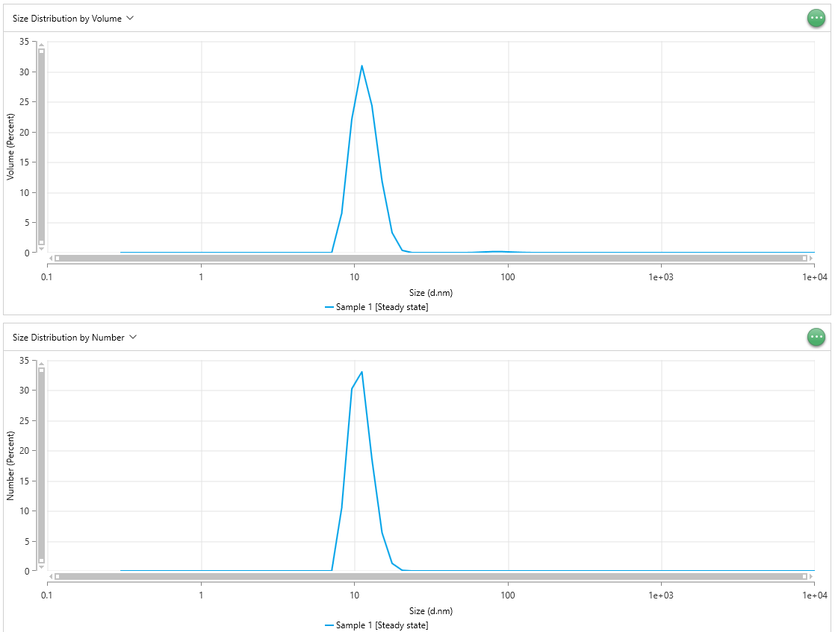
1209 | 0 | 1209 | 0 | 1209 | 0 |  | 1.5 | 0.4941 | 1.5 | 0.4834 | 1.5 | 0.2406 |  | 1209 | 0 | 1209 | 0 | 1209 | 0 | 1209 | 0 | 1209 | 0 | 1209 | 0
1406 | 0 | 1406 | 0 | 1406 | 0 |  | 1.55 | 0.4904 | 1.55 | 0.4837 | 1.55 | 0.241 |  | 1406 | 0 | 1406 | 0 | 1406 | 0 | 1406 | 0 | 1406 | 0 | 1406 | 0
1635 | 0 | 1635 | 0 | 1635 | 0 |  | 1.6 | 0.4909 | 1.6 | 0.4832 | 1.6 | 0.2403 |  | 1635 | 0 | 1635 | 0 | 1635 | 0 | 1635 | 0 | 1635 | 0 | 1635 | 0
1901 | 0 | 1901 | 0 | 1901 | 0 |  | 1.7 | 0.4888 | 1.7 | 0.4801 | 1.7 | 0.2397 |  | 1901 | 0 | 1901 | 0 | 1901 | 0 | 1901 | 0 | 1901 | 0 | 1901 | 0
2211 | 0 | 2211 | 0 | 2211 | 0 |  | 1.8 | 0.4891 | 1.8 | 0.4783 | 1.8 | 0.2389 |  | 2211 | 0 | 2211 | 0 | 2211 | 0 | 2211 | 0 | 2211 | 0 | 2211 | 0
2571 | 0 | 2571 | 0 | 2571 | 0 |  | 1.9 | 0.4876 | 1.9 | 0.478 | 1.9 | 0.2384 |  | 2571 | 0 | 2571 | 0 | 2571 | 0 | 2571 | 0 | 2571 | 0 | 2571 | 0
2990 | 0 | 2990 | 0 | 2990 | 0 |  | 2 | 0.4869 | 2 | 0.4784 | 2 | 0.2378 |  | 2990 | 0 | 2990 | 0 | 2990 | 0 | 2990 | 0 | 2990 | 0 | 2990 | 0
3477 | 0 | 3477 | 0 | 3477 | 0 |  | 2.1 | 0.4845 | 2.1 | 0.4773 | 2.1 | 0.238 |  | 3477 | 0 | 3477 | 0 | 3477 | 0 | 3477 | 0 | 3477 | 0 | 3477 | 0
4043 | 0 | 4043 | 0 | 4043 | 0 |  | 2.2 | 0.4837 | 2.2 | 0.4757 | 2.2 | 0.2372 |  | 4043 | 0 | 4043 | 0 | 4043 | 0 | 4043 | 0 | 4043 | 0 | 4043 | 0
4702 | 0 | 4702 | 0 | 4702 | 0 |  | 2.3 | 0.4831 | 2.3 | 0.4735 | 2.3 | 0.2372 |  | 4702 | 0 | 4702 | 0 | 4702 | 0 | 4702 | 0 | 4702 | 0 | 4702 | 0
5468 | 0 | 5468 | 0 | 5468 | 0 |  | 2.4 | 0.4833 | 2.4 | 0.4733 | 2.4 | 0.2363 |  | 5468 | 0 | 5468 | 0 | 5468 | 0 | 5468 | 0 | 5468 | 0 | 5468 | 0
6358 | 0 | 6358 | 0 | 6358 | 0 |  | 2.5 | 0.4818 | 2.5 | 0.4728 | 2.5 | 0.2361 |  | 6358 | 0 | 6358 | 0 | 6358 | 0 | 6358 | 0 | 6358 | 0 | 6358 | 0
7394 | 0 | 7394 | 0 | 7394 | 0 |  | 2.6 | 0.4807 | 2.6 | 0.4727 | 2.6 | 0.2357 |  | 7394 | 0 | 7394 | 0 | 7394 | 0 | 7394 | 0 | 7394 | 0 | 7394 | 0
8599 | 0 | 8599 | 0 | 8599 | 0 |  | 2.7 | 0.4807 | 2.7 | 0.4711 | 2.7 | 0.2354 |  | 8599 | 0 | 8599 | 0 | 8599 | 0 | 8599 | 0 | 8599 | 0 | 8599 | 0
1.00E+04 | 0 | 1.00E+04 | 0 | 1.00E+04 | 0 |  | 2.8 | 0.4812 | 2.8 | 0.4707 | 2.8 | 0.2352 |  | 1.00E+04 | 0 | 1.00E+04 | 0 | 1.00E+04 | 0 | 1.00E+04 | 0 | 1.00E+04 | 0 | 1.00E+04 | 0
 |  |  |  |  |  |  | 2.9 | 0.481 | 2.9 | 0.4688 | 2.9 | 0.2355
 |  |  |  |  |  |  | 3 | 0.4803 | 3 | 0.4694 | 3 | 0.2354
 |  |  |  |  |  |  | 3.1 | 0.4783 | 3.1 | 0.4691 | 3.1 | 0.2354
 |  |  |  |  |  |  | 3.2 | 0.4772 | 3.2 | 0.4695 | 3.2 | 0.2347
 |  |  |  |  |  |  | 3.4 | 0.4741 | 3.4 | 0.4671 | 3.4 | 0.2341
 |  |  |  |  |  |  | 3.6 | 0.4723 | 3.6 | 0.4655 | 3.6 | 0.2335
 |  |  |  |  |  |  | 3.8 | 0.4715 | 3.8 | 0.4642 | 3.8 | 0.2332
 |  |  |  |  |  |  | 4 | 0.4688 | 4 | 0.4629 | 4 | 0.2327
 |  |  |  |  |  |  | 4.2 | 0.4664 | 4.2 | 0.4612 | 4.2 | 0.2319
 |  |  |  |  |  |  | 4.4 | 0.4642 | 4.4 | 0.46 | 4.4 | 0.2309
 |  |  |  |  |  |  | 4.6 | 0.4629 | 4.6 | 0.4593 | 4.6 | 0.2306
 |  |  |  |  |  |  | 4.8 | 0.4619 | 4.8 | 0.4584 | 4.8 | 0.2302
 |  |  |  |  |  |  | 5 | 0.4601 | 5 | 0.4576 | 5 | 0.2299
 |  |  |  |  |  |  | 5.2 | 0.458 | 5.2 | 0.4563 | 5.2 | 0.2293
 |  |  |  |  |  |  | 5.4 | 0.4552 | 5.4 | 0.4549 | 5.4 | 0.2288
 |  |  |  |  |  |  | 5.6 | 0.4534 | 5.6 | 0.4532 | 5.6 | 0.2284
 |  |  |  |  |  |  | 5.8 | 0.4521 | 5.8 | 0.4519 | 5.8 | 0.2276
 |  |  |  |  |  |  | 6 | 0.4508 | 6 | 0.4512 | 6 | 0.2274
 |  |  |  |  |  |  | 6.2 | 0.4493 | 6.2 | 0.4498 | 6.2 | 0.2267
 |  |  |  |  |  |  | 6.4 | 0.448 | 6.4 | 0.4486 | 6.4 | 0.2264
 |  |  |  |  |  |  | 6.8 | 0.4451 | 6.8 | 0.4459 | 6.8 | 0.2253
 |  |  |  |  |  |  | 7.2 | 0.4416 | 7.2 | 0.4435 | 7.2 | 0.2245
 |  |  |  |  |  |  | 7.6 | 0.4381 | 7.6 | 0.4411 | 7.6 | 0.2237
 |  |  |  |  |  |  | 8 | 0.4355 | 8 | 0.4388 | 8 | 0.2228
 |  |  |  |  |  |  | 8.4 | 0.4325 | 8.4 | 0.4369 | 8.4 | 0.222
 |  |  |  |  |  |  | 8.8 | 0.4293 | 8.8 | 0.435 | 8.8 | 0.2213
 |  |  |  |  |  |  | 9.2 | 0.4265 | 9.2 | 0.4331 | 9.2 | 0.2205
 |  |  |  |  |  |  | 9.6 | 0.4248 | 9.6 | 0.431 | 9.6 | 0.2193
 |  |  |  |  |  |  | 10 | 0.4234 | 10 | 0.4291 | 10 | 0.2183
 |  |  |  |  |  |  | 10.4 | 0.4215 | 10.4 | 0.4271 | 10.4 | 0.2173
 |  |  |  |  |  |  | 10.8 | 0.4184 | 10.8 | 0.4251 | 10.8 | 0.2167
 |  |  |  |  |  |  | 11.2 | 0.4156 | 11.2 | 0.4234 | 11.2 | 0.216
 |  |  |  |  |  |  | 11.6 | 0.4137 | 11.6 | 0.4214 | 11.6 | 0.2153
 |  |  |  |  |  |  | 12 | 0.4122 | 12 | 0.4202 | 12 | 0.215
 |  |  |  |  |  |  | 12.4 | 0.4098 | 12.4 | 0.4189 | 12.4 | 0.2144
 |  |  |  |  |  |  | 12.8 | 0.4071 | 12.8 | 0.4176 | 12.8 | 0.2139
 |  |  |  |  |  |  | 13.6 | 0.4023 | 13.6 | 0.4144 | 13.6 | 0.212
 |  |  |  |  |  |  | 14.4 | 0.3985 | 14.4 | 0.4108 | 14.4 | 0.2107
 |  |  |  |  |  |  | 15.2 | 0.3951 | 15.2 | 0.4077 | 15.2 | 0.2097
 |  |  |  |  |  |  | 16 | 0.3917 | 16 | 0.405 | 16 | 0.2086
 |  |  |  |  |  |  | 16.8 | 0.3886 | 16.8 | 0.4025 | 16.8 | 0.2078
 |  |  |  |  |  |  | 17.6 | 0.3849 | 17.6 | 0.4003 | 17.6 | 0.2069
 |  |  |  |  |  |  | 18.4 | 0.3818 | 18.4 | 0.3978 | 18.4 | 0.2057
 |  |  |  |  |  |  | 19.2 | 0.3783 | 19.2 | 0.3954 | 19.2 | 0.2047
 |  |  |  |  |  |  | 20 | 0.3756 | 20 | 0.3927 | 20 | 0.2035
 |  |  |  |  |  |  | 20.8 | 0.3724 | 20.8 | 0.3902 | 20.8 | 0.2027
 |  |  |  |  |  |  | 21.6 | 0.3702 | 21.6 | 0.3883 | 21.6 | 0.2017
 |  |  |  |  |  |  | 22.4 | 0.3678 | 22.4 | 0.3867 | 22.4 | 0.2011
 |  |  |  |  |  |  | 23.2 | 0.3655 | 23.2 | 0.3849 | 23.2 | 0.2001
 |  |  |  |  |  |  | 24 | 0.3632 | 24 | 0.383 | 24 | 0.1994
 |  |  |  |  |  |  | 24.8 | 0.3606 | 24.8 | 0.3811 | 24.8 | 0.1985
 |  |  |  |  |  |  | 25.6 | 0.3585 | 25.6 | 0.3793 | 25.6 | 0.1979
 |  |  |  |  |  |  | 27.2 | 0.3536 | 27.2 | 0.3759 | 27.2 | 0.1965
 |  |  |  |  |  |  | 28.8 | 0.3494 | 28.8 | 0.373 | 28.8 | 0.1952
 |  |  |  |  |  |  | 30.4 | 0.3455 | 30.4 | 0.3701 | 30.4 | 0.194
 |  |  |  |  |  |  | 32 | 0.3422 | 32 | 0.3672 | 32 | 0.1928
 |  |  |  |  |  |  | 33.6 | 0.339 | 33.6 | 0.3643 | 33.6 | 0.1916
 |  |  |  |  |  |  | 35.2 | 0.3361 | 35.2 | 0.3619 | 35.2 | 0.1906
 |  |  |  |  |  |  | 36.8 | 0.3332 | 36.8 | 0.3596 | 36.8 | 0.1896
 |  |  |  |  |  |  | 38.4 | 0.3306 | 38.4 | 0.3576 | 38.4 | 0.1886
 |  |  |  |  |  |  | 40 | 0.3278 | 40 | 0.3554 | 40 | 0.1878
 |  |  |  |  |  |  | 41.6 | 0.3249 | 41.6 | 0.3535 | 41.6 | 0.187
 |  |  |  |  |  |  | 43.2 | 0.3221 | 43.2 | 0.3514 | 43.2 | 0.1861
 |  |  |  |  |  |  | 44.8 | 0.3197 | 44.8 | 0.3494 | 44.8 | 0.1852
 |  |  |  |  |  |  | 46.4 | 0.3173 | 46.4 | 0.3476 | 46.4 | 0.1845
 |  |  |  |  |  |  | 48 | 0.3152 | 48 | 0.3457 | 48 | 0.1838
 |  |  |  |  |  |  | 49.6 | 0.3131 | 49.6 | 0.3439 | 49.6 | 0.1831
 |  |  |  |  |  |  | 51.2 | 0.3112 | 51.2 | 0.3421 | 51.2 | 0.1823
 |  |  |  |  |  |  | 54.4 | 0.3074 | 54.4 | 0.3392 | 54.4 | 0.1809
 |  |  |  |  |  |  | 57.6 | 0.3037 | 57.6 | 0.3364 | 57.6 | 0.1797
 |  |  |  |  |  |  | 60.8 | 0.3002 | 60.8 | 0.3335 | 60.8 | 0.1786
 |  |  |  |  |  |  | 64 | 0.2969 | 64 | 0.3309 | 64 | 0.1775
 |  |  |  |  |  |  | 67.2 | 0.2937 | 67.2 | 0.3283 | 67.2 | 0.1765
 |  |  |  |  |  |  | 70.4 | 0.2903 | 70.4 | 0.326 | 70.4 | 0.1754
 |  |  |  |  |  |  | 73.6 | 0.2872 | 73.6 | 0.3235 | 73.6 | 0.1744
 |  |  |  |  |  |  | 76.8 | 0.2845 | 76.8 | 0.3212 | 76.8 | 0.1734
 |  |  |  |  |  |  | 80 | 0.2819 | 80 | 0.319 | 80 | 0.1725
 |  |  |  |  |  |  | 83.2 | 0.2794 | 83.2 | 0.317 | 83.2 | 0.1717
 |  |  |  |  |  |  | 86.4 | 0.2766 | 86.4 | 0.3149 | 86.4 | 0.1708
 |  |  |  |  |  |  | 89.6 | 0.2743 | 89.6 | 0.313 | 89.6 | 0.17
 |  |  |  |  |  |  | 92.8 | 0.2719 | 92.8 | 0.311 | 92.8 | 0.1691
 |  |  |  |  |  |  | 96 | 0.2695 | 96 | 0.3092 | 96 | 0.1684
 |  |  |  |  |  |  | 99.2 | 0.267 | 99.2 | 0.3074 | 99.2 | 0.1676
 |  |  |  |  |  |  | 102.4 | 0.2647 | 102.4 | 0.3058 | 102.4 | 0.1669
 |  |  |  |  |  |  | 108.8 | 0.2609 | 108.8 | 0.3023 | 108.8 | 0.1655
 |  |  |  |  |  |  | 115.2 | 0.257 | 115.2 | 0.2989 | 115.2 | 0.1642
 |  |  |  |  |  |  | 121.6 | 0.253 | 121.6 | 0.2957 | 121.6 | 0.1628
 |  |  |  |  |  |  | 128 | 0.2493 | 128 | 0.2928 | 128 | 0.1615
 |  |  |  |  |  |  | 134.4 | 0.2457 | 134.4 | 0.2898 | 134.4 | 0.1602
 |  |  |  |  |  |  | 140.8 | 0.2424 | 140.8 | 0.2871 | 140.8 | 0.1591
 |  |  |  |  |  |  | 147.2 | 0.2392 | 147.2 | 0.2845 | 147.2 | 0.1581
 |  |  |  |  |  |  | 153.6 | 0.2361 | 153.6 | 0.2821 | 153.6 | 0.1571
 |  |  |  |  |  |  | 160 | 0.2331 | 160 | 0.2797 | 160 | 0.1562
 |  |  |  |  |  |  | 166.4 | 0.2301 | 166.4 | 0.2774 | 166.4 | 0.1552
 |  |  |  |  |  |  | 172.8 | 0.2274 | 172.8 | 0.2754 | 172.8 | 0.1543
 |  |  |  |  |  |  | 179.2 | 0.2247 | 179.2 | 0.2732 | 179.2 | 0.1534
 |  |  |  |  |  |  | 185.6 | 0.2225 | 185.6 | 0.271 | 185.6 | 0.1525
 |  |  |  |  |  |  | 192 | 0.2203 | 192 | 0.2688 | 192 | 0.1516
 |  |  |  |  |  |  | 198.4 | 0.2181 | 198.4 | 0.2669 | 198.4 | 0.1508
 |  |  |  |  |  |  | 204.8 | 0.2158 | 204.8 | 0.2652 | 204.8 | 0.1501
 |  |  |  |  |  |  | 217.6 | 0.2114 | 217.6 | 0.2617 | 217.6 | 0.1487
 |  |  |  |  |  |  | 230.4 | 0.2074 | 230.4 | 0.2585 | 230.4 | 0.1473
 |  |  |  |  |  |  | 243.2 | 0.2036 | 243.2 | 0.2554 | 243.2 | 0.146
 |  |  |  |  |  |  | 256 | 0.2 | 256 | 0.2526 | 256 | 0.1448
 |  |  |  |  |  |  | 268.8 | 0.1967 | 268.8 | 0.2498 | 268.8 | 0.1436
 |  |  |  |  |  |  | 281.6 | 0.1938 | 281.6 | 0.2473 | 281.6 | 0.1425
 |  |  |  |  |  |  | 294.4 | 0.1909 | 294.4 | 0.2449 | 294.4 | 0.1413
 |  |  |  |  |  |  | 307.2 | 0.188 | 307.2 | 0.2426 | 307.2 | 0.1404
 |  |  |  |  |  |  | 320 | 0.1852 | 320 | 0.2405 | 320 | 0.1395
 |  |  |  |  |  |  | 332.8 | 0.1826 | 332.8 | 0.2384 | 332.8 | 0.1386
 |  |  |  |  |  |  | 345.6 | 0.1803 | 345.6 | 0.2365 | 345.6 | 0.1378
 |  |  |  |  |  |  | 358.4 | 0.1783 | 358.4 | 0.2348 | 358.4 | 0.137
 |  |  |  |  |  |  | 371.2 | 0.1763 | 371.2 | 0.2331 | 371.2 | 0.1363
 |  |  |  |  |  |  | 384 | 0.1744 | 384 | 0.2314 | 384 | 0.1355
 |  |  |  |  |  |  | 396.8 | 0.1725 | 396.8 | 0.2298 | 396.8 | 0.1348
 |  |  |  |  |  |  | 409.6 | 0.1708 | 409.6 | 0.2284 | 409.6 | 0.1342
 |  |  |  |  |  |  | 435.2 | 0.1674 | 435.2 | 0.2256 | 435.2 | 0.133
 |  |  |  |  |  |  | 460.8 | 0.1641 | 460.8 | 0.223 | 460.8 | 0.1318
 |  |  |  |  |  |  | 486.4 | 0.1611 | 486.4 | 0.2204 | 486.4 | 0.1307
 |  |  |  |  |  |  | 512 | 0.1582 | 512 | 0.2181 | 512 | 0.1297
 |  |  |  |  |  |  | 537.6 | 0.1556 | 537.6 | 0.2158 | 537.6 | 0.1287
 |  |  |  |  |  |  | 563.2 | 0.1531 | 563.2 | 0.2136 | 563.2 | 0.1277
 |  |  |  |  |  |  | 588.8 | 0.1508 | 588.8 | 0.2117 | 588.8 | 0.1269
 |  |  |  |  |  |  | 614.4 | 0.1488 | 614.4 | 0.21 | 614.4 | 0.1261
 |  |  |  |  |  |  | 640 | 0.147 | 640 | 0.2084 | 640 | 0.1254
 |  |  |  |  |  |  | 665.6 | 0.1454 | 665.6 | 0.2069 | 665.6 | 0.1247
 |  |  |  |  |  |  | 691.2 | 0.1437 | 691.2 | 0.2054 | 691.2 | 0.124
 |  |  |  |  |  |  | 716.8 | 0.1419 | 716.8 | 0.204 | 716.8 | 0.1233
 |  |  |  |  |  |  | 742.4 | 0.1401 | 742.4 | 0.2027 | 742.4 | 0.1227
 |  |  |  |  |  |  | 768 | 0.1386 | 768 | 0.2014 | 768 | 0.1222
 |  |  |  |  |  |  | 793.6 | 0.1373 | 793.6 | 0.2002 | 793.6 | 0.1217
 |  |  |  |  |  |  | 819.2 | 0.1362 | 819.2 | 0.1991 | 819.2 | 0.1212
 |  |  |  |  |  |  | 870.4 | 0.1338 | 870.4 | 0.197 | 870.4 | 0.1203
 |  |  |  |  |  |  | 921.6 | 0.1317 | 921.6 | 0.195 | 921.6 | 0.1194
 |  |  |  |  |  |  | 972.8 | 0.1297 | 972.8 | 0.1933 | 972.8 | 0.1186
 |  |  |  |  |  |  | 1024 | 0.1281 | 1024 | 0.1916 | 1024 | 0.1178
 |  |  |  |  |  |  | 1075 | 0.1267 | 1075 | 0.1901 | 1075 | 0.117
 |  |  |  |  |  |  | 1126 | 0.1254 | 1126 | 0.1888 | 1126 | 0.1162
 |  |  |  |  |  |  | 1178 | 0.124 | 1178 | 0.1875 | 1178 | 0.1155
 |  |  |  |  |  |  | 1229 | 0.1228 | 1229 | 0.1863 | 1229 | 0.1149
 |  |  |  |  |  |  | 1280 | 0.1217 | 1280 | 0.185 | 1280 | 0.1144
 |  |  |  |  |  |  | 1331 | 0.1208 | 1331 | 0.1839 | 1331 | 0.114
 |  |  |  |  |  |  | 1382 | 0.1197 | 1382 | 0.1827 | 1382 | 0.1135
 |  |  |  |  |  |  | 1434 | 0.1186 | 1434 | 0.1817 | 1434 | 0.1131
 |  |  |  |  |  |  | 1485 | 0.1175 | 1485 | 0.1807 | 1485 | 0.1126
 |  |  |  |  |  |  | 1536 | 0.1168 | 1536 | 0.1799 | 1536 | 0.1122
 |  |  |  |  |  |  | 1587 | 0.1162 | 1587 | 0.1792 | 1587 | 0.1117
 |  |  |  |  |  |  | 1638 | 0.1158 | 1638 | 0.1785 | 1638 | 0.1113
 |  |  |  |  |  |  | 1741 | 0.1147 | 1741 | 0.1771 | 1741 | 0.1105
 |  |  |  |  |  |  | 1843 | 0.1132 | 1843 | 0.1757 | 1843 | 0.1098
 |  |  |  |  |  |  | 1946 | 0.1117 | 1946 | 0.1742 | 1946 | 0.1091
 |  |  |  |  |  |  | 2048 | 0.1102 | 2048 | 0.1729 | 2048 | 0.1083
 |  |  |  |  |  |  | 2150 | 0.109 | 2150 | 0.1714 | 2150 | 0.1077
 |  |  |  |  |  |  | 2253 | 0.1078 | 2253 | 0.17 | 2253 | 0.1072
 |  |  |  |  |  |  | 2355 | 0.1067 | 2355 | 0.1685 | 2355 | 0.1067
 |  |  |  |  |  |  | 2458 | 0.1054 | 2458 | 0.1673 | 2458 | 0.106
 |  |  |  |  |  |  | 2560 | 0.1043 | 2560 | 0.1662 | 2560 | 0.1053
 |  |  |  |  |  |  | 2662 | 0.1032 | 2662 | 0.1651 | 2662 | 0.1045
 |  |  |  |  |  |  | 2765 | 0.102 | 2765 | 0.1639 | 2765 | 0.1038
 |  |  |  |  |  |  | 2867 | 0.1007 | 2867 | 0.1625 | 2867 | 0.1029
 |  |  |  |  |  |  | 2970 | 0.09942 | 2970 | 0.1608 | 2970 | 0.1022
 |  |  |  |  |  |  | 3072 | 0.09819 | 3072 | 0.1592 | 3072 | 0.1014
 |  |  |  |  |  |  | 3174 | 0.09675 | 3174 | 0.1578 | 3174 | 0.1006
 |  |  |  |  |  |  | 3277 | 0.09533 | 3277 | 0.1565 | 3277 | 0.09982
 |  |  |  |  |  |  | 3482 | 0.0921 | 3482 | 0.154 | 3482 | 0.09823
 |  |  |  |  |  |  | 3686 | 0.0889 | 3686 | 0.1515 | 3686 | 0.09666
 |  |  |  |  |  |  | 3891 | 0.08577 | 3891 | 0.149 | 3891 | 0.09499
 |  |  |  |  |  |  | 4096 | 0.08299 | 4096 | 0.1465 | 4096 | 0.09334
 |  |  |  |  |  |  | 4301 | 0.08035 | 4301 | 0.1441 | 4301 | 0.09171
 |  |  |  |  |  |  | 4506 | 0.07775 | 4506 | 0.1416 | 4506 | 0.09019
 |  |  |  |  |  |  | 4710 | 0.0752 | 4710 | 0.1393 | 4710 | 0.08869
 |  |  |  |  |  |  | 4915 | 0.07267 | 4915 | 0.137 | 4915 | 0.08721
 |  |  |  |  |  |  | 5120 | 0.07036 | 5120 | 0.1347 | 5120 | 0.08572
 |  |  |  |  |  |  | 5325 | 0.0683 | 5325 | 0.1324 | 5325 | 0.08431
 |  |  |  |  |  |  | 5530 | 0.06658 | 5530 | 0.1298 | 5530 | 0.08295
 |  |  |  |  |  |  | 5734 | 0.06504 | 5734 | 0.1272 | 5734 | 0.08165
 |  |  |  |  |  |  | 5939 | 0.06348 | 5939 | 0.1245 | 5939 | 0.08042
 |  |  |  |  |  |  | 6144 | 0.06203 | 6144 | 0.1222 | 6144 | 0.07921
 |  |  |  |  |  |  | 6349 | 0.06049 | 6349 | 0.1201 | 6349 | 0.07806
 |  |  |  |  |  |  | 6554 | 0.05893 | 6554 | 0.1183 | 6554 | 0.07684
 |  |  |  |  |  |  | 6963 | 0.05585 | 6963 | 0.1149 | 6963 | 0.07448
 |  |  |  |  |  |  | 7373 | 0.05323 | 7373 | 0.1116 | 7373 | 0.07231
 |  |  |  |  |  |  | 7782 | 0.05114 | 7782 | 0.1086 | 7782 | 0.07029
 |  |  |  |  |  |  | 8192 | 0.04946 | 8192 | 0.1056 | 8192 | 0.06825
 |  |  |  |  |  |  | 8602 | 0.04815 | 8602 | 0.1031 | 8602 | 0.06628
 |  |  |  |  |  |  | 9011 | 0.04766 | 9011 | 0.1011 | 9011 | 0.06458
 |  |  |  |  |  |  | 9421 | 0.04775 | 9421 | 0.09953 | 9421 | 0.06325
 |  |  |  |  |  |  | 9830 | 0.04826 | 9830 | 0.09807 | 9830 | 0.06216
 |  |  |  |  |  |  | 1.02E+04 | 0.04844 | 1.02E+04 | 0.09667 | 1.02E+04 | 0.06128
 |  |  |  |  |  |  | 1.06E+04 | 0.0484 | 1.06E+04 | 0.09557 | 1.06E+04 | 0.06054
 |  |  |  |  |  |  | 1.11E+04 | 0.04788 | 1.11E+04 | 0.09487 | 1.11E+04 | 0.05978
 |  |  |  |  |  |  | 1.15E+04 | 0.04737 | 1.15E+04 | 0.09445 | 1.15E+04 | 0.059
 |  |  |  |  |  |  | 1.19E+04 | 0.04671 | 1.19E+04 | 0.094 | 1.19E+04 | 0.05824
 |  |  |  |  |  |  | 1.23E+04 | 0.04661 | 1.23E+04 | 0.09329 | 1.23E+04 | 0.05748
 |  |  |  |  |  |  | 1.27E+04 | 0.04658 | 1.27E+04 | 0.09247 | 1.27E+04 | 0.05683
 |  |  |  |  |  |  | 1.31E+04 | 0.04662 | 1.31E+04 | 0.09201 | 1.31E+04 | 0.05628
 |  |  |  |  |  |  | 1.39E+04 | 0.04567 | 1.39E+04 | 0.09162 | 1.39E+04 | 0.05553
 |  |  |  |  |  |  | 1.48E+04 | 0.04421 | 1.48E+04 | 0.09113 | 1.48E+04 | 0.05485
 |  |  |  |  |  |  | 1.56E+04 | 0.04223 | 1.56E+04 | 0.0904 | 1.56E+04 | 0.05427
 |  |  |  |  |  |  | 1.64E+04 | 0.04032 | 1.64E+04 | 0.08913 | 1.64E+04 | 0.05373
 |  |  |  |  |  |  | 1.72E+04 | 0.03808 | 1.72E+04 | 0.08742 | 1.72E+04 | 0.05302
 |  |  |  |  |  |  | 1.80E+04 | 0.03597 | 1.80E+04 | 0.08523 | 1.80E+04 | 0.05218
 |  |  |  |  |  |  | 1.88E+04 | 0.03374 | 1.88E+04 | 0.08259 | 1.88E+04 | 0.05123
 |  |  |  |  |  |  | 1.97E+04 | 0.03222 | 1.97E+04 | 0.08026 | 1.97E+04 | 0.05022
 |  |  |  |  |  |  | 2.05E+04 | 0.03099 | 2.05E+04 | 0.07792 | 2.05E+04 | 0.04912
 |  |  |  |  |  |  | 2.13E+04 | 0.0299 | 2.13E+04 | 0.07548 | 2.13E+04 | 0.04782
 |  |  |  |  |  |  | 2.21E+04 | 0.02886 | 2.21E+04 | 0.07278 | 2.21E+04 | 0.04643
 |  |  |  |  |  |  | 2.29E+04 | 0.02805 | 2.29E+04 | 0.06991 | 2.29E+04 | 0.04487
 |  |  |  |  |  |  | 2.38E+04 | 0.02742 | 2.38E+04 | 0.0673 | 2.38E+04 | 0.04342
 |  |  |  |  |  |  | 2.46E+04 | 0.02659 | 2.46E+04 | 0.06512 | 2.46E+04 | 0.04205
 |  |  |  |  |  |  | 2.54E+04 | 0.02564 | 2.54E+04 | 0.06326 | 2.54E+04 | 0.04068
 |  |  |  |  |  |  | 2.62E+04 | 0.02489 | 2.62E+04 | 0.06186 | 2.62E+04 | 0.0392
 |  |  |  |  |  |  | 2.78E+04 | 0.02366 | 2.78E+04 | 0.05858 | 2.78E+04 | 0.0364
 |  |  |  |  |  |  | 2.95E+04 | 0.02232 | 2.95E+04 | 0.05541 | 2.95E+04 | 0.03403
 |  |  |  |  |  |  | 3.11E+04 | 0.02059 | 3.11E+04 | 0.05221 | 3.11E+04 | 0.03196
 |  |  |  |  |  |  | 3.28E+04 | 0.01941 | 3.28E+04 | 0.04953 | 3.28E+04 | 0.03009
 |  |  |  |  |  |  | 3.44E+04 | 0.01822 | 3.44E+04 | 0.04679 | 3.44E+04 | 0.0282
 |  |  |  |  |  |  | 3.60E+04 | 0.01734 | 3.60E+04 | 0.04423 | 3.60E+04 | 0.02646
 |  |  |  |  |  |  | 3.77E+04 | 0.01649 | 3.77E+04 | 0.04171 | 3.77E+04 | 0.0248
 |  |  |  |  |  |  | 3.93E+04 | 0.01588 | 3.93E+04 | 0.03902 | 3.93E+04 | 0.02338
 |  |  |  |  |  |  | 4.10E+04 | 0.01557 | 4.10E+04 | 0.0362 | 4.10E+04 | 0.02216
 |  |  |  |  |  |  | 4.26E+04 | 0.01505 | 4.26E+04 | 0.03339 | 4.26E+04 | 0.02116
 |  |  |  |  |  |  | 4.42E+04 | 0.01451 | 4.42E+04 | 0.0309 | 4.42E+04 | 0.02052
 |  |  |  |  |  |  | 4.59E+04 | 0.01344 | 4.59E+04 | 0.02896 | 4.59E+04 | 0.02012
 |  |  |  |  |  |  | 4.75E+04 | 0.01236 | 4.75E+04 | 0.02714 | 4.75E+04 | 0.01976
 |  |  |  |  |  |  | 4.92E+04 | 0.0114 | 4.92E+04 | 0.02563 | 4.92E+04 | 0.01941
 |  |  |  |  |  |  | 5.08E+04 | 0.01101 | 5.08E+04 | 0.0239 | 5.08E+04 | 0.01921
 |  |  |  |  |  |  | 5.24E+04 | 0.01092 | 5.24E+04 | 0.02251 | 5.24E+04 | 0.01915
 |  |  |  |  |  |  | 5.57E+04 | 0.01122 | 5.57E+04 | 0.02011 | 5.57E+04 | 0.01886
 |  |  |  |  |  |  | 5.90E+04 | 0.01105 | 5.90E+04 | 0.01801 | 5.90E+04 | 0.01844
 |  |  |  |  |  |  | 6.23E+04 | 0.01037 | 6.23E+04 | 0.01616 | 6.23E+04 | 0.01805
 |  |  |  |  |  |  | 6.55E+04 | 0.00953 | 6.55E+04 | 0.0144 | 6.55E+04 | 0.01783
 |  |  |  |  |  |  | 6.88E+04 | 0.009362 | 6.88E+04 | 0.01338 | 6.88E+04 | 0.01735
 |  |  |  |  |  |  | 7.21E+04 | 0.009844 | 7.21E+04 | 0.01324 | 7.21E+04 | 0.01673
 |  |  |  |  |  |  | 7.54E+04 | 0.01032 | 7.54E+04 | 0.01418 | 7.54E+04 | 0.01603
 |  |  |  |  |  |  | 7.86E+04 | 0.01093 | 7.86E+04 | 0.01528 | 7.86E+04 | 0.0156
 |  |  |  |  |  |  | 8.19E+04 | 0.01102 | 8.19E+04 | 0.01616 | 8.19E+04 | 0.0153
 |  |  |  |  |  |  | 8.52E+04 | 0.01109 | 8.52E+04 | 0.01672 | 8.52E+04 | 0.01531
 |  |  |  |  |  |  | 8.85E+04 | 0.01082 | 8.85E+04 | 0.01719 | 8.85E+04 | 0.01571
 |  |  |  |  |  |  | 9.18E+04 | 0.0108 | 9.18E+04 | 0.01778 | 9.18E+04 | 0.01633
 |  |  |  |  |  |  | 9.50E+04 | 0.01103 | 9.50E+04 | 0.01867 | 9.50E+04 | 0.01708
 |  |  |  |  |  |  | 9.83E+04 | 0.01136 | 9.83E+04 | 0.02016 | 9.83E+04 | 0.01781
 |  |  |  |  |  |  | 1.02E+05 | 0.01203 | 1.02E+05 | 0.02209 | 1.02E+05 | 0.01867
 |  |  |  |  |  |  | 1.05E+05 | 0.01242 | 1.05E+05 | 0.02443 | 1.05E+05 | 0.0195
 |  |  |  |  |  |  | 1.11E+05 | 0.01282 | 1.11E+05 | 0.02921 | 1.11E+05 | 0.02153
 |  |  |  |  |  |  | 1.18E+05 | 0.01316 | 1.18E+05 | 0.03297 | 1.18E+05 | 0.02372
 |  |  |  |  |  |  | 1.24E+05 | 0.01362 | 1.24E+05 | 0.0354 | 1.24E+05 | 0.02512
 |  |  |  |  |  |  | 1.31E+05 | 0.01421 | 1.31E+05 | 0.03611 | 1.31E+05 | 0.02529
 |  |  |  |  |  |  | 1.38E+05 | 0.01389 | 1.38E+05 | 0.03617 | 1.38E+05 | 0.02478
 |  |  |  |  |  |  | 1.44E+05 | 0.01304 | 1.44E+05 | 0.03519 | 1.44E+05 | 0.0245
 |  |  |  |  |  |  | 1.51E+05 | 0.01243 | 1.51E+05 | 0.03386 | 1.51E+05 | 0.0245
 |  |  |  |  |  |  | 1.57E+05 | 0.01239 | 1.57E+05 | 0.03188 | 1.57E+05 | 0.02416
 |  |  |  |  |  |  | 1.64E+05 | 0.01249 | 1.64E+05 | 0.0302 | 1.64E+05 | 0.02354
 |  |  |  |  |  |  | 1.70E+05 | 0.01183 | 1.70E+05 | 0.02832 | 1.70E+05 | 0.02276
 |  |  |  |  |  |  | 1.77E+05 | 0.01092 | 1.77E+05 | 0.02587 | 1.77E+05 | 0.02142
 |  |  |  |  |  |  | 1.84E+05 | 0.009953 | 1.84E+05 | 0.02292 | 1.84E+05 | 0.01994
 |  |  |  |  |  |  | 1.90E+05 | 0.009437 | 1.90E+05 | 0.02052 | 1.90E+05 | 0.0185
 |  |  |  |  |  |  | 1.97E+05 | 0.009161 | 1.97E+05 | 0.01916 | 1.97E+05 | 0.01763
 |  |  |  |  |  |  | 2.03E+05 | 0.009385 | 2.03E+05 | 0.01855 | 2.03E+05 | 0.01702
 |  |  |  |  |  |  | 2.10E+05 | 0.009637 | 2.10E+05 | 0.01772 | 2.10E+05 | 0.01671
 |  |  |  |  |  |  | 2.23E+05 | 0.01056 | 2.23E+05 | 0.01627 | 2.23E+05 | 0.01653
 |  |  |  |  |  |  | 2.36E+05 | 0.01145 | 2.36E+05 | 0.01457 | 2.36E+05 | 0.01645
 |  |  |  |  |  |  | 2.49E+05 | 0.01166 | 2.49E+05 | 0.01282 | 2.49E+05 | 0.01577
 |  |  |  |  |  |  | 2.62E+05 | 0.01138 | 2.62E+05 | 0.01171 | 2.62E+05 | 0.01485
 |  |  |  |  |  |  | 2.75E+05 | 0.01125 | 2.75E+05 | 0.0116 | 2.75E+05 | 0.01397
 |  |  |  |  |  |  | 2.88E+05 | 0.01196 | 2.88E+05 | 0.01249 | 2.88E+05 | 0.01417
 |  |  |  |  |  |  | 3.02E+05 | 0.0126 | 3.02E+05 | 0.0145 | 3.02E+05 | 0.0161
 |  |  |  |  |  |  | 3.15E+05 | 0.01309 | 3.15E+05 | 0.01866 | 3.15E+05 | 0.01928
 |  |  |  |  |  |  | 3.28E+05 | 0.01341 | 3.28E+05 | 0.02325 | 3.28E+05 | 0.02251
 |  |  |  |  |  |  | 3.41E+05 | 0.01383 | 3.41E+05 | 0.02718 | 3.41E+05 | 0.02398
 |  |  |  |  |  |  | 3.54E+05 | 0.01325 | 3.54E+05 | 0.0268 | 3.54E+05 | 0.02303
 |  |  |  |  |  |  | 3.67E+05 | 0.01247 | 3.67E+05 | 0.02436 | 3.67E+05 | 0.02001
 |  |  |  |  |  |  | 3.80E+05 | 0.01166 | 3.80E+05 | 0.0198 | 3.80E+05 | 0.01654
 |  |  |  |  |  |  | 3.93E+05 | 0.01159 | 3.93E+05 | 0.0164 | 3.93E+05 | 0.01393
 |  |  |  |  |  |  | 4.06E+05 | 0.01218 | 4.06E+05 | 0.01379 | 4.06E+05 | 0.01278
 |  |  |  |  |  |  | 4.19E+05 | 0.01254 | 4.19E+05 | 0.01313 | 4.19E+05 | 0.01309
 |  |  |  |  |  |  | 4.46E+05 | 0.01311 | 4.46E+05 | 0.01486 | 4.46E+05 | 0.01613
 |  |  |  |  |  |  | 4.72E+05 | 0.01343 | 4.72E+05 | 0.01851 | 4.72E+05 | 0.01941
 |  |  |  |  |  |  | 4.98E+05 | 0.01364 | 4.98E+05 | 0.02065 | 4.98E+05 | 0.02081
 |  |  |  |  |  |  | 5.24E+05 | 0.01393 | 5.24E+05 | 0.02023 | 5.24E+05 | 0.01927
 |  |  |  |  |  |  | 5.50E+05 | 0.0138 | 5.50E+05 | 0.01816 | 5.50E+05 | 0.0171
 |  |  |  |  |  |  | 5.77E+05 | 0.01365 | 5.77E+05 | 0.01663 | 5.77E+05 | 0.01582
 |  |  |  |  |  |  | 6.03E+05 | 0.01331 | 6.03E+05 | 0.0164 | 6.03E+05 | 0.01633
 |  |  |  |  |  |  | 6.29E+05 | 0.01241 | 6.29E+05 | 0.0177 | 6.29E+05 | 0.01859
 |  |  |  |  |  |  | 6.55E+05 | 0.01209 | 6.55E+05 | 0.02181 | 6.55E+05 | 0.022
 |  |  |  |  |  |  | 6.82E+05 | 0.01201 | 6.82E+05 | 0.0249 | 6.82E+05 | 0.02393
 |  |  |  |  |  |  | 7.08E+05 | 0.01218 | 7.08E+05 | 0.02445 | 7.08E+05 | 0.02236
 |  |  |  |  |  |  | 7.34E+05 | 0.01219 | 7.34E+05 | 0.02106 | 7.34E+05 | 0.0195
 |  |  |  |  |  |  | 7.60E+05 | 0.01248 | 7.60E+05 | 0.01919 | 7.60E+05 | 0.01848
 |  |  |  |  |  |  | 7.86E+05 | 0.01295 | 7.86E+05 | 0.02244 | 7.86E+05 | 0.02047
 |  |  |  |  |  |  | 8.13E+05 | 0.01332 | 8.13E+05 | 0.02717 | 8.13E+05 | 0.02333
 |  |  |  |  |  |  | 8.39E+05 | 0.01315 | 8.39E+05 | 0.02903 | 8.39E+05 | 0.02376
 |  |  |  |  |  |  | 8.91E+05 | 0.01313 | 8.91E+05 | 0.02649 | 8.91E+05 | 0.02162
 |  |  |  |  |  |  | 9.44E+05 | 0.01278 | 9.44E+05 | 0.02399 | 9.44E+05 | 0.01964
 |  |  |  |  |  |  | 9.96E+05 | 0.01263 | 9.96E+05 | 0.02326 | 9.96E+05 | 0.01942
 |  |  |  |  |  |  | 1.05E+06 | 0.01202 | 1.05E+06 | 0.02224 | 1.05E+06 | 0.01862
 |  |  |  |  |  |  | 1.10E+06 | 0.01146 | 1.10E+06 | 0.02146 | 1.10E+06 | 0.01784
 |  |  |  |  |  |  | 1.15E+06 | 0.01063 | 1.15E+06 | 0.02124 | 1.15E+06 | 0.01747
 |  |  |  |  |  |  | 1.21E+06 | 0.01004 | 1.21E+06 | 0.02018 | 1.21E+06 | 0.01734
 |  |  |  |  |  |  | 1.26E+06 | 0.009692 | 1.26E+06 | 0.01851 | 1.26E+06 | 0.01729
 |  |  |  |  |  |  | 1.31E+06 | 0.009233 | 1.31E+06 | 0.01686 | 1.31E+06 | 0.01723
 |  |  |  |  |  |  | 1.36E+06 | 0.00855 | 1.36E+06 | 0.01539 | 1.36E+06 | 0.01666
 |  |  |  |  |  |  | 1.42E+06 | 0.007199 | 1.42E+06 | 0.01391 | 1.42E+06 | 0.01532
 |  |  |  |  |  |  | 1.47E+06 | 0.006077 | 1.47E+06 | 0.01329 | 1.47E+06 | 0.01279
 |  |  |  |  |  |  | 1.52E+06 | 0.0049 | 1.52E+06 | 0.01233 | 1.52E+06 | 0.009817
 |  |  |  |  |  |  | 1.57E+06 | 0.004138 | 1.57E+06 | 0.009936 | 1.57E+06 | 0.006059
 |  |  |  |  |  |  | 1.62E+06 | 0.002419 | 1.62E+06 | 0.005225 | 1.62E+06 | 0.002704
 |  |  |  |  |  |  | 1.68E+06 | 0.00151 | 1.68E+06 | 0.002285 | 1.68E+06 | 0.001115
 |  |  |  |  |  |  | 1.78E+06 | 0 | 1.78E+06 | 0 | 1.78E+06 | 0
 |  |  |  |  |  |  | 1.89E+06 | 0 | 1.89E+06 | 0 | 1.89E+06 | 0
 |  |  |  |  |  |  | 1.99E+06 | 0 | 1.99E+06 | 0 | 1.99E+06 | 0
 |  |  |  |  |  |  | 2.10E+06 | 0 | 2.10E+06 | 0 | 2.10E+06 | 0
 |  |  |  |  |  |  | 2.20E+06 | 0 | 2.20E+06 | 0 | 2.20E+06 | 0
 |  |  |  |  |  |  | 2.31E+06 | 0 | 2.31E+06 | 0 | 2.31E+06 | 0
 |  |  |  |  |  |  | 2.41E+06 | 0 | 2.41E+06 | 0 | 2.41E+06 | 0
 |  |  |  |  |  |  | 2.52E+06 | 0 | 2.52E+06 | 0 | 2.52E+06 | 0
 |  |  |  |  |  |  | 2.62E+06 | 0 | 2.62E+06 | 0 | 2.62E+06 | 0
 |  |  |  |  |  |  | 2.73E+06 | 0 | 2.73E+06 | 0 | 2.73E+06 | 0
 |  |  |  |  |  |  | 2.83E+06 | 0 | 2.83E+06 | 0 | 2.83E+06 | 0
 |  |  |  |  |  |  | 2.94E+06 | 0 | 2.94E+06 | 0 | 2.94E+06 | 0
 |  |  |  |  |  |  | 3.04E+06 | 0 | 3.04E+06 | 0 | 3.04E+06 | 0
 |  |  |  |  |  |  | 3.15E+06 | 0 | 3.15E+06 | 0 | 3.15E+06 | 0
 |  |  |  |  |  |  | 3.25E+06 | 0 | 3.25E+06 | 0 | 3.25E+06 | 0
 |  |  |  |  |  |  | 3.36E+06 | 0 | 3.36E+06 | 0 | 3.36E+06 | 0
 |  |  |  |  |  |  | 3.56E+06 | 0 | 3.56E+06 | 0 | 3.56E+06 | 0
 |  |  |  |  |  |  | 3.78E+06 | 0 | 3.78E+06 | 0 | 3.78E+06 | 0
 |  |  |  |  |  |  | 3.98E+06 | 0 | 3.98E+06 | 0 | 3.98E+06 | 0
 |  |  |  |  |  |  | 4.19E+06 | 0 | 4.19E+06 | 0 | 4.19E+06 | 0
 |  |  |  |  |  |  | 4.40E+06 | 0 | 4.40E+06 | 0 | 4.40E+06 | 0
 |  |  |  |  |  |  | 4.61E+06 | 0 | 4.61E+06 | 0 | 4.61E+06 | 0
 |  |  |  |  |  |  | 4.82E+06 | 0 | 4.82E+06 | 0 | 4.82E+06 | 0
 |  |  |  |  |  |  | 5.03E+06 | 0 | 5.03E+06 | 0 | 5.03E+06 | 0
 |  |  |  |  |  |  | 5.24E+06 | 0 | 5.24E+06 | 0 | 5.24E+06 | 0
 |  |  |  |  |  |  | 5.45E+06 | 0 | 5.45E+06 | 0 | 5.45E+06 | 0
 |  |  |  |  |  |  | 5.66E+06 | 0 | 5.66E+06 | 0 | 5.66E+06 | 0
 |  |  |  |  |  |  | 5.87E+06 | 0 | 5.87E+06 | 0 | 5.87E+06 | 0
 |  |  |  |  |  |  | 6.08E+06 | 0 | 6.08E+06 | 0 | 6.08E+06 | 0
 |  |  |  |  |  |  | 6.29E+06 | 0 | 6.29E+06 | 0 | 6.29E+06 | 0
 |  |  |  |  |  |  | 6.50E+06 | 0 | 6.50E+06 | 0 | 6.50E+06 | 0
 |  |  |  |  |  |  | 6.71E+06 | 0 | 6.71E+06 | 0 | 6.71E+06 | 0
 |  |  |  |  |  |  | 7.13E+06 | 0 | 7.13E+06 | 0 | 7.13E+06 | 0
 |  |  |  |  |  |  | 7.55E+06 | 0 | 7.55E+06 | 0 | 7.55E+06 | 0
 |  |  |  |  |  |  | 7.97E+06 | 0 | 7.97E+06 | 0 | 7.97E+06 | 0
 |  |  |  |  |  |  | 8.39E+06 | 0 | 8.39E+06 | 0 | 8.39E+06 | 0
 |  |  |  |  |  |  | 8.81E+06 | 0 | 8.81E+06 | 0 | 8.81E+06 | 0
 |  |  |  |  |  |  | 9.23E+06 | 0 | 9.23E+06 | 0 | 9.23E+06 | 0
 |  |  |  |  |  |  | 9.65E+06 | 0 | 9.65E+06 | 0 | 9.65E+06 | 0
 |  |  |  |  |  |  | 1.01E+07 | 0 | 1.01E+07 | 0 | 1.01E+07 | 0
 |  |  |  |  |  |  | 1.05E+07 | 0 | 1.05E+07 | 0 | 1.05E+07 | 0
 |  |  |  |  |  |  | 1.09E+07 | 0 | 1.09E+07 | 0 | 1.09E+07 | 0
 |  |  |  |  |  |  | 1.13E+07 | 0 | 1.13E+07 | 0 | 1.13E+07 | 0
 |  |  |  |  |  |  | 1.17E+07 | 0 | 1.17E+07 | 0 | 1.17E+07 | 0
 |  |  |  |  |  |  | 1.22E+07 | 0 | 1.22E+07 | 0 | 1.22E+07 | 0
 |  |  |  |  |  |  | 1.26E+07 | 0 | 1.26E+07 | 0 | 1.26E+07 | 0
 |  |  |  |  |  |  | 1.30E+07 | 0 | 1.30E+07 | 0 | 1.30E+07 | 0
 |  |  |  |  |  |  | 1.34E+07 | 0 | 1.34E+07 | 0 | 1.34E+07 | 0
 |  |  |  |  |  |  | 1.43E+07 | 0 | 1.43E+07 | 0 | 1.43E+07 | 0
 |  |  |  |  |  |  | 1.51E+07 | 0 | 1.51E+07 | 0 | 1.51E+07 | 0
 |  |  |  |  |  |  | 1.59E+07 | 0 | 1.59E+07 | 0 | 1.59E+07 | 0
 |  |  |  |  |  |  | 1.68E+07 | 0 | 1.68E+07 | 0 | 1.68E+07 | 0
 |  |  |  |  |  |  | 1.76E+07 | 0 | 1.76E+07 | 0 | 1.76E+07 | 0
 |  |  |  |  |  |  | 1.84E+07 | 0 | 1.84E+07 | 0 | 1.84E+07 | 0
 |  |  |  |  |  |  | 1.93E+07 | 0 | 1.93E+07 | 0 | 1.93E+07 | 0
 |  |  |  |  |  |  | 2.01E+07 | 0 | 2.01E+07 | 0 | 2.01E+07 | 0
 |  |  |  |  |  |  | 2.10E+07 | 0 | 2.10E+07 | 0 | 2.10E+07 | 0
 |  |  |  |  |  |  | 2.18E+07 | 0 | 2.18E+07 | 0 | 2.18E+07 | 0
 |  |  |  |  |  |  | 2.26E+07 | 0 | 2.26E+07 | 0 | 2.26E+07 | 0
 |  |  |  |  |  |  | 2.35E+07 | 0 | 2.35E+07 | 0 | 2.35E+07 | 0
 |  |  |  |  |  |  | 2.43E+07 | 0 | 2.43E+07 | 0 | 2.43E+07 | 0
 |  |  |  |  |  |  | 2.52E+07 | 0 | 2.52E+07 | 0 | 2.52E+07 | 0
 |  |  |  |  |  |  | 2.60E+07 | 0 | 2.60E+07 | 0 | 2.60E+07 | 0
 |  |  |  |  |  |  | 2.68E+07 | 0 | 2.68E+07 | 0 | 2.68E+07 | 0
 |  |  |  |  |  |  | 2.85E+07 | 0 | 2.85E+07 | 0 | 2.85E+07 | 0
 |  |  |  |  |  |  | 3.02E+07 | 0 | 3.02E+07 | 0 | 3.02E+07 | 0
 |  |  |  |  |  |  | 3.19E+07 | 0 | 3.19E+07 | 0 | 3.19E+07 | 0
 |  |  |  |  |  |  | 3.36E+07 | 0 | 3.36E+07 | 0 | 3.36E+07 | 0
 |  |  |  |  |  |  | 3.52E+07 | 0 | 3.52E+07 | 0 | 3.52E+07 | 0
 |  |  |  |  |  |  | 3.69E+07 | 0 | 3.69E+07 | 0 | 3.69E+07 | 0
 |  |  |  |  |  |  | 3.86E+07 | 0 | 3.86E+07 | 0 | 3.86E+07 | 0
 |  |  |  |  |  |  | 4.03E+07 | 0 | 4.03E+07 | 0 | 4.03E+07 | 0
 |  |  |  |  |  |  | 4.19E+07 | 0 | 4.19E+07 | 0 | 4.19E+07 | 0
 |  |  |  |  |  |  | 4.36E+07 | 0 | 4.36E+07 | 0 | 4.36E+07 | 0
 |  |  |  |  |  |  | 4.53E+07 | 0 | 4.53E+07 | 0 | 4.53E+07 | 0
 |  |  |  |  |  |  | 4.70E+07 | 0 | 4.70E+07 | 0 | 4.70E+07 | 0
 |  |  |  |  |  |  | 4.86E+07 | 0 | 4.86E+07 | 0 | 4.86E+07 | 0
 |  |  |  |  |  |  | 5.03E+07 | 0 | 5.03E+07 | 0 | 5.03E+07 | 0
 |  |  |  |  |  |  | 5.20E+07 | 0 | 5.20E+07 | 0 | 5.20E+07 | 0
 |  |  |  |  |  |  | 5.37E+07 | 0 | 5.37E+07 | 0 | 5.37E+07 | 0
 |  |  |  |  |  |  | 5.70E+07 | 0 | 5.70E+07 | 0 | 5.70E+07 | 0
 |  |  |  |  |  |  | 6.04E+07 | 0 | 6.04E+07 | 0 | 6.04E+07 | 0
 |  |  |  |  |  |  | 6.38E+07 | 0 | 6.38E+07 | 0 | 6.38E+07 | 0
 |  |  |  |  |  |  | 6.71E+07 | 0 | 6.71E+07 | 0 | 6.71E+07 | 0
 |  |  |  |  |  |  | 7.05E+07 | 0 | 7.05E+07 | 0 | 7.05E+07 | 0
 |  |  |  |  |  |  | 7.38E+07 | 0 | 7.38E+07 | 0 | 7.38E+07 | 0
 |  |  |  |  |  |  | 7.72E+07 | 0 | 7.72E+07 | 0 | 7.72E+07 | 0
 |  |  |  |  |  |  | 8.05E+07 | 0 | 8.05E+07 | 0 | 8.05E+07 | 0
 |  |  |  |  |  |  | 8.39E+07 | 0 | 8.39E+07 | 0 | 8.39E+07 | 0
 |  |  |  |  |  |  | 8.72E+07 | 0 | 8.72E+07 | 0 | 8.72E+07 | 0
 |  |  |  |  |  |  | 9.06E+07 | 0 | 9.06E+07 | 0 | 9.06E+07 | 0
 |  |  |  |  |  |  | 9.40E+07 | 0 | 9.40E+07 | 0 | 9.40E+07 | 0
 |  |  |  |  |  |  | 9.73E+07 | 0 | 9.73E+07 | 0 | 9.73E+07 | 0
 |  |  |  |  |  |  | 1.01E+08 | 0 | 1.01E+08 | 0 | 1.01E+08 | 0
 |  |  |  |  |  |  | 1.04E+08 | 0 | 1.04E+08 | 0 | 1.04E+08 | 0
 |  |  |  |  |  |  | 1.07E+08 | 0 | 1.07E+08 | 0 | 1.07E+08 | 0
 |  |  |  |  |  |  | 1.14E+08 | 0 | 1.14E+08 | 0 | 1.14E+08 | 0
 |  |  |  |  |  |  | 1.21E+08 | 0 | 1.21E+08 | 0 | 1.21E+08 | 0
 |  |  |  |  |  |  | 1.28E+08 | 0 | 1.28E+08 | 0 | 1.28E+08 | 0
 |  |  |  |  |  |  | 1.34E+08 | 0 | 1.34E+08 | 0 | 1.34E+08 | 0
 |  |  |  |  |  |  | 1.41E+08 | 0 | 1.41E+08 | 0 | 1.41E+08 | 0
 |  |  |  |  |  |  | 1.48E+08 | 0 | 1.48E+08 | 0 | 1.48E+08 | 0
 |  |  |  |  |  |  | 1.54E+08 | 0 | 1.54E+08 | 0 | 1.54E+08 | 0
 |  |  |  |  |  |  | 1.61E+08 | 0 | 1.61E+08 | 0 | 1.61E+08 | 0
 |  |  |  |  |  |  | 1.68E+08 | 0 | 1.68E+08 | 0 | 1.68E+08 | 0
 |  |  |  |  |  |  | 1.74E+08 | 0 | 1.74E+08 | 0 | 1.74E+08 | 0
 |  |  |  |  |  |  | 1.81E+08 | 0 | 1.81E+08 | 0 | 1.81E+08 | 0
 |  |  |  |  |  |  | 1.88E+08 | 0 | 1.88E+08 | 0 | 1.88E+08 | 0
 |  |  |  |  |  |  | 1.95E+08 | 0 | 1.95E+08 | 0 | 1.95E+08 | 0
 |  |  |  |  |  |  | 2.01E+08 | 0 | 2.01E+08 | 0 | 2.01E+08 | 0
 |  |  |  |  |  |  | 2.08E+08 | 0 | 2.08E+08 | 0 | 2.08E+08 | 0
 |  |  |  |  |  |  | 2.15E+08 | 0 | 2.15E+08 | 0 | 2.15E+08 | 0

sample 2
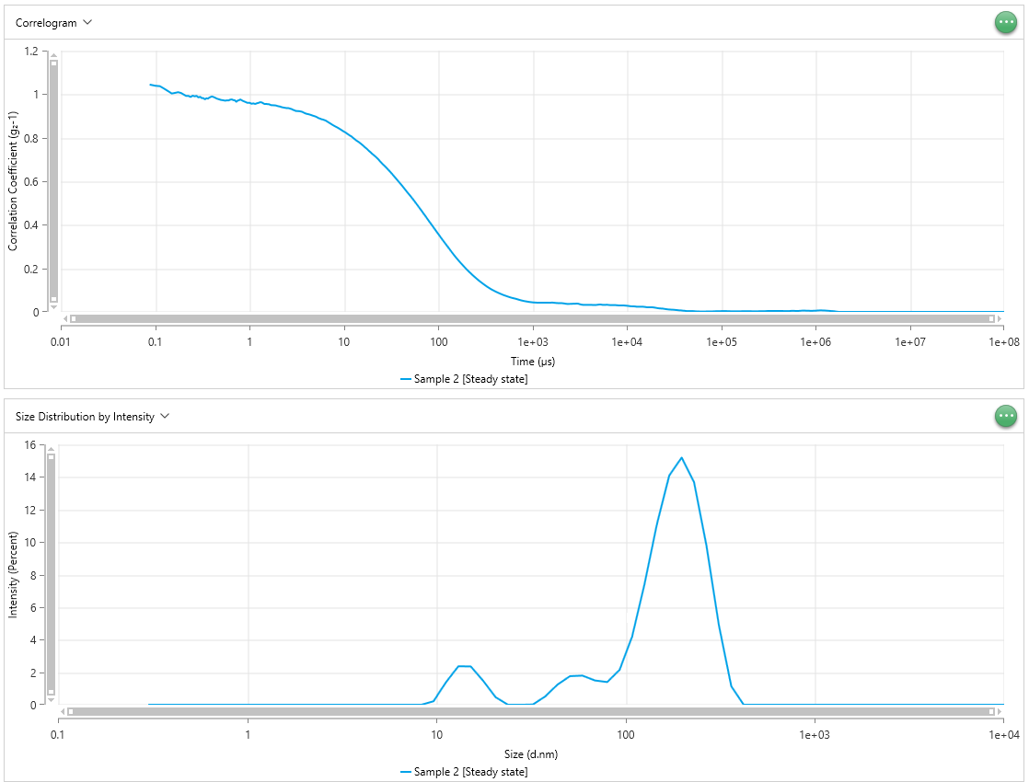
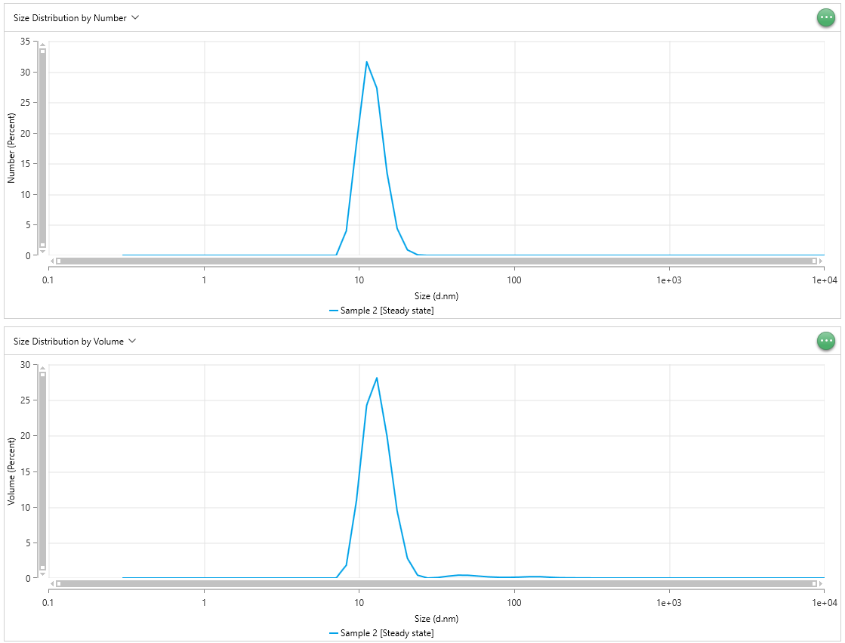
Time (µs) - Sample 2 [Steady state] | Correlation Coefficient (g₂-1) - Sample 2 [Steady state] | Time (µs) - Sample 2 [Steady state] | Correlation Coefficient (g₂-1) - Sample 2 [Steady state] | Time (µs) - Sample 2 [Steady state] | Correlation Coefficient (g₂-1) - Sample 2 [Steady state] | Size (d.nm) - Sample 2 [Steady state] | Intensity (Percent) - Sample 2 [Steady state] | Size (d.nm) - Sample 2 [Steady state] | Intensity (Percent) - Sample 2 [Steady state] | Size (d.nm) - Sample 2 [Steady state] | Intensity (Percent) - Sample 2 [Steady state] | Size (d.nm) - Sample 2 [Steady state] | Number (Percent) - Sample 2 [Steady state] | Size (d.nm) - Sample 2 [Steady state] | Number (Percent) - Sample 2 [Steady state] | Size (d.nm) - Sample 2 [Steady state] | Number (Percent) - Sample 2 [Steady state] | Size (d.nm) - Sample 2 [Steady state] | Volume (Percent) - Sample 2 [Steady state] | Size (d.nm) - Sample 2 [Steady state] | Volume (Percent) - Sample 2 [Steady state] | Size (d.nm) - Sample 2 [Steady state] | Volume (Percent) - Sample 2 [Steady state]
0.0875 | 1.044 | 0.0875 | 1.062 | 0.0875 | 1.063 | 0.3 | 0 | 0.3 | 0 | 0.3 | 0 | 0.3 | 0 | 0.3 | 0 | 0.3 | 0 | 0.3 | 0 | 0.3 | 0 | 0.3 | 0
0.1 | 1.039 | 0.1 | 1.057 | 0.1 | 1.058 | 0.3489 | 0 | 0.3489 | 0 | 0.3489 | 0 | 0.3489 | 0 | 0.3489 | 0 | 0.3489 | 0 | 0.3489 | 0 | 0.3489 | 0 | 0.3489 | 0
0.1125 | 1.037 | 0.1125 | 1.042 | 0.1125 | 1.045 | 0.4057 | 0 | 0.4057 | 0 | 0.4057 | 0 | 0.4057 | 0 | 0.4057 | 0 | 0.4057 | 0 | 0.4057 | 0 | 0.4057 | 0 | 0.4057 | 0
0.125 | 1.025 | 0.125 | 1.031 | 0.125 | 1.038 | 0.4718 | 0 | 0.4718 | 0 | 0.4718 | 0 | 0.4718 | 0 | 0.4718 | 0 | 0.4718 | 0 | 0.4718 | 0 | 0.4718 | 0 | 0.4718 | 0
0.1375 | 1.014 | 0.1375 | 1.021 | 0.1375 | 1.029 | 0.5487 | 0 | 0.5487 | 0 | 0.5487 | 0 | 0.5487 | 0 | 0.5487 | 0 | 0.5487 | 0 | 0.5487 | 0 | 0.5487 | 0 | 0.5487 | 0
0.15 | 1.003 | 0.15 | 1.02 | 0.15 | 1.028 | 0.6381 | 0 | 0.6381 | 0 | 0.6381 | 0 | 0.6381 | 0 | 0.6381 | 0 | 0.6381 | 0 | 0.6381 | 0 | 0.6381 | 0 | 0.6381 | 0
0.1625 | 1.006 | 0.1625 | 1.021 | 0.1625 | 1.021 | 0.742 | 0 | 0.742 | 0 | 0.742 | 0 | 0.742 | 0 | 0.742 | 0 | 0.742 | 0 | 0.742 | 0 | 0.742 | 0 | 0.742 | 0
0.175 | 1.009 | 0.175 | 1.026 | 0.175 | 1.019 | 0.8629 | 0 | 0.8629 | 0 | 0.8629 | 0 | 0.8629 | 0 | 0.8629 | 0 | 0.8629 | 0 | 0.8629 | 0 | 0.8629 | 0 | 0.8629 | 0
0.1875 | 1.006 | 0.1875 | 1.029 | 0.1875 | 1.017 | 1.003 | 0 | 1.003 | 0 | 1.003 | 0 | 1.003 | 0 | 1.003 | 0 | 1.003 | 0 | 1.003 | 0 | 1.003 | 0 | 1.003 | 0
0.2 | 0.9989 | 0.2 | 1.027 | 0.2 | 1.009 | 1.167 | 0 | 1.167 | 0 | 1.167 | 0 | 1.167 | 0 | 1.167 | 0 | 1.167 | 0 | 1.167 | 0 | 1.167 | 0 | 1.167 | 0
0.2125 | 0.9921 | 0.2125 | 1.013 | 0.2125 | 1.004 | 1.357 | 0 | 1.357 | 0 | 1.357 | 0 | 1.357 | 0 | 1.357 | 0 | 1.357 | 0 | 1.357 | 0 | 1.357 | 0 | 1.357 | 0
0.225 | 0.9924 | 0.225 | 1.007 | 0.225 | 0.9984 | 1.578 | 0 | 1.578 | 0 | 1.578 | 0 | 1.578 | 0 | 1.578 | 0 | 1.578 | 0 | 1.578 | 0 | 1.578 | 0 | 1.578 | 0
0.2375 | 0.9871 | 0.2375 | 1.005 | 0.2375 | 1.002 | 1.835 | 0 | 1.835 | 0 | 1.835 | 0 | 1.835 | 0 | 1.835 | 0 | 1.835 | 0 | 1.835 | 0 | 1.835 | 0 | 1.835 | 0
0.25 | 0.9932 | 0.25 | 1.005 | 0.25 | 1.001 | 2.134 | 0 | 2.134 | 0 | 2.134 | 0 | 2.134 | 0 | 2.134 | 0 | 2.134 | 0 | 2.134 | 0 | 2.134 | 0 | 2.134 | 0
0.2625 | 0.9902 | 0.2625 | 1.01 | 0.2625 | 0.9991 | 2.482 | 0 | 2.482 | 0 | 2.482 | 0 | 2.482 | 0 | 2.482 | 0 | 2.482 | 0 | 2.482 | 0 | 2.482 | 0 | 2.482 | 0
0.275 | 0.9924 | 0.275 | 1.01 | 0.275 | 0.9986 | 2.886 | 0 | 2.886 | 0 | 2.886 | 0 | 2.886 | 0 | 2.886 | 0 | 2.886 | 0 | 2.886 | 0 | 2.886 | 0 | 2.886 | 0
0.2875 | 0.9852 | 0.2875 | 1.013 | 0.2875 | 0.9944 | 3.357 | 0 | 3.357 | 0 | 3.357 | 0 | 3.357 | 0 | 3.357 | 0 | 3.357 | 0 | 3.357 | 0 | 3.357 | 0 | 3.357 | 0
0.3 | 0.9881 | 0.3 | 1.004 | 0.3 | 0.9972 | 3.903 | 0 | 3.903 | 0 | 3.903 | 0 | 3.903 | 0 | 3.903 | 0 | 3.903 | 0 | 3.903 | 0 | 3.903 | 0 | 3.903 | 0
0.3125 | 0.9819 | 0.3125 | 1.007 | 0.3125 | 0.999 | 4.539 | 0 | 4.539 | 0 | 4.539 | 0 | 4.539 | 0 | 4.539 | 0 | 4.539 | 0 | 4.539 | 0 | 4.539 | 0 | 4.539 | 0
0.325 | 0.9819 | 0.325 | 1.007 | 0.325 | 1.005 | 5.279 | 0 | 5.279 | 0 | 5.279 | 0 | 5.279 | 0 | 5.279 | 0 | 5.279 | 0 | 5.279 | 0 | 5.279 | 0 | 5.279 | 0
0.3375 | 0.976 | 0.3375 | 1.013 | 0.3375 | 1.005 | 6.139 | 0 | 6.139 | 0 | 6.139 | 0 | 6.139 | 0 | 6.139 | 0 | 6.139 | 0 | 6.139 | 0 | 6.139 | 0 | 6.139 | 0
0.35 | 0.9816 | 0.35 | 1.006 | 0.35 | 1 | 7.139 | 0 | 7.139 | 0 | 7.139 | 0 | 7.139 | 0 | 7.139 | 0 | 7.139 | 9.262 | 7.139 | 0 | 7.139 | 0 | 7.139 | 4.885
0.3625 | 0.9795 | 0.3625 | 1.003 | 0.3625 | 0.997 | 8.302 | 0 | 8.302 | 0 | 8.302 | 0.5276 | 8.302 | 3.996 | 8.302 | 0 | 8.302 | 27.43 | 8.302 | 1.803 | 8.302 | 0 | 8.302 | 17.16
0.375 | 0.9844 | 0.375 | 0.9982 | 0.375 | 0.9965 | 9.655 | 0.2185 | 9.655 | 0 | 9.655 | 1.254 | 9.655 | 18.24 | 9.655 | 0 | 9.655 | 31.7 | 9.655 | 10.88 | 9.655 | 0 | 9.655 | 25.69
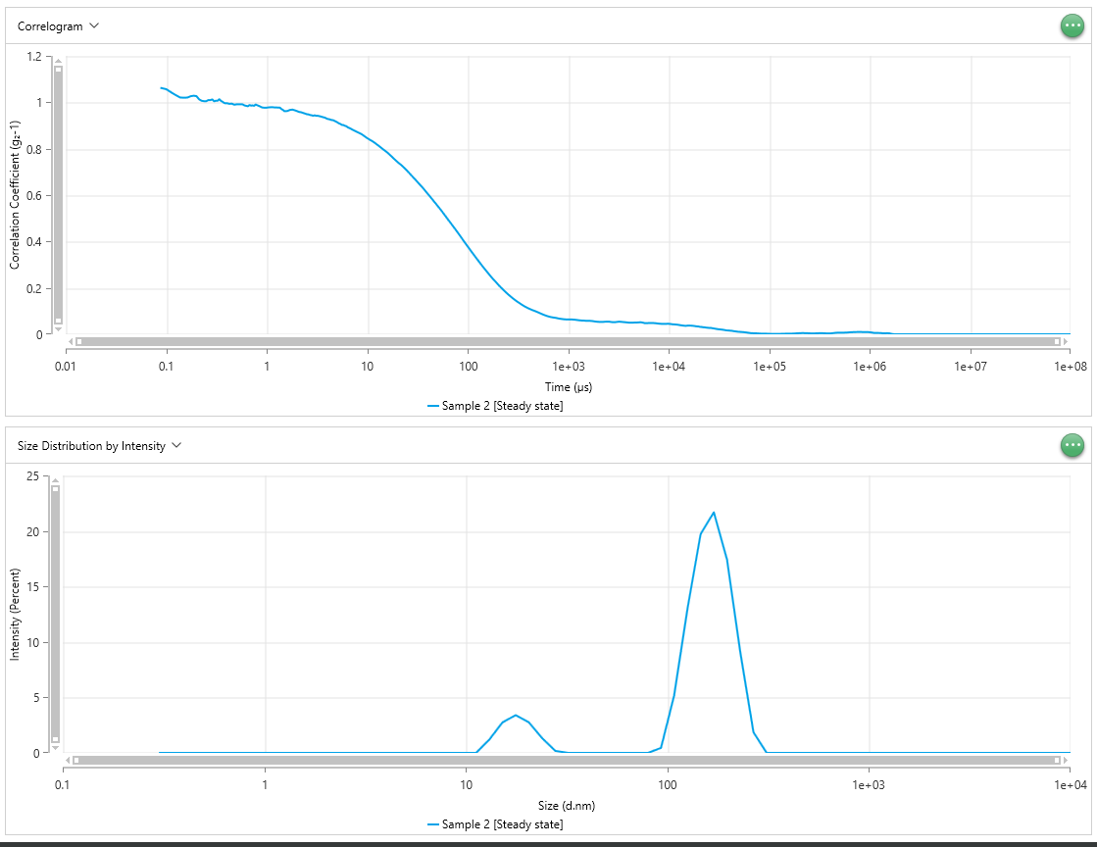
0.3875 | 0.9873 | 0.3875 | 0.996 | 0.3875 | 0.9964 | 11.23 | 1.386 | 11.23 | 0 | 11.23 | 1.611 | 11.23 | 31.58 | 11.23 | 9.665 | 11.23 | 19.79 | 11.23 | 24.25 | 11.23 | 5.561 | 11.23 | 22.8
0.4 | 0.9899 | 0.4 | 0.9964 | 0.4 | 0.9942 | 13.06 | 2.368 | 13.06 | 1.191 | 13.06 | 1.403 | 13.06 | 27.27 | 13.06 | 28.35 | 13.06 | 8.292 | 13.06 | 28.09 | 13.06 | 19.28 | 13.06 | 14.03
0.425 | 0.9854 | 0.425 | 0.9937 | 0.425 | 0.994 | 15.18 | 2.353 | 15.18 | 2.745 | 15.18 | 0.866 | 15.18 | 13.5 | 15.18 | 32.22 | 15.18 | 2.525 | 15.18 | 19.89 | 15.18 | 28.32 | 15.18 | 6.38
0.45 | 0.9797 | 0.45 | 0.9943 | 0.45 | 0.9917 | 17.66 | 1.469 | 17.66 | 3.409 | 17.66 | 0.4258 | 17.66 | 4.379 | 17.66 | 19.56 | 17.66 | 0.6 | 17.66 | 9.37 | 17.66 | 24.37 | 17.66 | 2.382
0.475 | 0.9767 | 0.475 | 0.9899 | 0.475 | 0.9912 | 20.53 | 0.4639 | 20.53 | 2.756 | 20.53 | 0.4027 | 20.53 | 0.9035 | 20.53 | 7.786 | 20.53 | 0.1686 | 20.53 | 2.785 | 20.53 | 14.11 | 20.53 | 1.227
0.5 | 0.9735 | 0.5 | 0.9914 | 0.5 | 0.9892 | 23.88 | 0 | 23.88 | 1.334 | 23.88 | 0.8212 | 23.88 | 0.092 | 23.88 | 2.08 | 23.88 | 0.09998 | 23.88 | 0.3993 | 23.88 | 5.454 | 23.88 | 1.241
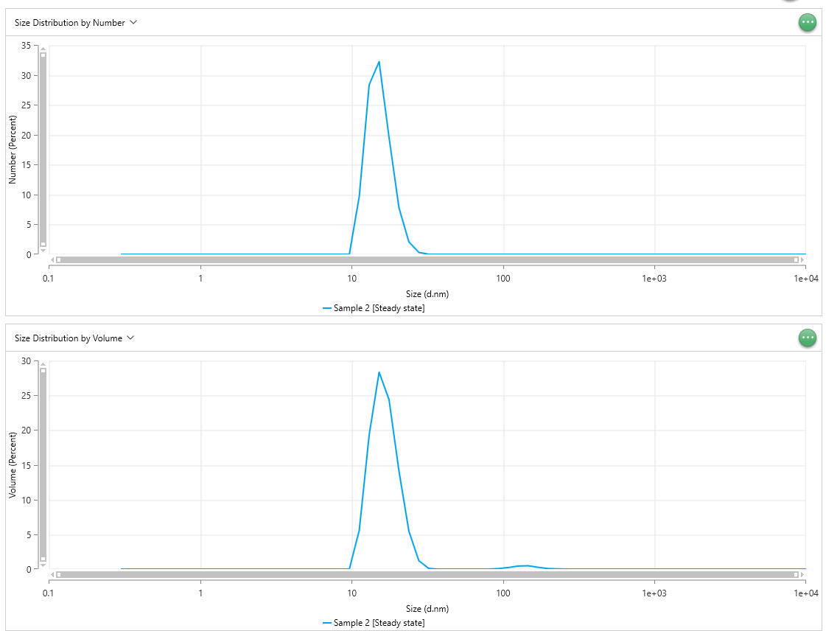
0.525 | 0.9722 | 0.525 | 0.9916 | 0.525 | 0.9913 | 27.77 | 0 | 27.77 | 0.1847 | 27.77 | 1.405 | 27.77 | 0.000225 | 27.77 | 0.3233 | 27.77 | 0.07011 | 27.77 | 0.003798 | 27.77 | 1.204 | 27.77 | 1.301
0.55 | 0.9703 | 0.55 | 0.9913 | 0.55 | 0.9893 | 32.3 | 0.01704 | 32.3 | 0 | 32.3 | 1.752 | 32.3 | 0.003194 | 32.3 | 0.01631 | 32.3 | 0.03904 | 32.3 | 0.08046 | 32.3 | 0.09028 | 32.3 | 1.07
0.575 | 0.9716 | 0.575 | 0.9914 | 0.575 | 0.9914 | 37.56 | 0.5115 | 37.56 | 0 | 37.56 | 1.589 | 37.56 | 0.008431 | 37.56 | 0 | 37.56 | 0.01643 | 37.56 | 0.2631 | 37.56 | 0 | 37.56 | 0.6656
0.6 | 0.9712 | 0.6 | 0.9868 | 0.6 | 0.9903 | 43.68 | 1.246 | 43.68 | 0 | 43.68 | 0.9756 | 43.68 | 0.00975 | 43.68 | 0 | 43.68 | 0.005068 | 43.68 | 0.403 | 43.68 | 0 | 43.68 | 0.3011
0.625 | 0.9749 | 0.625 | 0.9848 | 0.625 | 0.9899 | 50.79 | 1.76 | 50.79 | 0 | 50.79 | 0.3004 | 50.79 | 0.00651 | 50.79 | 0 | 50.79 | 0.001035 | 50.79 | 0.3872 | 50.79 | 0 | 50.79 | 0.08858
0.65 | 0.9759 | 0.65 | 0.9831 | 0.65 | 0.9887 | 59.07 | 1.792 | 59.07 | 0 | 59.07 | 0 | 59.07 | 0.003103 | 59.07 | 0 | 59.07 | 0.0001039 | 59.07 | 0.2749 | 59.07 | 0 | 59.07 | 0.01255
0.675 | 0.9729 | 0.675 | 0.9885 | 0.675 | 0.987 | 68.69 | 1.495 | 68.69 | 0 | 68.69 | 0 | 68.69 | 0.001194 | 68.69 | 0 | 68.69 | 0 | 68.69 | 0.1634 | 68.69 | 0 | 68.69 | 0
0.7 | 0.972 | 0.7 | 0.9858 | 0.7 | 0.9862 | 79.88 | 1.396 | 79.88 | 0 | 79.88 | 0 | 79.88 | 0.00046 | 79.88 | 3.32E-05 | 79.88 | 1.30E-05 | 79.88 | 0.1051 | 79.88 | 0.006883 | 79.88 | 0.009608
0.725 | 0.9651 | 0.725 | 0.9869 | 0.725 | 0.9811 | 92.89 | 2.145 | 92.89 | 0.4519 | 92.89 | 1.236 | 92.89 | 0.0002554 | 92.89 | 0.0002387 | 92.89 | 5.04E-05 | 92.89 | 0.1015 | 92.89 | 0.06989 | 92.89 | 0.04759
0.75 | 0.9707 | 0.75 | 0.9847 | 0.75 | 0.981 | 108 | 4.171 | 108 | 5.196 | 108 | 5.148 | 108 | 0.0002053 | 108 | 0.0005926 | 108 | 8.80E-05 | 108 | 0.1327 | 108 | 0.2292 | 108 | 0.1142
0.775 | 0.9724 | 0.775 | 0.9911 | 0.775 | 0.9773 | 125.6 | 7.384 | 125.6 | 12.93 | 125.6 | 11.01 | 125.6 | 0.0001844 | 125.6 | 0.0008094 | 125.6 | 0.0001018 | 125.6 | 0.1892 | 125.6 | 0.4435 | 125.6 | 0.1958
0.8 | 0.976 | 0.8 | 0.9881 | 0.8 | 0.9779 | 146.1 | 11.08 | 146.1 | 19.72 | 146.1 | 16.59 | 146.1 | 0.0001385 | 146.1 | 0.0006606 | 146.1 | 8.01E-05 | 146.1 | 0.1974 | 146.1 | 0.4835 | 146.1 | 0.2092
0.85 | 0.9693 | 0.85 | 0.9832 | 0.85 | 0.9775 | 169.9 | 14.08 | 169.9 | 21.69 | 169.9 | 19.28 | 169.9 | 6.06E-05 | 169.9 | 0.000278 | 169.9 | 3.41E-05 | 169.9 | 0.1145 | 169.9 | 0.2631 | 169.9 | 0.1163
0.9 | 0.9648 | 0.9 | 0.9778 | 0.9 | 0.9808 | 197.6 | 15.19 | 197.6 | 17.42 | 197.6 | 17.45 | 197.6 | 1.43E-05 | 197.6 | 5.09E-05 | 197.6 | 6.88E-06 | 197.6 | 0.0478 | 197.6 | 0.08153 | 197.6 | 0.04039
0.95 | 0.9604 | 0.95 | 0.9767 | 0.95 | 0.9835 | 229.8 | 13.67 | 229.8 | 9.117 | 229.8 | 11.54 | 229.8 | 5.92E-06 | 229.8 | 1.37E-05 | 229.8 | 2.19E-06 | 229.8 | 0.03165 | 229.8 | 0.0333 | 229.8 | 0.01995
1 | 0.9608 | 1 | 0.9771 | 1 | 0.9812 | 267.2 | 9.773 | 267.2 | 1.864 | 267.2 | 4.404 | 267.2 | 2.58E-06 | 267.2 | 2.86E-06 | 267.2 | 6.09E-07 | 267.2 | 0.02138 | 267.2 | 0.009995 | 267.2 | 0.008068
1.05 | 0.9562 | 1.05 | 0.9783 | 1.05 | 0.9785 | 310.7 | 4.896 | 310.7 | 0 | 310.7 | 0 | 310.7 | 9.92E-07 | 310.7 | 2.92E-07 | 310.7 | 9.86E-08 | 310.7 | 0.01212 | 310.7 | 0.001438 | 310.7 | 0.001734
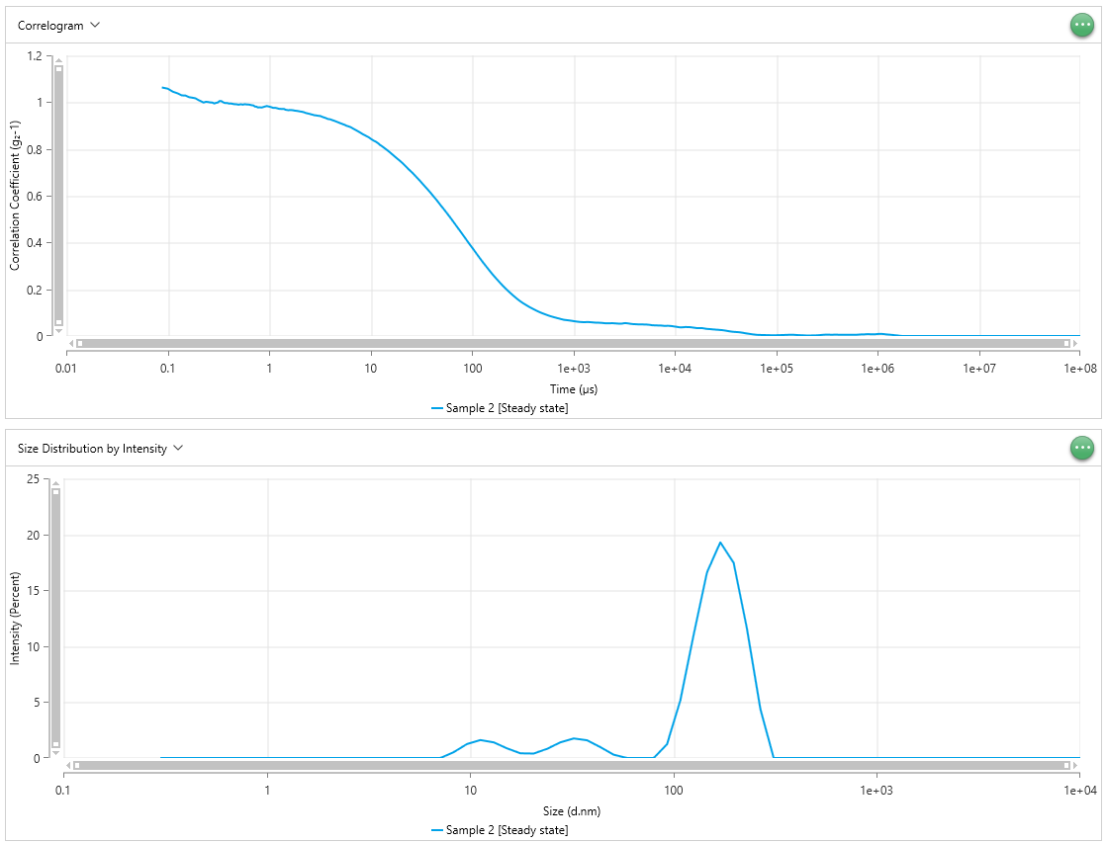
1.1 | 0.9578 | 1.1 | 0.979 | 1.1 | 0.9756 | 361.3 | 1.137 | 361.3 | 0 | 361.3 | 0 | 361.3 | 2.65E-07 | 361.3 | 0 | 361.3 | 0 | 361.3 | 0.004566 | 361.3 | 0 | 361.3 | 0
1.15 | 0.9552 | 1.15 | 0.9791 | 1.15 | 0.976 | 420.2 | 0 | 420.2 | 0 | 420.2 | 0 | 420.2 | 3.39E-08 | 420.2 | 0 | 420.2 | 0 | 420.2 | 0.000801 | 420.2 | 0 | 420.2 | 0
1.2 | 0.9584 | 1.2 | 0.9778 | 1.2 | 0.974 | 488.7 | 0 | 488.7 | 0 | 488.7 | 0 | 488.7 | 0 | 488.7 | 0 | 488.7 | 0 | 488.7 | 0 | 488.7 | 0 | 488.7 | 0
1.25 | 0.9604 | 1.25 | 0.978 | 1.25 | 0.9718 | 568.3 | 0 | 568.3 | 0 | 568.3 | 0 | 568.3 | 0 | 568.3 | 0 | 568.3 | 0 | 568.3 | 0 | 568.3 | 0 | 568.3 | 0
1.3 | 0.9634 | 1.3 | 0.9772 | 1.3 | 0.9713 | 660.9 | 0 | 660.9 | 0 | 660.9 | 0 | 660.9 | 0 | 660.9 | 0 | 660.9 | 0 | 660.9 | 0 | 660.9 | 0 | 660.9 | 0
1.35 | 0.9622 | 1.35 | 0.9774 | 1.35 | 0.9709 | 768.5 | 0 | 768.5 | 0 | 768.5 | 0 | 768.5 | 0 | 768.5 | 0 | 768.5 | 0 | 768.5 | 0 | 768.5 | 0 | 768.5 | 0
1.4 | 0.9581 | 1.4 | 0.9711 | 1.4 | 0.9712 | 893.8 | 0 | 893.8 | 0 | 893.8 | 0 | 893.8 | 0 | 893.8 | 0 | 893.8 | 0 | 893.8 | 0 | 893.8 | 0 | 893.8 | 0
1.45 | 0.9548 | 1.45 | 0.9676 | 1.45 | 0.9677 | 1039 | 0 | 1039 | 0 | 1039 | 0 | 1039 | 0 | 1039 | 0 | 1039 | 0 | 1039 | 0 | 1039 | 0 | 1039 | 0
1.5 | 0.9555 | 1.5 | 0.9618 | 1.5 | 0.9666 | 1209 | 0 | 1209 | 0 | 1209 | 0 | 1209 | 0 | 1209 | 0 | 1209 | 0 | 1209 | 0 | 1209 | 0 | 1209 | 0
1.55 | 0.9544 | 1.55 | 0.9619 | 1.55 | 0.9656 | 1406 | 0 | 1406 | 0 | 1406 | 0 | 1406 | 0 | 1406 | 0 | 1406 | 0 | 1406 | 0 | 1406 | 0 | 1406 | 0
1.6 | 0.9542 | 1.6 | 0.9626 | 1.6 | 0.9666 | 1635 | 0 | 1635 | 0 | 1635 | 0 | 1635 | 0 | 1635 | 0 | 1635 | 0 | 1635 | 0 | 1635 | 0 | 1635 | 0
1.7 | 0.9497 | 1.7 | 0.967 | 1.7 | 0.9658 | 1901 | 0 | 1901 | 0 | 1901 | 0 | 1901 | 0 | 1901 | 0 | 1901 | 0 | 1901 | 0 | 1901 | 0 | 1901 | 0
1.8 | 0.9492 | 1.8 | 0.9687 | 1.8 | 0.9637 | 2211 | 0 | 2211 | 0 | 2211 | 0 | 2211 | 0 | 2211 | 0 | 2211 | 0 | 2211 | 0 | 2211 | 0 | 2211 | 0
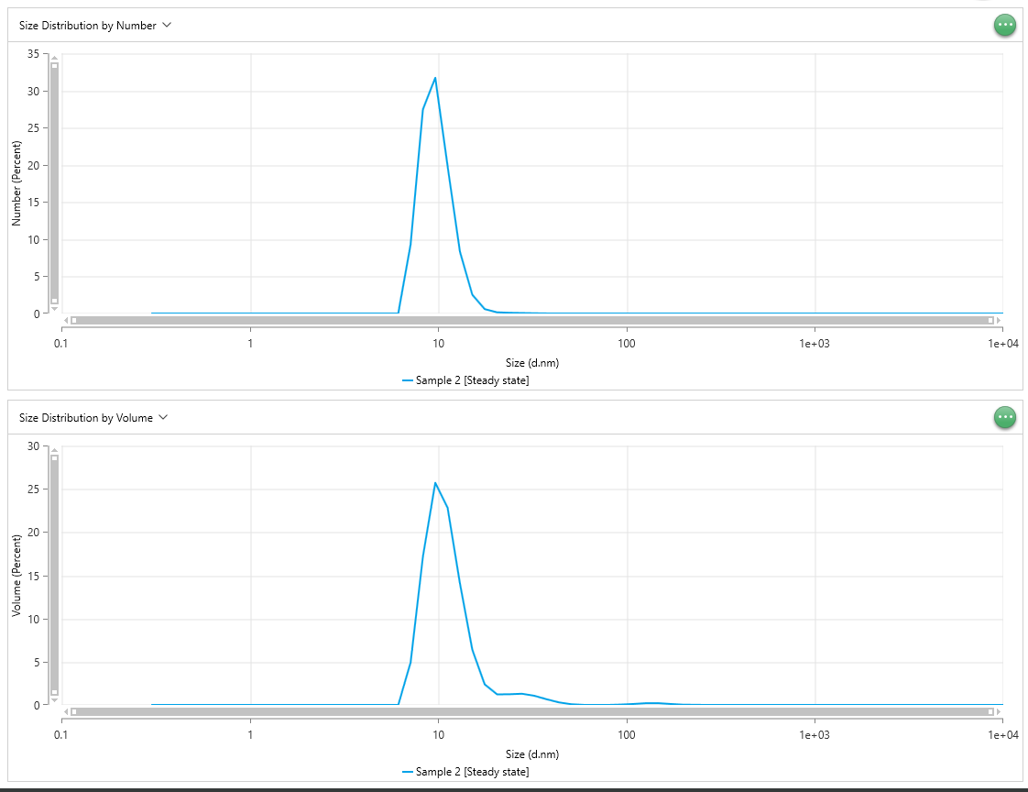
1.9 | 0.9483 | 1.9 | 0.9657 | 1.9 | 0.9626 | 2571 | 0 | 2571 | 0 | 2571 | 0 | 2571 | 0 | 2571 | 0 | 2571 | 0 | 2571 | 0 | 2571 | 0 | 2571 | 0
2 | 0.9452 | 2 | 0.9623 | 2 | 0.9606 | 2990 | 0 | 2990 | 0 | 2990 | 0 | 2990 | 0 | 2990 | 0 | 2990 | 0 | 2990 | 0 | 2990 | 0 | 2990 | 0
2.1 | 0.9434 | 2.1 | 0.9585 | 2.1 | 0.9592 | 3477 | 0 | 3477 | 0 | 3477 | 0 | 3477 | 0 | 3477 | 0 | 3477 | 0 | 3477 | 0 | 3477 | 0 | 3477 | 0
2.2 | 0.9403 | 2.2 | 0.9574 | 2.2 | 0.9572 | 4043 | 0 | 4043 | 0 | 4043 | 0 | 4043 | 0 | 4043 | 0 | 4043 | 0 | 4043 | 0 | 4043 | 0 | 4043 | 0
2.3 | 0.9387 | 2.3 | 0.9543 | 2.3 | 0.9538 | 4702 | 0 | 4702 | 0 | 4702 | 0 | 4702 | 0 | 4702 | 0 | 4702 | 0 | 4702 | 0 | 4702 | 0 | 4702 | 0
2.4 | 0.9371 | 2.4 | 0.9519 | 2.4 | 0.952 | 5468 | 0 | 5468 | 0 | 5468 | 0 | 5468 | 0 | 5468 | 0 | 5468 | 0 | 5468 | 0 | 5468 | 0 | 5468 | 0
2.5 | 0.9358 | 2.5 | 0.9488 | 2.5 | 0.9501 | 6358 | 0 | 6358 | 0 | 6358 | 0 | 6358 | 0 | 6358 | 0 | 6358 | 0 | 6358 | 0 | 6358 | 0 | 6358 | 0
2.6 | 0.9359 | 2.6 | 0.948 | 2.6 | 0.9479 | 7394 | 0 | 7394 | 0 | 7394 | 0 | 7394 | 0 | 7394 | 0 | 7394 | 0 | 7394 | 0 | 7394 | 0 | 7394 | 0
2.7 | 0.9337 | 2.7 | 0.9453 | 2.7 | 0.9463 | 8599 | 0 | 8599 | 0 | 8599 | 0 | 8599 | 0 | 8599 | 0 | 8599 | 0 | 8599 | 0 | 8599 | 0 | 8599 | 0
2.8 | 0.9316 | 2.8 | 0.9442 | 2.8 | 0.9441 | 1.00E+04 | 0 | 1.00E+04 | 0 | 1.00E+04 | 0 | 1.00E+04 | 0 | 1.00E+04 | 0 | 1.00E+04 | 0 | 1.00E+04 | 0 | 1.00E+04 | 0 | 1.00E+04 | 0
2.9 | 0.928 | 2.9 | 0.9421 | 2.9 | 0.9436
3 | 0.9262 | 3 | 0.9441 | 3 | 0.9424
3.1 | 0.9227 | 3.1 | 0.9421 | 3.1 | 0.9414
3.2 | 0.9227 | 3.2 | 0.9424 | 3.2 | 0.9408
3.4 | 0.9218 | 3.4 | 0.9397 | 3.4 | 0.936
3.6 | 0.9195 | 3.6 | 0.9366 | 3.6 | 0.9326
3.8 | 0.9143 | 3.8 | 0.934 | 3.8 | 0.9282
4 | 0.9103 | 4 | 0.9289 | 4 | 0.9268
4.2 | 0.9083 | 4.2 | 0.927 | 4.2 | 0.9234
4.4 | 0.9059 | 4.4 | 0.9241 | 4.4 | 0.9204
4.6 | 0.9028 | 4.6 | 0.9228 | 4.6 | 0.917
4.8 | 0.9003 | 4.8 | 0.9186 | 4.8 | 0.9139
5 | 0.8978 | 5 | 0.915 | 5 | 0.9106
5.2 | 0.8944 | 5.2 | 0.91 | 5.2 | 0.9078
5.4 | 0.8902 | 5.4 | 0.907 | 5.4 | 0.9051
5.6 | 0.8879 | 5.6 | 0.9027 | 5.6 | 0.9025
5.8 | 0.8849 | 5.8 | 0.9022 | 5.8 | 0.899
6 | 0.8838 | 6 | 0.8989 | 6 | 0.8973
6.2 | 0.8812 | 6.2 | 0.8973 | 6.2 | 0.8949
6.4 | 0.8793 | 6.4 | 0.8923 | 6.4 | 0.8928
6.8 | 0.8721 | 6.8 | 0.8873 | 6.8 | 0.886
7.2 | 0.8654 | 7.2 | 0.8813 | 7.2 | 0.8802
7.6 | 0.8589 | 7.6 | 0.8764 | 7.6 | 0.8745
8 | 0.8534 | 8 | 0.8715 | 8 | 0.8688
8.4 | 0.8487 | 8.4 | 0.8672 | 8.4 | 0.8628
8.8 | 0.8438 | 8.8 | 0.8628 | 8.8 | 0.8586
9.2 | 0.8385 | 9.2 | 0.8568 | 9.2 | 0.854
9.6 | 0.8333 | 9.6 | 0.8512 | 9.6 | 0.8498
10 | 0.8284 | 10 | 0.8457 | 10 | 0.8443
10.4 | 0.8245 | 10.4 | 0.8413 | 10.4 | 0.8393
10.8 | 0.8191 | 10.8 | 0.8368 | 10.8 | 0.8348
11.2 | 0.8147 | 11.2 | 0.8332 | 11.2 | 0.8318
11.6 | 0.8099 | 11.6 | 0.8286 | 11.6 | 0.8272
12 | 0.8066 | 12 | 0.8244 | 12 | 0.8229
12.4 | 0.8011 | 12.4 | 0.8193 | 12.4 | 0.8171
12.8 | 0.7963 | 12.8 | 0.8151 | 12.8 | 0.8135
13.6 | 0.787 | 13.6 | 0.806 | 13.6 | 0.8049
14.4 | 0.7803 | 14.4 | 0.7975 | 14.4 | 0.7968
15.2 | 0.7723 | 15.2 | 0.7899 | 15.2 | 0.7888
16 | 0.7642 | 16 | 0.7823 | 16 | 0.7805
16.8 | 0.7556 | 16.8 | 0.7738 | 16.8 | 0.7728
17.6 | 0.7486 | 17.6 | 0.7657 | 17.6 | 0.7652
18.4 | 0.7402 | 18.4 | 0.7574 | 18.4 | 0.7582
19.2 | 0.7335 | 19.2 | 0.7502 | 19.2 | 0.7517
20 | 0.726 | 20 | 0.7432 | 20 | 0.7449
20.8 | 0.72 | 20.8 | 0.7369 | 20.8 | 0.7383
21.6 | 0.7139 | 21.6 | 0.7314 | 21.6 | 0.7312
22.4 | 0.7076 | 22.4 | 0.7253 | 22.4 | 0.7244
23.2 | 0.7012 | 23.2 | 0.719 | 23.2 | 0.7176
24 | 0.6936 | 24 | 0.7128 | 24 | 0.7114
24.8 | 0.6869 | 24.8 | 0.7066 | 24.8 | 0.7055
25.6 | 0.6805 | 25.6 | 0.7001 | 25.6 | 0.7
27.2 | 0.6696 | 27.2 | 0.6875 | 27.2 | 0.6882
28.8 | 0.6585 | 28.8 | 0.6759 | 28.8 | 0.6767
30.4 | 0.6477 | 30.4 | 0.6652 | 30.4 | 0.6659
32 | 0.637 | 32 | 0.6544 | 32 | 0.6552
33.6 | 0.6264 | 33.6 | 0.6444 | 33.6 | 0.6448
35.2 | 0.616 | 35.2 | 0.6349 | 35.2 | 0.6349
36.8 | 0.6061 | 36.8 | 0.6251 | 36.8 | 0.6258
38.4 | 0.5968 | 38.4 | 0.6151 | 38.4 | 0.6166
40 | 0.5878 | 40 | 0.6059 | 40 | 0.6073
41.6 | 0.5789 | 41.6 | 0.5975 | 41.6 | 0.5983
43.2 | 0.5699 | 43.2 | 0.5884 | 43.2 | 0.5899
44.8 | 0.5613 | 44.8 | 0.5805 | 44.8 | 0.5817
46.4 | 0.5529 | 46.4 | 0.5716 | 46.4 | 0.5732
48 | 0.5453 | 48 | 0.5644 | 48 | 0.565
49.6 | 0.5379 | 49.6 | 0.5564 | 49.6 | 0.557
51.2 | 0.5307 | 51.2 | 0.5491 | 51.2 | 0.5497
54.4 | 0.5161 | 54.4 | 0.5349 | 54.4 | 0.5354
57.6 | 0.5018 | 57.6 | 0.5205 | 57.6 | 0.5214
60.8 | 0.4884 | 60.8 | 0.507 | 60.8 | 0.5081
64 | 0.4753 | 64 | 0.4936 | 64 | 0.495
67.2 | 0.4627 | 67.2 | 0.4818 | 67.2 | 0.4825
70.4 | 0.4504 | 70.4 | 0.4699 | 70.4 | 0.4703
73.6 | 0.439 | 73.6 | 0.459 | 73.6 | 0.4588
76.8 | 0.4276 | 76.8 | 0.4479 | 76.8 | 0.4479
80 | 0.4169 | 80 | 0.4376 | 80 | 0.4374
83.2 | 0.4067 | 83.2 | 0.4272 | 83.2 | 0.4271
86.4 | 0.397 | 86.4 | 0.4173 | 86.4 | 0.4171
89.6 | 0.3874 | 89.6 | 0.4074 | 89.6 | 0.4073
92.8 | 0.378 | 92.8 | 0.3982 | 92.8 | 0.3982
96 | 0.3693 | 96 | 0.3895 | 96 | 0.3894
99.2 | 0.3608 | 99.2 | 0.381 | 99.2 | 0.3813
102.4 | 0.3527 | 102.4 | 0.3729 | 102.4 | 0.3732
108.8 | 0.3369 | 108.8 | 0.3571 | 108.8 | 0.3576
115.2 | 0.3223 | 115.2 | 0.3427 | 115.2 | 0.3425
121.6 | 0.3088 | 121.6 | 0.3291 | 121.6 | 0.3288
128 | 0.2961 | 128 | 0.3164 | 128 | 0.3161
134.4 | 0.2838 | 134.4 | 0.3044 | 134.4 | 0.3044
140.8 | 0.2721 | 140.8 | 0.2932 | 140.8 | 0.2933
147.2 | 0.2613 | 147.2 | 0.2826 | 147.2 | 0.2827
153.6 | 0.2514 | 153.6 | 0.2728 | 153.6 | 0.2728
160 | 0.2423 | 160 | 0.2634 | 160 | 0.2634
166.4 | 0.2336 | 166.4 | 0.2543 | 166.4 | 0.2548
172.8 | 0.2257 | 172.8 | 0.2458 | 172.8 | 0.2468
179.2 | 0.2181 | 179.2 | 0.238 | 179.2 | 0.2392
185.6 | 0.2109 | 185.6 | 0.2312 | 185.6 | 0.232
192 | 0.204 | 192 | 0.2241 | 192 | 0.225
198.4 | 0.1974 | 198.4 | 0.2172 | 198.4 | 0.2184
204.8 | 0.1915 | 204.8 | 0.2107 | 204.8 | 0.2123
217.6 | 0.1803 | 217.6 | 0.1991 | 217.6 | 0.201
230.4 | 0.1702 | 230.4 | 0.1885 | 230.4 | 0.1906
243.2 | 0.1611 | 243.2 | 0.1789 | 243.2 | 0.1814
256 | 0.1526 | 256 | 0.1702 | 256 | 0.1728
268.8 | 0.1449 | 268.8 | 0.1624 | 268.8 | 0.165
281.6 | 0.1379 | 281.6 | 0.1552 | 281.6 | 0.1577
294.4 | 0.1316 | 294.4 | 0.1487 | 294.4 | 0.1512
307.2 | 0.1258 | 307.2 | 0.1429 | 307.2 | 0.1455
320 | 0.1202 | 320 | 0.1376 | 320 | 0.1404
332.8 | 0.115 | 332.8 | 0.1328 | 332.8 | 0.1358
345.6 | 0.1105 | 345.6 | 0.128 | 345.6 | 0.1315
358.4 | 0.1062 | 358.4 | 0.1237 | 358.4 | 0.1275
371.2 | 0.1025 | 371.2 | 0.1198 | 371.2 | 0.1237
384 | 0.09899 | 384 | 0.1165 | 384 | 0.1203
396.8 | 0.09579 | 396.8 | 0.1132 | 396.8 | 0.1169
409.6 | 0.09282 | 409.6 | 0.1105 | 409.6 | 0.1139
435.2 | 0.08749 | 435.2 | 0.1055 | 435.2 | 0.1081
460.8 | 0.08275 | 460.8 | 0.1014 | 460.8 | 0.1031
486.4 | 0.07854 | 486.4 | 0.09739 | 486.4 | 0.09876
512 | 0.07503 | 512 | 0.09319 | 512 | 0.09502
537.6 | 0.07192 | 537.6 | 0.0891 | 537.6 | 0.09158
563.2 | 0.06896 | 563.2 | 0.0853 | 563.2 | 0.08849
588.8 | 0.06611 | 588.8 | 0.0821 | 588.8 | 0.08561
614.4 | 0.06392 | 614.4 | 0.07916 | 614.4 | 0.08318
640 | 0.06208 | 640 | 0.07688 | 640 | 0.08092
665.6 | 0.06041 | 665.6 | 0.07494 | 665.6 | 0.07898
691.2 | 0.05823 | 691.2 | 0.07352 | 691.2 | 0.07707
716.8 | 0.05616 | 716.8 | 0.07244 | 716.8 | 0.07527
742.4 | 0.05423 | 742.4 | 0.07148 | 742.4 | 0.07355
768 | 0.05253 | 768 | 0.07027 | 768 | 0.07184
793.6 | 0.05112 | 793.6 | 0.06884 | 793.6 | 0.07025
819.2 | 0.04974 | 819.2 | 0.06769 | 819.2 | 0.06914
870.4 | 0.04773 | 870.4 | 0.06608 | 870.4 | 0.0678
921.6 | 0.04596 | 921.6 | 0.06477 | 921.6 | 0.06655
972.8 | 0.04465 | 972.8 | 0.06414 | 972.8 | 0.06491
1024 | 0.04365 | 1024 | 0.064 | 1024 | 0.06331
1075 | 0.04294 | 1075 | 0.06405 | 1075 | 0.06202
1126 | 0.04254 | 1126 | 0.06374 | 1126 | 0.06106
1178 | 0.04252 | 1178 | 0.06277 | 1178 | 0.06007
1229 | 0.04261 | 1229 | 0.06181 | 1229 | 0.05958
1280 | 0.04262 | 1280 | 0.06067 | 1280 | 0.05936
1331 | 0.04263 | 1331 | 0.06002 | 1331 | 0.05958
1382 | 0.04223 | 1382 | 0.05946 | 1382 | 0.05968
1434 | 0.04225 | 1434 | 0.05927 | 1434 | 0.05962
1485 | 0.04213 | 1485 | 0.05873 | 1485 | 0.0593
1536 | 0.04261 | 1536 | 0.05846 | 1536 | 0.05861
1587 | 0.04281 | 1587 | 0.05853 | 1587 | 0.05802
1638 | 0.04271 | 1638 | 0.05841 | 1638 | 0.05749
1741 | 0.0415 | 1741 | 0.05728 | 1741 | 0.05721
1843 | 0.04079 | 1843 | 0.05554 | 1843 | 0.05672
1946 | 0.04041 | 1946 | 0.05434 | 1946 | 0.05596
2048 | 0.04028 | 2048 | 0.05363 | 2048 | 0.05499
2150 | 0.03911 | 2150 | 0.0536 | 2150 | 0.05456
2253 | 0.0376 | 2253 | 0.05381 | 2253 | 0.05476
2355 | 0.03668 | 2355 | 0.05455 | 2355 | 0.05496
2458 | 0.03684 | 2458 | 0.05496 | 2458 | 0.05497
2560 | 0.03728 | 2560 | 0.05464 | 2560 | 0.05448
2662 | 0.03747 | 2662 | 0.05348 | 2662 | 0.0539
2765 | 0.03778 | 2765 | 0.05255 | 2765 | 0.05333
2867 | 0.03812 | 2867 | 0.05229 | 2867 | 0.05295
2970 | 0.03843 | 2970 | 0.0528 | 2970 | 0.05299
3072 | 0.03749 | 3072 | 0.05375 | 3072 | 0.05391
3174 | 0.03559 | 3174 | 0.05445 | 3174 | 0.05504
3277 | 0.03387 | 3277 | 0.05446 | 3277 | 0.05548
3482 | 0.03225 | 3482 | 0.05338 | 3482 | 0.05398
3686 | 0.03224 | 3686 | 0.05229 | 3686 | 0.05225
3891 | 0.0325 | 3891 | 0.05127 | 3891 | 0.05109
4096 | 0.03237 | 4096 | 0.05023 | 4096 | 0.05061
4301 | 0.0322 | 4301 | 0.05013 | 4301 | 0.05011
4506 | 0.03185 | 4506 | 0.05068 | 4506 | 0.04969
4710 | 0.03203 | 4710 | 0.05093 | 4710 | 0.04967
4915 | 0.03311 | 4915 | 0.05121 | 4915 | 0.04975
5120 | 0.03398 | 5120 | 0.05175 | 5120 | 0.04944
5325 | 0.0339 | 5325 | 0.05184 | 5325 | 0.04915
5530 | 0.0325 | 5530 | 0.05057 | 5530 | 0.04847
5734 | 0.03215 | 5734 | 0.04863 | 5734 | 0.04768
5939 | 0.03259 | 5939 | 0.04799 | 5939 | 0.04649
6144 | 0.0331 | 6144 | 0.04841 | 6144 | 0.04611
6349 | 0.03236 | 6349 | 0.04894 | 6349 | 0.04565
6554 | 0.03175 | 6554 | 0.04921 | 6554 | 0.0458
6963 | 0.0315 | 6963 | 0.04896 | 6963 | 0.0452
7373 | 0.03165 | 7373 | 0.04803 | 7373 | 0.04483
7782 | 0.03095 | 7782 | 0.04682 | 7782 | 0.04382
8192 | 0.02993 | 8192 | 0.04561 | 8192 | 0.04364
8602 | 0.02968 | 8602 | 0.0451 | 8602 | 0.04397
9011 | 0.02973 | 9011 | 0.04489 | 9011 | 0.0434
9421 | 0.02958 | 9421 | 0.04521 | 9421 | 0.04254
9830 | 0.02882 | 9830 | 0.0456 | 9830 | 0.04108
1.02E+04 | 0.02802 | 1.02E+04 | 0.04522 | 1.02E+04 | 0.04013
1.06E+04 | 0.02688 | 1.06E+04 | 0.04415 | 1.06E+04 | 0.0388
1.11E+04 | 0.0259 | 1.11E+04 | 0.04304 | 1.11E+04 | 0.03766
1.15E+04 | 0.02575 | 1.15E+04 | 0.04269 | 1.15E+04 | 0.0371
1.19E+04 | 0.02561 | 1.19E+04 | 0.04214 | 1.19E+04 | 0.03744
1.23E+04 | 0.02501 | 1.23E+04 | 0.04153 | 1.23E+04 | 0.03781
1.27E+04 | 0.02406 | 1.27E+04 | 0.04044 | 1.27E+04 | 0.03866
1.31E+04 | 0.02383 | 1.31E+04 | 0.03938 | 1.31E+04 | 0.03862
1.39E+04 | 0.02417 | 1.39E+04 | 0.03781 | 1.39E+04 | 0.03829
1.48E+04 | 0.02402 | 1.48E+04 | 0.03656 | 1.48E+04 | 0.03714
1.56E+04 | 0.02292 | 1.56E+04 | 0.03766 | 1.56E+04 | 0.03559
1.64E+04 | 0.02147 | 1.64E+04 | 0.03763 | 1.64E+04 | 0.03428
1.72E+04 | 0.02108 | 1.72E+04 | 0.03711 | 1.72E+04 | 0.03375
1.80E+04 | 0.02107 | 1.80E+04 | 0.03604 | 1.80E+04 | 0.03406
1.88E+04 | 0.02107 | 1.88E+04 | 0.03455 | 1.88E+04 | 0.03369
1.97E+04 | 0.02003 | 1.97E+04 | 0.03412 | 1.97E+04 | 0.03238
2.05E+04 | 0.01867 | 2.05E+04 | 0.03234 | 2.05E+04 | 0.0309
2.13E+04 | 0.01728 | 2.13E+04 | 0.03163 | 2.13E+04 | 0.03026
2.21E+04 | 0.01629 | 2.21E+04 | 0.03057 | 2.21E+04 | 0.02975
2.29E+04 | 0.0158 | 2.29E+04 | 0.03017 | 2.29E+04 | 0.0293
2.38E+04 | 0.01552 | 2.38E+04 | 0.02898 | 2.38E+04 | 0.02855
2.46E+04 | 0.01468 | 2.46E+04 | 0.02835 | 2.46E+04 | 0.02822
2.54E+04 | 0.0136 | 2.54E+04 | 0.02779 | 2.54E+04 | 0.02757
2.62E+04 | 0.01262 | 2.62E+04 | 0.02766 | 2.62E+04 | 0.02725
2.78E+04 | 0.01124 | 2.78E+04 | 0.02579 | 2.78E+04 | 0.02618
2.95E+04 | 0.0105 | 2.95E+04 | 0.02384 | 2.95E+04 | 0.02524
3.11E+04 | 0.009976 | 3.11E+04 | 0.02214 | 3.11E+04 | 0.02388
3.28E+04 | 0.009167 | 3.28E+04 | 0.02121 | 3.28E+04 | 0.02216
3.44E+04 | 0.008206 | 3.44E+04 | 0.02001 | 3.44E+04 | 0.02055
3.60E+04 | 0.007137 | 3.60E+04 | 0.01864 | 3.60E+04 | 0.01921
3.77E+04 | 0.006826 | 3.77E+04 | 0.01703 | 3.77E+04 | 0.0183
3.93E+04 | 0.005885 | 3.93E+04 | 0.01655 | 3.93E+04 | 0.01772
4.10E+04 | 0.005245 | 4.10E+04 | 0.01586 | 4.10E+04 | 0.01723
4.26E+04 | 0.004316 | 4.26E+04 | 0.0152 | 4.26E+04 | 0.01657
4.42E+04 | 0.003973 | 4.42E+04 | 0.01402 | 4.42E+04 | 0.0158
4.59E+04 | 0.003754 | 4.59E+04 | 0.01286 | 4.59E+04 | 0.01483
4.75E+04 | 0.003965 | 4.75E+04 | 0.01214 | 4.75E+04 | 0.01367
4.92E+04 | 0.004035 | 4.92E+04 | 0.01122 | 4.92E+04 | 0.01242
5.08E+04 | 0.003658 | 5.08E+04 | 0.01083 | 5.08E+04 | 0.01143
5.24E+04 | 0.003165 | 5.24E+04 | 0.01029 | 5.24E+04 | 0.01064
5.57E+04 | 0.002504 | 5.57E+04 | 0.009395 | 5.57E+04 | 0.008852
5.90E+04 | 0.002156 | 5.90E+04 | 0.008126 | 5.90E+04 | 0.007241
6.23E+04 | 0.0019 | 6.23E+04 | 0.006556 | 6.23E+04 | 0.006041
6.55E+04 | 0.001959 | 6.55E+04 | 0.005386 | 6.55E+04 | 0.005156
6.88E+04 | 0.002173 | 6.88E+04 | 0.004797 | 6.88E+04 | 0.004907
7.21E+04 | 0.002157 | 7.21E+04 | 0.004581 | 7.21E+04 | 0.004414
7.54E+04 | 0.002132 | 7.54E+04 | 0.004358 | 7.54E+04 | 0.004387
7.86E+04 | 0.002219 | 7.86E+04 | 0.003748 | 7.86E+04 | 0.004173
8.19E+04 | 0.002683 | 8.19E+04 | 0.003079 | 8.19E+04 | 0.004039
8.52E+04 | 0.003029 | 8.52E+04 | 0.00267 | 8.52E+04 | 0.003957
8.85E+04 | 0.003425 | 8.85E+04 | 0.002861 | 8.85E+04 | 0.003532
9.18E+04 | 0.003435 | 9.18E+04 | 0.002743 | 9.18E+04 | 0.00332
9.50E+04 | 0.003585 | 9.50E+04 | 0.002571 | 9.50E+04 | 0.003256
9.83E+04 | 0.003454 | 9.83E+04 | 0.002026 | 9.83E+04 | 0.003501
1.02E+05 | 0.004011 | 1.02E+05 | 0.002083 | 1.02E+05 | 0.003792
1.05E+05 | 0.004033 | 1.05E+05 | 0.001974 | 1.05E+05 | 0.003942
1.11E+05 | 0.003932 | 1.11E+05 | 0.002077 | 1.11E+05 | 0.004204
1.18E+05 | 0.00335 | 1.18E+05 | 0.00189 | 1.18E+05 | 0.004566
1.24E+05 | 0.003065 | 1.24E+05 | 0.001906 | 1.24E+05 | 0.004996
1.31E+05 | 0.002869 | 1.31E+05 | 0.002105 | 1.31E+05 | 0.005244
1.38E+05 | 0.002923 | 1.38E+05 | 0.002425 | 1.38E+05 | 0.005407
1.44E+05 | 0.002868 | 1.44E+05 | 0.002725 | 1.44E+05 | 0.00536
1.51E+05 | 0.003054 | 1.51E+05 | 0.002711 | 1.51E+05 | 0.005158
1.57E+05 | 0.002995 | 1.57E+05 | 0.002601 | 1.57E+05 | 0.004823
1.64E+05 | 0.003151 | 1.64E+05 | 0.00276 | 1.64E+05 | 0.004309
1.70E+05 | 0.003292 | 1.70E+05 | 0.00306 | 1.70E+05 | 0.003909
1.77E+05 | 0.003546 | 1.77E+05 | 0.00354 | 1.77E+05 | 0.003562
1.84E+05 | 0.00349 | 1.84E+05 | 0.003994 | 1.84E+05 | 0.003366
1.90E+05 | 0.00345 | 1.90E+05 | 0.004491 | 1.90E+05 | 0.002914
1.97E+05 | 0.003318 | 1.97E+05 | 0.004787 | 1.97E+05 | 0.002611
2.03E+05 | 0.0032 | 2.03E+05 | 0.005077 | 2.03E+05 | 0.002329
2.10E+05 | 0.003109 | 2.10E+05 | 0.005182 | 2.10E+05 | 0.002368
2.23E+05 | 0.002927 | 2.23E+05 | 0.005381 | 2.23E+05 | 0.002587
2.36E+05 | 0.003012 | 2.36E+05 | 0.005019 | 2.36E+05 | 0.002846
2.49E+05 | 0.003069 | 2.49E+05 | 0.00447 | 2.49E+05 | 0.003206
2.62E+05 | 0.003085 | 2.62E+05 | 0.004039 | 2.62E+05 | 0.003742
2.75E+05 | 0.003106 | 2.75E+05 | 0.004009 | 2.75E+05 | 0.004418
2.88E+05 | 0.003327 | 2.88E+05 | 0.00416 | 2.88E+05 | 0.005202
3.02E+05 | 0.003872 | 3.02E+05 | 0.004335 | 3.02E+05 | 0.005718
3.15E+05 | 0.004387 | 3.15E+05 | 0.004935 | 3.15E+05 | 0.006019
3.28E+05 | 0.004575 | 3.28E+05 | 0.004885 | 3.28E+05 | 0.005891
3.41E+05 | 0.004471 | 3.41E+05 | 0.004903 | 3.41E+05 | 0.005703
3.54E+05 | 0.004494 | 3.54E+05 | 0.004289 | 3.54E+05 | 0.005671
3.67E+05 | 0.004399 | 3.67E+05 | 0.004224 | 3.67E+05 | 0.005874
3.80E+05 | 0.004297 | 3.80E+05 | 0.004044 | 3.80E+05 | 0.006039
3.93E+05 | 0.004142 | 3.93E+05 | 0.003962 | 3.93E+05 | 0.005989
4.06E+05 | 0.004449 | 4.06E+05 | 0.004083 | 4.06E+05 | 0.005749
4.19E+05 | 0.00468 | 4.19E+05 | 0.004604 | 4.19E+05 | 0.00552
4.46E+05 | 0.004488 | 4.46E+05 | 0.005956 | 4.46E+05 | 0.005274
4.72E+05 | 0.003763 | 4.72E+05 | 0.006783 | 4.72E+05 | 0.005216
4.98E+05 | 0.003578 | 4.98E+05 | 0.00683 | 4.98E+05 | 0.005266
5.24E+05 | 0.003994 | 5.24E+05 | 0.0069 | 5.24E+05 | 0.005535
5.50E+05 | 0.00477 | 5.50E+05 | 0.007078 | 5.50E+05 | 0.00565
5.77E+05 | 0.004853 | 5.77E+05 | 0.007672 | 5.77E+05 | 0.005636
6.03E+05 | 0.00466 | 6.03E+05 | 0.008011 | 6.03E+05 | 0.005556
6.29E+05 | 0.004376 | 6.29E+05 | 0.008801 | 6.29E+05 | 0.005841
6.55E+05 | 0.004584 | 6.55E+05 | 0.009143 | 6.55E+05 | 0.006435
6.82E+05 | 0.005066 | 6.82E+05 | 0.009505 | 6.82E+05 | 0.006817
7.08E+05 | 0.005683 | 7.08E+05 | 0.009656 | 7.08E+05 | 0.006944
7.34E+05 | 0.006126 | 7.34E+05 | 0.009896 | 7.34E+05 | 0.007152
7.60E+05 | 0.006086 | 7.60E+05 | 0.01028 | 7.60E+05 | 0.007618
7.86E+05 | 0.005802 | 7.86E+05 | 0.01032 | 7.86E+05 | 0.008088
8.13E+05 | 0.005649 | 8.13E+05 | 0.01019 | 8.13E+05 | 0.008106
8.39E+05 | 0.005622 | 8.39E+05 | 0.01002 | 8.39E+05 | 0.007844
8.91E+05 | 0.005131 | 8.91E+05 | 0.009767 | 8.91E+05 | 0.007337
9.44E+05 | 0.005174 | 9.44E+05 | 0.01004 | 9.44E+05 | 0.007688
9.96E+05 | 0.005438 | 9.96E+05 | 0.009164 | 9.96E+05 | 0.008615
1.05E+06 | 0.006373 | 1.05E+06 | 0.007974 | 1.05E+06 | 0.009513
1.10E+06 | 0.006955 | 1.10E+06 | 0.006354 | 1.10E+06 | 0.009136
1.15E+06 | 0.007058 | 1.15E+06 | 0.00589 | 1.15E+06 | 0.008548
1.21E+06 | 0.00667 | 1.21E+06 | 0.006053 | 1.21E+06 | 0.007427
1.26E+06 | 0.006324 | 1.26E+06 | 0.005678 | 1.26E+06 | 0.006691
1.31E+06 | 0.005896 | 1.31E+06 | 0.005186 | 1.31E+06 | 0.006001
1.36E+06 | 0.005435 | 1.36E+06 | 0.004222 | 1.36E+06 | 0.005401
1.42E+06 | 0.004714 | 1.42E+06 | 0.004564 | 1.42E+06 | 0.004804
1.47E+06 | 0.003965 | 1.47E+06 | 0.004711 | 1.47E+06 | 0.003851
1.52E+06 | 0.00359 | 1.52E+06 | 0.004899 | 1.52E+06 | 0.003175
1.57E+06 | 0.003213 | 1.57E+06 | 0.004241 | 1.57E+06 | 0.002682
1.62E+06 | 0.002179 | 1.62E+06 | 0.002582 | 1.62E+06 | 0.001672
1.68E+06 | 0.001426 | 1.68E+06 | 0.001514 | 1.68E+06 | 0.0009743
1.78E+06 | 0 | 1.78E+06 | 0 | 1.78E+06 | 0
1.89E+06 | 0 | 1.89E+06 | 0 | 1.89E+06 | 0
1.99E+06 | 0 | 1.99E+06 | 0 | 1.99E+06 | 0
2.10E+06 | 0 | 2.10E+06 | 0 | 2.10E+06 | 0
2.20E+06 | 0 | 2.20E+06 | 0 | 2.20E+06 | 0
2.31E+06 | 0 | 2.31E+06 | 0 | 2.31E+06 | 0
2.41E+06 | 0 | 2.41E+06 | 0 | 2.41E+06 | 0
2.52E+06 | 0 | 2.52E+06 | 0 | 2.52E+06 | 0
2.62E+06 | 0 | 2.62E+06 | 0 | 2.62E+06 | 0
2.73E+06 | 0 | 2.73E+06 | 0 | 2.73E+06 | 0
2.83E+06 | 0 | 2.83E+06 | 0 | 2.83E+06 | 0
2.94E+06 | 0 | 2.94E+06 | 0 | 2.94E+06 | 0
3.04E+06 | 0 | 3.04E+06 | 0 | 3.04E+06 | 0
3.15E+06 | 0 | 3.15E+06 | 0 | 3.15E+06 | 0
3.25E+06 | 0 | 3.25E+06 | 0 | 3.25E+06 | 0
3.36E+06 | 0 | 3.36E+06 | 0 | 3.36E+06 | 0
3.56E+06 | 0 | 3.56E+06 | 0 | 3.56E+06 | 0
3.78E+06 | 0 | 3.78E+06 | 0 | 3.78E+06 | 0
3.98E+06 | 0 | 3.98E+06 | 0 | 3.98E+06 | 0
4.19E+06 | 0 | 4.19E+06 | 0 | 4.19E+06 | 0
4.40E+06 | 0 | 4.40E+06 | 0 | 4.40E+06 | 0
4.61E+06 | 0 | 4.61E+06 | 0 | 4.61E+06 | 0
4.82E+06 | 0 | 4.82E+06 | 0 | 4.82E+06 | 0
5.03E+06 | 0 | 5.03E+06 | 0 | 5.03E+06 | 0
5.24E+06 | 0 | 5.24E+06 | 0 | 5.24E+06 | 0
5.45E+06 | 0 | 5.45E+06 | 0 | 5.45E+06 | 0
5.66E+06 | 0 | 5.66E+06 | 0 | 5.66E+06 | 0
5.87E+06 | 0 | 5.87E+06 | 0 | 5.87E+06 | 0
6.08E+06 | 0 | 6.08E+06 | 0 | 6.08E+06 | 0
6.29E+06 | 0 | 6.29E+06 | 0 | 6.29E+06 | 0
6.50E+06 | 0 | 6.50E+06 | 0 | 6.50E+06 | 0
6.71E+06 | 0 | 6.71E+06 | 0 | 6.71E+06 | 0
7.13E+06 | 0 | 7.13E+06 | 0 | 7.13E+06 | 0
7.55E+06 | 0 | 7.55E+06 | 0 | 7.55E+06 | 0
7.97E+06 | 0 | 7.97E+06 | 0 | 7.97E+06 | 0
8.39E+06 | 0 | 8.39E+06 | 0 | 8.39E+06 | 0
8.81E+06 | 0 | 8.81E+06 | 0 | 8.81E+06 | 0
9.23E+06 | 0 | 9.23E+06 | 0 | 9.23E+06 | 0
9.65E+06 | 0 | 9.65E+06 | 0 | 9.65E+06 | 0
1.01E+07 | 0 | 1.01E+07 | 0 | 1.01E+07 | 0
1.05E+07 | 0 | 1.05E+07 | 0 | 1.05E+07 | 0
1.09E+07 | 0 | 1.09E+07 | 0 | 1.09E+07 | 0
1.13E+07 | 0 | 1.13E+07 | 0 | 1.13E+07 | 0
1.17E+07 | 0 | 1.17E+07 | 0 | 1.17E+07 | 0
1.22E+07 | 0 | 1.22E+07 | 0 | 1.22E+07 | 0
1.26E+07 | 0 | 1.26E+07 | 0 | 1.26E+07 | 0
1.30E+07 | 0 | 1.30E+07 | 0 | 1.30E+07 | 0
1.34E+07 | 0 | 1.34E+07 | 0 | 1.34E+07 | 0
1.43E+07 | 0 | 1.43E+07 | 0 | 1.43E+07 | 0
1.51E+07 | 0 | 1.51E+07 | 0 | 1.51E+07 | 0
1.59E+07 | 0 | 1.59E+07 | 0 | 1.59E+07 | 0
1.68E+07 | 0 | 1.68E+07 | 0 | 1.68E+07 | 0
1.76E+07 | 0 | 1.76E+07 | 0 | 1.76E+07 | 0
1.84E+07 | 0 | 1.84E+07 | 0 | 1.84E+07 | 0
1.93E+07 | 0 | 1.93E+07 | 0 | 1.93E+07 | 0
2.01E+07 | 0 | 2.01E+07 | 0 | 2.01E+07 | 0
2.10E+07 | 0 | 2.10E+07 | 0 | 2.10E+07 | 0
2.18E+07 | 0 | 2.18E+07 | 0 | 2.18E+07 | 0
2.26E+07 | 0 | 2.26E+07 | 0 | 2.26E+07 | 0
2.35E+07 | 0 | 2.35E+07 | 0 | 2.35E+07 | 0
2.43E+07 | 0 | 2.43E+07 | 0 | 2.43E+07 | 0
2.52E+07 | 0 | 2.52E+07 | 0 | 2.52E+07 | 0
2.60E+07 | 0 | 2.60E+07 | 0 | 2.60E+07 | 0
2.68E+07 | 0 | 2.68E+07 | 0 | 2.68E+07 | 0
2.85E+07 | 0 | 2.85E+07 | 0 | 2.85E+07 | 0
3.02E+07 | 0 | 3.02E+07 | 0 | 3.02E+07 | 0
3.19E+07 | 0 | 3.19E+07 | 0 | 3.19E+07 | 0
3.36E+07 | 0 | 3.36E+07 | 0 | 3.36E+07 | 0
3.52E+07 | 0 | 3.52E+07 | 0 | 3.52E+07 | 0
3.69E+07 | 0 | 3.69E+07 | 0 | 3.69E+07 | 0
3.86E+07 | 0 | 3.86E+07 | 0 | 3.86E+07 | 0
4.03E+07 | 0 | 4.03E+07 | 0 | 4.03E+07 | 0
4.19E+07 | 0 | 4.19E+07 | 0 | 4.19E+07 | 0
4.36E+07 | 0 | 4.36E+07 | 0 | 4.36E+07 | 0
4.53E+07 | 0 | 4.53E+07 | 0 | 4.53E+07 | 0
4.70E+07 | 0 | 4.70E+07 | 0 | 4.70E+07 | 0
4.86E+07 | 0 | 4.86E+07 | 0 | 4.86E+07 | 0
5.03E+07 | 0 | 5.03E+07 | 0 | 5.03E+07 | 0
5.20E+07 | 0 | 5.20E+07 | 0 | 5.20E+07 | 0
5.37E+07 | 0 | 5.37E+07 | 0 | 5.37E+07 | 0
5.70E+07 | 0 | 5.70E+07 | 0 | 5.70E+07 | 0
6.04E+07 | 0 | 6.04E+07 | 0 | 6.04E+07 | 0
6.38E+07 | 0 | 6.38E+07 | 0 | 6.38E+07 | 0
6.71E+07 | 0 | 6.71E+07 | 0 | 6.71E+07 | 0
7.05E+07 | 0 | 7.05E+07 | 0 | 7.05E+07 | 0
7.38E+07 | 0 | 7.38E+07 | 0 | 7.38E+07 | 0
7.72E+07 | 0 | 7.72E+07 | 0 | 7.72E+07 | 0
8.05E+07 | 0 | 8.05E+07 | 0 | 8.05E+07 | 0
8.39E+07 | 0 | 8.39E+07 | 0 | 8.39E+07 | 0
8.72E+07 | 0 | 8.72E+07 | 0 | 8.72E+07 | 0
9.06E+07 | 0 | 9.06E+07 | 0 | 9.06E+07 | 0
9.40E+07 | 0 | 9.40E+07 | 0 | 9.40E+07 | 0
9.73E+07 | 0 | 9.73E+07 | 0 | 9.73E+07 | 0
1.01E+08 | 0 | 1.01E+08 | 0 | 1.01E+08 | 0
1.04E+08 | 0 | 1.04E+08 | 0 | 1.04E+08 | 0
1.07E+08 | 0 | 1.07E+08 | 0 | 1.07E+08 | 0
1.14E+08 | 0 | 1.14E+08 | 0 | 1.14E+08 | 0
1.21E+08 | 0 | 1.21E+08 | 0 | 1.21E+08 | 0
1.28E+08 | 0 | 1.28E+08 | 0 | 1.28E+08 | 0
1.34E+08 | 0 | 1.34E+08 | 0 | 1.34E+08 | 0
1.41E+08 | 0 | 1.41E+08 | 0 | 1.41E+08 | 0
1.48E+08 | 0 | 1.48E+08 | 0 | 1.48E+08 | 0
1.54E+08 | 0 | 1.54E+08 | 0 | 1.54E+08 | 0
1.61E+08 | 0 | 1.61E+08 | 0 | 1.61E+08 | 0
1.68E+08 | 0 | 1.68E+08 | 0 | 1.68E+08 | 0
1.74E+08 | 0 | 1.74E+08 | 0 | 1.74E+08 | 0
1.81E+08 | 0 | 1.81E+08 | 0 | 1.81E+08 | 0
1.88E+08 | 0 | 1.88E+08 | 0 | 1.88E+08 | 0
1.95E+08 | 0 | 1.95E+08 | 0 | 1.95E+08 | 0
2.01E+08 | 0 | 2.01E+08 | 0 | 2.01E+08 | 0
2.08E+08 | 0 | 2.08E+08 | 0 | 2.08E+08 | 0
2.15E+08 | 0 | 2.15E+08 | 0 | 2.15E+08 | 0

sample 3
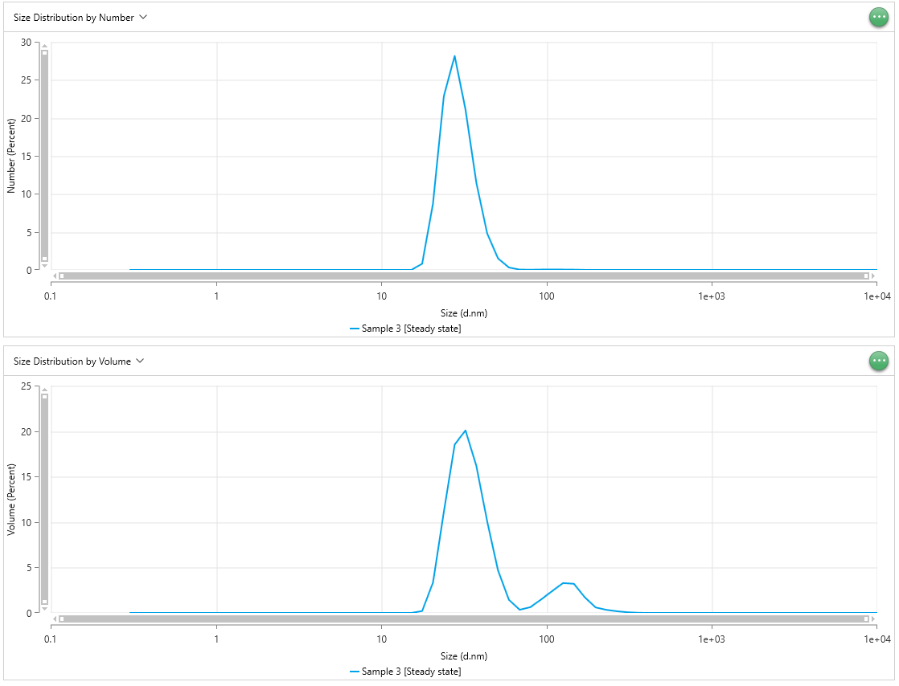
Size (d.nm) - Sample 3 [Steady state] | Intensity (Percent) - Sample 3 [Steady state] | Size (d.nm) - Sample 3 [Steady state] | Intensity (Percent) - Sample 3 [Steady state] | Size (d.nm) - Sample 3 [Steady state] | Intensity (Percent) - Sample 3 [Steady state] | Time (µs) - Sample 3 [Steady state] | Correlation Coefficient (g₂-1) - Sample 3 [Steady state] | Time (µs) - Sample 3 [Steady state] | Correlation Coefficient (g₂-1) - Sample 3 [Steady state] | Time (µs) - Sample 3 [Steady state] | Correlation Coefficient (g₂-1) - Sample 3 [Steady state] | Size (d.nm) - Sample 3 [Steady state] | Number (Percent) - Sample 3 [Steady state] | Size (d.nm) - Sample 3 [Steady state] | Number (Percent) - Sample 3 [Steady state] | Size (d.nm) - Sample 3 [Steady state] | Number (Percent) - Sample 3 [Steady state] | Size (d.nm) - Sample 3 [Steady state] | Volume (Percent) - Sample 3 [Steady state] | Size (d.nm) - Sample 3 [Steady state] | Volume (Percent) - Sample 3 [Steady state] | Size (d.nm) - Sample 3 [Steady state] | Volume (Percent) - Sample 3 [Steady state]
0.3 | 0 | 0.3 | 0 | 0.3 | 0 | 0.0875 | 1.089 | 0.0875 | 1.089 | 0.0875 | 1.114 | 0.3 | 0 | 0.3 | 0 | 0.3 | 0 | 0.3 | 0 | 0.3 | 0 | 0.3 | 0
0.3489 | 0 | 0.3489 | 0 | 0.3489 | 0 | 0.1 | 1.065 | 0.1 | 1.063 | 0.1 | 1.085 | 0.3489 | 0 | 0.3489 | 0 | 0.3489 | 0 | 0.3489 | 0 | 0.3489 | 0 | 0.3489 | 0
0.4057 | 0 | 0.4057 | 0 | 0.4057 | 0 | 0.1125 | 1.049 | 0.1125 | 1.038 | 0.1125 | 1.061 | 0.4057 | 0 | 0.4057 | 0 | 0.4057 | 0 | 0.4057 | 0 | 0.4057 | 0 | 0.4057 | 0
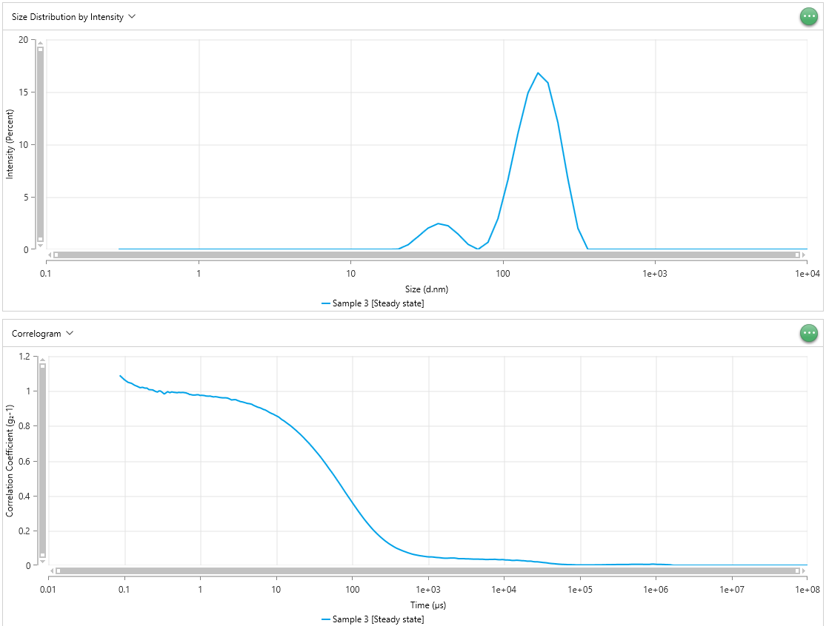
0.4718 | 0 | 0.4718 | 0 | 0.4718 | 0 | 0.125 | 1.043 | 0.125 | 1.032 | 0.125 | 1.062 | 0.4718 | 0 | 0.4718 | 0 | 0.4718 | 0 | 0.4718 | 0 | 0.4718 | 0 | 0.4718 | 0
0.5487 | 0 | 0.5487 | 0 | 0.5487 | 0 | 0.1375 | 1.032 | 0.1375 | 1.018 | 0.1375 | 1.053 | 0.5487 | 0 | 0.5487 | 0 | 0.5487 | 0 | 0.5487 | 0 | 0.5487 | 0 | 0.5487 | 0
0.6381 | 0 | 0.6381 | 0 | 0.6381 | 0 | 0.15 | 1.025 | 0.15 | 1.018 | 0.15 | 1.044 | 0.6381 | 0 | 0.6381 | 0 | 0.6381 | 0 | 0.6381 | 0 | 0.6381 | 0 | 0.6381 | 0
0.742 | 0 | 0.742 | 0 | 0.742 | 0 | 0.1625 | 1.018 | 0.1625 | 1.013 | 0.1625 | 1.039 | 0.742 | 0 | 0.742 | 0 | 0.742 | 0 | 0.742 | 0 | 0.742 | 0 | 0.742 | 0
0.8629 | 0 | 0.8629 | 0 | 0.8629 | 0 | 0.175 | 1.02 | 0.175 | 1.013 | 0.175 | 1.031 | 0.8629 | 0 | 0.8629 | 0 | 0.8629 | 0 | 0.8629 | 0 | 0.8629 | 0 | 0.8629 | 0
1.003 | 0 | 1.003 | 0 | 1.003 | 0 | 0.1875 | 1.016 | 0.1875 | 1.017 | 0.1875 | 1.04 | 1.003 | 0 | 1.003 | 0 | 1.003 | 0 | 1.003 | 0 | 1.003 | 0 | 1.003 | 0
1.167 | 0 | 1.167 | 0 | 1.167 | 0 | 0.2 | 1.016 | 0.2 | 1.025 | 0.2 | 1.03 | 1.167 | 0 | 1.167 | 0 | 1.167 | 0 | 1.167 | 0 | 1.167 | 0 | 1.167 | 0
1.357 | 0 | 1.357 | 0 | 1.357 | 0 | 0.2125 | 1.007 | 0.2125 | 1.021 | 0.2125 | 1.03 | 1.357 | 0 | 1.357 | 0 | 1.357 | 0 | 1.357 | 0 | 1.357 | 0 | 1.357 | 0
1.578 | 0 | 1.578 | 0 | 1.578 | 0 | 0.225 | 1.006 | 0.225 | 1.014 | 0.225 | 1.024 | 1.578 | 0 | 1.578 | 0 | 1.578 | 0 | 1.578 | 0 | 1.578 | 0 | 1.578 | 0
1.835 | 0 | 1.835 | 0 | 1.835 | 0 | 0.2375 | 1.006 | 0.2375 | 1.004 | 0.2375 | 1.024 | 1.835 | 0 | 1.835 | 0 | 1.835 | 0 | 1.835 | 0 | 1.835 | 0 | 1.835 | 0
2.134 | 0 | 2.134 | 0 | 2.134 | 0 | 0.25 | 1 | 0.25 | 1.008 | 0.25 | 1.029 | 2.134 | 0 | 2.134 | 0 | 2.134 | 0 | 2.134 | 0 | 2.134 | 0 | 2.134 | 0
2.482 | 0 | 2.482 | 0 | 2.482 | 0 | 0.2625 | 0.9958 | 0.2625 | 1.008 | 0.2625 | 1.026 | 2.482 | 0 | 2.482 | 0 | 2.482 | 0 | 2.482 | 0 | 2.482 | 0 | 2.482 | 0
2.886 | 0 | 2.886 | 0 | 2.886 | 0 | 0.275 | 0.9933 | 0.275 | 1.008 | 0.275 | 1.027 | 2.886 | 0 | 2.886 | 0 | 2.886 | 0 | 2.886 | 0 | 2.886 | 0 | 2.886 | 0
3.357 | 0 | 3.357 | 0 | 3.357 | 0 | 0.2875 | 0.9996 | 0.2875 | 1.002 | 0.2875 | 1.017 | 3.357 | 0 | 3.357 | 0 | 3.357 | 0 | 3.357 | 0 | 3.357 | 0 | 3.357 | 0
3.903 | 0 | 3.903 | 0 | 3.903 | 0 | 0.3 | 0.9994 | 0.3 | 1.004 | 0.3 | 1.018 | 3.903 | 0 | 3.903 | 0 | 3.903 | 0 | 3.903 | 0 | 3.903 | 0 | 3.903 | 0
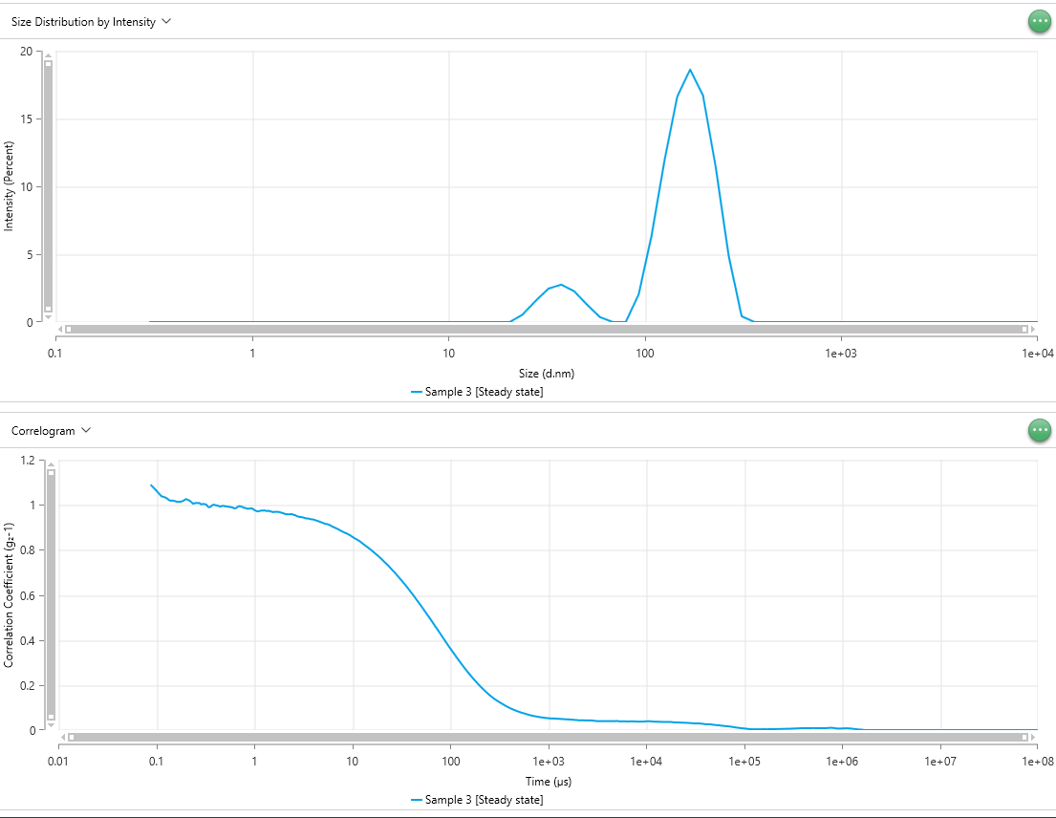
4.539 | 0 | 4.539 | 0 | 4.539 | 0 | 0.3125 | 0.9942 | 0.3125 | 1.003 | 0.3125 | 1.01 | 4.539 | 0 | 4.539 | 0 | 4.539 | 0 | 4.539 | 0 | 4.539 | 0 | 4.539 | 0
5.279 | 0 | 5.279 | 0 | 5.279 | 0 | 0.325 | 0.9879 | 0.325 | 1 | 0.325 | 1.009 | 5.279 | 0 | 5.279 | 0 | 5.279 | 0 | 5.279 | 0 | 5.279 | 0 | 5.279 | 0
6.139 | 0 | 6.139 | 0 | 6.139 | 0 | 0.3375 | 0.9823 | 0.3375 | 0.9907 | 0.3375 | 1.009 | 6.139 | 0 | 6.139 | 0 | 6.139 | 0 | 6.139 | 0 | 6.139 | 0 | 6.139 | 0
7.139 | 0 | 7.139 | 0 | 7.139 | 0 | 0.35 | 0.9866 | 0.35 | 0.9889 | 0.35 | 1.011 | 7.139 | 0 | 7.139 | 0 | 7.139 | 0 | 7.139 | 0 | 7.139 | 0 | 7.139 | 0
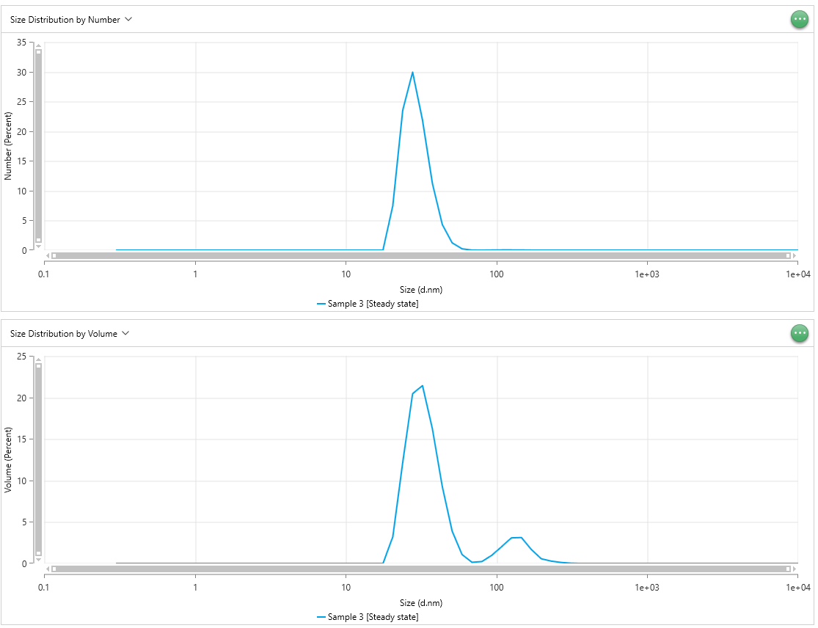
8.302 | 0 | 8.302 | 0 | 8.302 | 0 | 0.3625 | 0.991 | 0.3625 | 0.9934 | 0.3625 | 1.021 | 8.302 | 0 | 8.302 | 0 | 8.302 | 0 | 8.302 | 0 | 8.302 | 0 | 8.302 | 0
9.655 | 0 | 9.655 | 0 | 9.655 | 0 | 0.375 | 0.9958 | 0.375 | 0.9991 | 0.375 | 1.016 | 9.655 | 0 | 9.655 | 0 | 9.655 | 0 | 9.655 | 0 | 9.655 | 0 | 9.655 | 0
11.23 | 0 | 11.23 | 0 | 11.23 | 0 | 0.3875 | 0.9921 | 0.3875 | 1.001 | 0.3875 | 1.017 | 11.23 | 0 | 11.23 | 0 | 11.23 | 0 | 11.23 | 0 | 11.23 | 0 | 11.23 | 0
13.06 | 0 | 13.06 | 0 | 13.06 | 0 | 0.4 | 0.9897 | 0.4 | 0.9982 | 0.4 | 1.007 | 13.06 | 0 | 13.06 | 0 | 13.06 | 0 | 13.06 | 0 | 13.06 | 0 | 13.06 | 0
15.18 | 0 | 15.18 | 0 | 15.18 | 0 | 0.425 | 0.994 | 0.425 | 0.996 | 0.425 | 1.005 | 15.18 | 0 | 15.18 | 0 | 15.18 | 0 | 15.18 | 0 | 15.18 | 0 | 15.18 | 0
17.66 | 0 | 17.66 | 0 | 17.66 | 0 | 0.45 | 0.9917 | 0.45 | 0.9917 | 0.45 | 1.009 | 17.66 | 0.8142 | 17.66 | 0 | 17.66 | 0 | 17.66 | 0.2131 | 17.66 | 0 | 17.66 | 0
20.53 | 0.02079 | 20.53 | 0 | 20.53 | 0 | 0.475 | 0.9906 | 0.475 | 0.9955 | 0.475 | 1.008 | 20.53 | 8.696 | 20.53 | 7.502 | 20.53 | 7.195 | 20.53 | 3.336 | 20.53 | 3.218 | 20.53 | 3.092
23.88 | 0.4456 | 23.88 | 0.5582 | 23.88 | 0.5238 | 0.5 | 0.9894 | 0.5 | 0.9938 | 0.5 | 1.02 | 23.88 | 22.83 | 23.88 | 23.49 | 23.88 | 23.08 | 23.88 | 11.14 | 23.88 | 12.16 | 23.88 | 12.06
27.77 | 1.227 | 27.77 | 1.557 | 27.77 | 1.561 | 0.525 | 0.9914 | 0.525 | 0.9922 | 0.525 | 1.017 | 27.77 | 28.14 | 27.77 | 29.92 | 27.77 | 30.23 | 27.77 | 18.52 | 27.77 | 20.44 | 27.77 | 20.85
32.3 | 2.033 | 32.3 | 2.465 | 32.3 | 2.502 | 0.55 | 0.9904 | 0.55 | 0.9911 | 0.55 | 1.015 | 32.3 | 21.09 | 32.3 | 21.86 | 32.3 | 22.49 | 32.3 | 20.07 | 32.3 | 21.42 | 32.3 | 22.07
37.56 | 2.46 | 37.56 | 2.761 | 37.56 | 2.724 | 0.575 | 0.9907 | 0.575 | 0.9893 | 0.575 | 1.01 | 37.56 | 11.48 | 37.56 | 11.23 | 37.56 | 11.42 | 37.56 | 16.18 | 37.56 | 16.22 | 37.56 | 16.38
43.68 | 2.249 | 43.68 | 2.269 | 43.68 | 2.057 | 0.6 | 0.9909 | 0.6 | 0.9884 | 0.6 | 1.002 | 43.68 | 4.8 | 43.68 | 4.326 | 43.68 | 4.176 | 43.68 | 10.07 | 43.68 | 9.271 | 43.68 | 8.801
50.79 | 1.454 | 50.79 | 1.276 | 50.79 | 0.9293 | 0.625 | 0.9894 | 0.625 | 0.9837 | 0.625 | 1.002 | 50.79 | 1.516 | 50.79 | 1.232 | 50.79 | 1.057 | 50.79 | 4.686 | 50.79 | 3.891 | 50.79 | 3.228
59.07 | 0.4842 | 59.07 | 0.3641 | 59.07 | 0.09279 | 0.65 | 0.9889 | 0.65 | 0.9852 | 0.65 | 0.9977 | 59.07 | 0.3257 | 59.07 | 0.2348 | 59.07 | 0.1532 | 59.07 | 1.449 | 59.07 | 1.074 | 59.07 | 0.661
68.69 | 0 | 68.69 | 0 | 68.69 | 0 | 0.675 | 0.9856 | 0.675 | 0.9903 | 0.675 | 1.002 | 68.69 | 0.0434 | 68.69 | 0.02226 | 68.69 | 0.005797 | 68.69 | 0.3481 | 68.69 | 0.1445 | 68.69 | 0.0377
79.88 | 0.6792 | 79.88 | 0 | 79.88 | 0 | 0.7 | 0.9839 | 0.7 | 0.9941 | 0.7 | 0.9958 | 79.88 | 0.03263 | 79.88 | 0.009169 | 79.88 | 0.00839 | 79.88 | 0.6413 | 79.88 | 0.2315 | 79.88 | 0.2122
92.89 | 2.932 | 92.89 | 2.022 | 92.89 | 1.81 | 0.725 | 0.9792 | 0.725 | 0.993 | 0.725 | 0.9971 | 92.89 | 0.05587 | 92.89 | 0.03128 | 92.89 | 0.03002 | 92.89 | 1.501 | 92.89 | 0.9771 | 92.89 | 0.9513
108 | 6.636 | 108 | 6.33 | 108 | 6.335 | 0.75 | 0.9793 | 0.75 | 0.9914 | 0.75 | 0.9963 | 108 | 0.06107 | 108 | 0.0472 | 108 | 0.04791 | 108 | 2.401 | 108 | 2.018 | 108 | 2.082
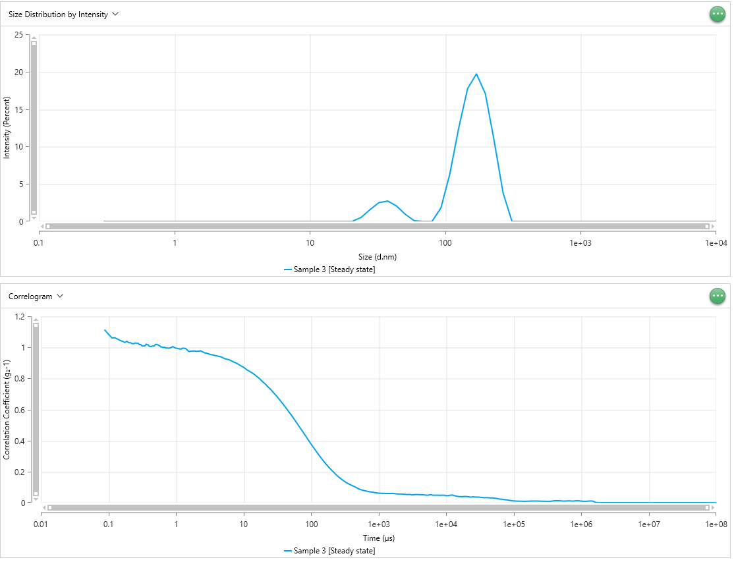
125.6 | 11.04 | 125.6 | 11.84 | 125.6 | 12.45 | 0.775 | 0.9774 | 0.775 | 0.9873 | 0.775 | 0.9946 | 125.6 | 0.05411 | 125.6 | 0.048 | 125.6 | 0.05108 | 125.6 | 3.285 | 125.6 | 3.088 | 125.6 | 3.316
146.1 | 14.88 | 146.1 | 16.61 | 146.1 | 17.74 | 0.8 | 0.9761 | 0.8 | 0.9865 | 0.8 | 0.9952 | 146.1 | 0.03788 | 146.1 | 0.03533 | 146.1 | 0.03834 | 146.1 | 3.207 | 146.1 | 3.127 | 146.1 | 3.405
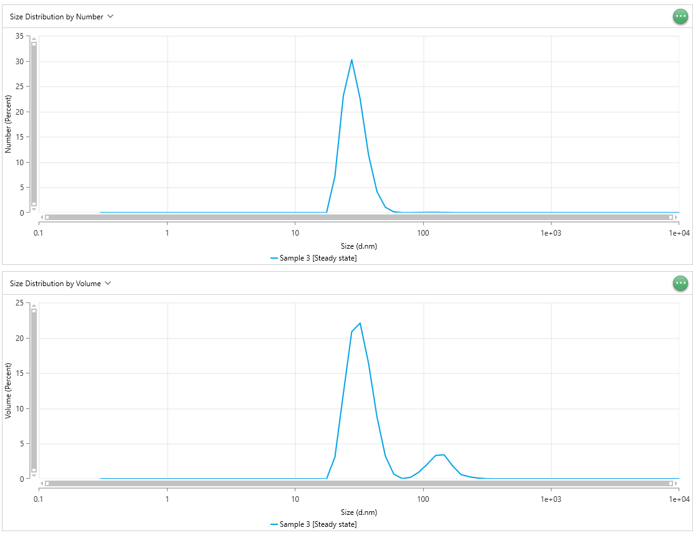
169.9 | 16.8 | 169.9 | 18.61 | 169.9 | 19.71 | 0.85 | 0.9757 | 0.85 | 0.9824 | 0.85 | 0.999 | 169.9 | 0.01547 | 169.9 | 0.01457 | 169.9 | 0.01585 | 169.9 | 1.727 | 169.9 | 1.691 | 169.9 | 1.838
197.6 | 15.86 | 197.6 | 16.7 | 197.6 | 17.06 | 0.9 | 0.9773 | 0.9 | 0.9833 | 0.9 | 1.005 | 197.6 | 0.003134 | 197.6 | 0.002856 | 197.6 | 0.003031 | 197.6 | 0.6119 | 197.6 | 0.5735 | 197.6 | 0.6043
229.8 | 12.07 | 229.8 | 11.35 | 229.8 | 10.72 | 0.95 | 0.9778 | 0.95 | 0.984 | 0.95 | 0.9986 | 229.8 | 0.0011 | 229.8 | 0.0009189 | 229.8 | 0.0009202 | 229.8 | 0.3412 | 229.8 | 0.2885 | 229.8 | 0.2843
267.2 | 6.71 | 267.2 | 4.849 | 267.2 | 3.782 | 1 | 0.974 | 1 | 0.9768 | 1 | 0.995 | 267.2 | 0.0003877 | 267.2 | 0.000271 | 267.2 | 0.0002429 | 267.2 | 0.1829 | 267.2 | 0.1256 | 267.2 | 0.1094
310.7 | 2.021 | 310.7 | 0.4277 | 310.7 | 0 | 1.05 | 0.9744 | 1.05 | 0.9725 | 1.05 | 0.9934 | 310.7 | 0.0001085 | 310.7 | 5.26E-05 | 310.7 | 3.73E-05 | 310.7 | 0.0732 | 310.7 | 0.03356 | 310.7 | 0.02246
361.3 | 0 | 361.3 | 0 | 361.3 | 0 | 1.1 | 0.9739 | 1.1 | 0.9704 | 1.1 | 0.9913 | 361.3 | 1.61E-05 | 361.3 | 2.88E-06 | 361.3 | 0 | 361.3 | 0.01457 | 361.3 | 0.002723 | 361.3 | 0
420.2 | 0 | 420.2 | 0 | 420.2 | 0 | 1.15 | 0.9727 | 1.15 | 0.9734 | 1.15 | 0.9895 | 420.2 | 0 | 420.2 | 0 | 420.2 | 0 | 420.2 | 0 | 420.2 | 0 | 420.2 | 0
488.7 | 0 | 488.7 | 0 | 488.7 | 0 | 1.2 | 0.9704 | 1.2 | 0.9746 | 1.2 | 0.989 | 488.7 | 0 | 488.7 | 0 | 488.7 | 0 | 488.7 | 0 | 488.7 | 0 | 488.7 | 0
568.3 | 0 | 568.3 | 0 | 568.3 | 0 | 1.25 | 0.97 | 1.25 | 0.9743 | 1.25 | 0.9951 | 568.3 | 0 | 568.3 | 0 | 568.3 | 0 | 568.3 | 0 | 568.3 | 0 | 568.3 | 0
660.9 | 0 | 660.9 | 0 | 660.9 | 0 | 1.3 | 0.9696 | 1.3 | 0.9743 | 1.3 | 0.9938 | 660.9 | 0 | 660.9 | 0 | 660.9 | 0 | 660.9 | 0 | 660.9 | 0 | 660.9 | 0
768.5 | 0 | 768.5 | 0 | 768.5 | 0 | 1.35 | 0.9703 | 1.35 | 0.9719 | 1.35 | 0.9941 | 768.5 | 0 | 768.5 | 0 | 768.5 | 0 | 768.5 | 0 | 768.5 | 0 | 768.5 | 0
893.8 | 0 | 893.8 | 0 | 893.8 | 0 | 1.4 | 0.9684 | 1.4 | 0.9739 | 1.4 | 0.9913 | 893.8 | 0 | 893.8 | 0 | 893.8 | 0 | 893.8 | 0 | 893.8 | 0 | 893.8 | 0
1039 | 0 | 1039 | 0 | 1039 | 0 | 1.45 | 0.9672 | 1.45 | 0.9703 | 1.45 | 0.9857 | 1039 | 0 | 1039 | 0 | 1039 | 0 | 1039 | 0 | 1039 | 0 | 1039 | 0
1209 | 0 | 1209 | 0 | 1209 | 0 | 1.5 | 0.9653 | 1.5 | 0.9698 | 1.5 | 0.9789 | 1209 | 0 | 1209 | 0 | 1209 | 0 | 1209 | 0 | 1209 | 0 | 1209 | 0
1406 | 0 | 1406 | 0 | 1406 | 0 | 1.55 | 0.9661 | 1.55 | 0.9674 | 1.55 | 0.9734 | 1406 | 0 | 1406 | 0 | 1406 | 0 | 1406 | 0 | 1406 | 0 | 1406 | 0
1635 | 0 | 1635 | 0 | 1635 | 0 | 1.6 | 0.9666 | 1.6 | 0.9684 | 1.6 | 0.974 | 1635 | 0 | 1635 | 0 | 1635 | 0 | 1635 | 0 | 1635 | 0 | 1635 | 0
1901 | 0 | 1901 | 0 | 1901 | 0 | 1.7 | 0.9648 | 1.7 | 0.9689 | 1.7 | 0.9758 | 1901 | 0 | 1901 | 0 | 1901 | 0 | 1901 | 0 | 1901 | 0 | 1901 | 0
2211 | 0 | 2211 | 0 | 2211 | 0 | 1.8 | 0.9623 | 1.8 | 0.9679 | 1.8 | 0.9767 | 2211 | 0 | 2211 | 0 | 2211 | 0 | 2211 | 0 | 2211 | 0 | 2211 | 0
2571 | 0 | 2571 | 0 | 2571 | 0 | 1.9 | 0.9611 | 1.9 | 0.9646 | 1.9 | 0.9767 | 2571 | 0 | 2571 | 0 | 2571 | 0 | 2571 | 0 | 2571 | 0 | 2571 | 0
2990 | 0 | 2990 | 0 | 2990 | 0 | 2 | 0.9603 | 2 | 0.9618 | 2 | 0.9742 | 2990 | 0 | 2990 | 0 | 2990 | 0 | 2990 | 0 | 2990 | 0 | 2990 | 0
3477 | 0 | 3477 | 0 | 3477 | 0 | 2.1 | 0.9603 | 2.1 | 0.9577 | 2.1 | 0.9755 | 3477 | 0 | 3477 | 0 | 3477 | 0 | 3477 | 0 | 3477 | 0 | 3477 | 0
4043 | 0 | 4043 | 0 | 4043 | 0 | 2.2 | 0.9599 | 2.2 | 0.9582 | 2.2 | 0.9752 | 4043 | 0 | 4043 | 0 | 4043 | 0 | 4043 | 0 | 4043 | 0 | 4043 | 0
4702 | 0 | 4702 | 0 | 4702 | 0 | 2.3 | 0.9588 | 2.3 | 0.9572 | 2.3 | 0.9783 | 4702 | 0 | 4702 | 0 | 4702 | 0 | 4702 | 0 | 4702 | 0 | 4702 | 0
5468 | 0 | 5468 | 0 | 5468 | 0 | 2.4 | 0.9554 | 2.4 | 0.9591 | 2.4 | 0.9746 | 5468 | 0 | 5468 | 0 | 5468 | 0 | 5468 | 0 | 5468 | 0 | 5468 | 0
6358 | 0 | 6358 | 0 | 6358 | 0 | 2.5 | 0.9519 | 2.5 | 0.9559 | 2.5 | 0.971 | 6358 | 0 | 6358 | 0 | 6358 | 0 | 6358 | 0 | 6358 | 0 | 6358 | 0
7394 | 0 | 7394 | 0 | 7394 | 0 | 2.6 | 0.9479 | 2.6 | 0.9544 | 2.6 | 0.9671 | 7394 | 0 | 7394 | 0 | 7394 | 0 | 7394 | 0 | 7394 | 0 | 7394 | 0
8599 | 0 | 8599 | 0 | 8599 | 0 | 2.7 | 0.9488 | 2.7 | 0.9505 | 2.7 | 0.9628 | 8599 | 0 | 8599 | 0 | 8599 | 0 | 8599 | 0 | 8599 | 0 | 8599 | 0
1.00E+04 | 0 | 1.00E+04 | 0 | 1.00E+04 | 0 | 2.8 | 0.9497 | 2.8 | 0.9479 | 2.8 | 0.9644 | 1.00E+04 | 0 | 1.00E+04 | 0 | 1.00E+04 | 0 | 1.00E+04 | 0 | 1.00E+04 | 0 | 1.00E+04 | 0
 |  |  |  |  |  | 2.9 | 0.9497 | 2.9 | 0.9461 | 2.9 | 0.9599
 |  |  |  |  |  | 3 | 0.9487 | 3 | 0.9459 | 3 | 0.9605
 |  |  |  |  |  | 3.1 | 0.9448 | 3.1 | 0.9443 | 3.1 | 0.9558
 |  |  |  |  |  | 3.2 | 0.9434 | 3.2 | 0.9427 | 3.2 | 0.9557
 |  |  |  |  |  | 3.4 | 0.9386 | 3.4 | 0.9394 | 3.4 | 0.9522
 |  |  |  |  |  | 3.6 | 0.9368 | 3.6 | 0.9386 | 3.6 | 0.9503
 |  |  |  |  |  | 3.8 | 0.934 | 3.8 | 0.936 | 3.8 | 0.9473
 |  |  |  |  |  | 4 | 0.931 | 4 | 0.9347 | 4 | 0.9455
 |  |  |  |  |  | 4.2 | 0.928 | 4.2 | 0.9318 | 4.2 | 0.9434
 |  |  |  |  |  | 4.4 | 0.927 | 4.4 | 0.9289 | 4.4 | 0.9411
 |  |  |  |  |  | 4.6 | 0.9254 | 4.6 | 0.926 | 4.6 | 0.9396
 |  |  |  |  |  | 4.8 | 0.9233 | 4.8 | 0.9225 | 4.8 | 0.9357
 |  |  |  |  |  | 5 | 0.9185 | 5 | 0.9199 | 5 | 0.9324
 |  |  |  |  |  | 5.2 | 0.9148 | 5.2 | 0.9165 | 5.2 | 0.9285
 |  |  |  |  |  | 5.4 | 0.9118 | 5.4 | 0.9146 | 5.4 | 0.9253
 |  |  |  |  |  | 5.6 | 0.9087 | 5.6 | 0.914 | 5.6 | 0.9245
 |  |  |  |  |  | 5.8 | 0.9061 | 5.8 | 0.9111 | 5.8 | 0.9223
 |  |  |  |  |  | 6 | 0.9044 | 6 | 0.9087 | 6 | 0.9216
 |  |  |  |  |  | 6.2 | 0.9023 | 6.2 | 0.9037 | 6.2 | 0.9193
 |  |  |  |  |  | 6.4 | 0.8998 | 6.4 | 0.9017 | 6.4 | 0.9161
 |  |  |  |  |  | 6.8 | 0.8941 | 6.8 | 0.8963 | 6.8 | 0.9112
 |  |  |  |  |  | 7.2 | 0.8907 | 7.2 | 0.8914 | 7.2 | 0.9047
 |  |  |  |  |  | 7.6 | 0.8852 | 7.6 | 0.8853 | 7.6 | 0.9014
 |  |  |  |  |  | 8 | 0.8792 | 8 | 0.8807 | 8 | 0.8963
 |  |  |  |  |  | 8.4 | 0.8741 | 8.4 | 0.8759 | 8.4 | 0.8915
 |  |  |  |  |  | 8.8 | 0.8699 | 8.8 | 0.8726 | 8.8 | 0.8852
 |  |  |  |  |  | 9.2 | 0.8666 | 9.2 | 0.868 | 9.2 | 0.8801
 |  |  |  |  |  | 9.6 | 0.8619 | 9.6 | 0.8638 | 9.6 | 0.8764
 |  |  |  |  |  | 10 | 0.8581 | 10 | 0.8582 | 10 | 0.8725
 |  |  |  |  |  | 10.4 | 0.8543 | 10.4 | 0.8535 | 10.4 | 0.8668
 |  |  |  |  |  | 10.8 | 0.8506 | 10.8 | 0.8492 | 10.8 | 0.861
 |  |  |  |  |  | 11.2 | 0.8453 | 11.2 | 0.8458 | 11.2 | 0.8557
 |  |  |  |  |  | 11.6 | 0.8397 | 11.6 | 0.8415 | 11.6 | 0.8518
 |  |  |  |  |  | 12 | 0.8347 | 12 | 0.8375 | 12 | 0.8481
 |  |  |  |  |  | 12.4 | 0.8312 | 12.4 | 0.8324 | 12.4 | 0.8448
 |  |  |  |  |  | 12.8 | 0.8274 | 12.8 | 0.8278 | 12.8 | 0.8412
 |  |  |  |  |  | 13.6 | 0.8188 | 13.6 | 0.8191 | 13.6 | 0.8342
 |  |  |  |  |  | 14.4 | 0.8107 | 14.4 | 0.8112 | 14.4 | 0.8265
 |  |  |  |  |  | 15.2 | 0.8034 | 15.2 | 0.8032 | 15.2 | 0.8184
 |  |  |  |  |  | 16 | 0.7957 | 16 | 0.7953 | 16 | 0.8105
 |  |  |  |  |  | 16.8 | 0.7879 | 16.8 | 0.7875 | 16.8 | 0.8032
 |  |  |  |  |  | 17.6 | 0.7802 | 17.6 | 0.78 | 17.6 | 0.7955
 |  |  |  |  |  | 18.4 | 0.7731 | 18.4 | 0.7729 | 18.4 | 0.7866
 |  |  |  |  |  | 19.2 | 0.7655 | 19.2 | 0.7657 | 19.2 | 0.779
 |  |  |  |  |  | 20 | 0.7586 | 20 | 0.7586 | 20 | 0.7719
 |  |  |  |  |  | 20.8 | 0.7517 | 20.8 | 0.7511 | 20.8 | 0.7661
 |  |  |  |  |  | 21.6 | 0.745 | 21.6 | 0.7436 | 21.6 | 0.7592
 |  |  |  |  |  | 22.4 | 0.738 | 22.4 | 0.7376 | 22.4 | 0.7523
 |  |  |  |  |  | 23.2 | 0.7314 | 23.2 | 0.7311 | 23.2 | 0.7449
 |  |  |  |  |  | 24 | 0.7244 | 24 | 0.7244 | 24 | 0.7388
 |  |  |  |  |  | 24.8 | 0.7181 | 24.8 | 0.7175 | 24.8 | 0.7328
 |  |  |  |  |  | 25.6 | 0.7114 | 25.6 | 0.7108 | 25.6 | 0.7265
 |  |  |  |  |  | 27.2 | 0.6997 | 27.2 | 0.6991 | 27.2 | 0.7136
 |  |  |  |  |  | 28.8 | 0.6874 | 28.8 | 0.6868 | 28.8 | 0.7009
 |  |  |  |  |  | 30.4 | 0.6757 | 30.4 | 0.6746 | 30.4 | 0.69
 |  |  |  |  |  | 32 | 0.664 | 32 | 0.6634 | 32 | 0.6791
 |  |  |  |  |  | 33.6 | 0.6532 | 33.6 | 0.6523 | 33.6 | 0.6674
 |  |  |  |  |  | 35.2 | 0.6426 | 35.2 | 0.6421 | 35.2 | 0.6563
 |  |  |  |  |  | 36.8 | 0.6326 | 36.8 | 0.6312 | 36.8 | 0.6452
 |  |  |  |  |  | 38.4 | 0.6225 | 38.4 | 0.6208 | 38.4 | 0.6361
 |  |  |  |  |  | 40 | 0.6123 | 40 | 0.6108 | 40 | 0.6254
 |  |  |  |  |  | 41.6 | 0.6026 | 41.6 | 0.6012 | 41.6 | 0.6167
 |  |  |  |  |  | 43.2 | 0.5927 | 43.2 | 0.5919 | 43.2 | 0.6066
 |  |  |  |  |  | 44.8 | 0.5838 | 44.8 | 0.5822 | 44.8 | 0.5979
 |  |  |  |  |  | 46.4 | 0.5744 | 46.4 | 0.573 | 46.4 | 0.5879
 |  |  |  |  |  | 48 | 0.5652 | 48 | 0.5645 | 48 | 0.5793
 |  |  |  |  |  | 49.6 | 0.5564 | 49.6 | 0.5559 | 49.6 | 0.571
 |  |  |  |  |  | 51.2 | 0.5483 | 51.2 | 0.5478 | 51.2 | 0.5631
 |  |  |  |  |  | 54.4 | 0.533 | 54.4 | 0.5313 | 54.4 | 0.5475
 |  |  |  |  |  | 57.6 | 0.5175 | 57.6 | 0.5161 | 57.6 | 0.5321
 |  |  |  |  |  | 60.8 | 0.5026 | 60.8 | 0.5016 | 60.8 | 0.5172
 |  |  |  |  |  | 64 | 0.4883 | 64 | 0.4875 | 64 | 0.5026
 |  |  |  |  |  | 67.2 | 0.4749 | 67.2 | 0.4741 | 67.2 | 0.4891
 |  |  |  |  |  | 70.4 | 0.4619 | 70.4 | 0.4608 | 70.4 | 0.4762
 |  |  |  |  |  | 73.6 | 0.4494 | 73.6 | 0.4489 | 73.6 | 0.4643
 |  |  |  |  |  | 76.8 | 0.4369 | 76.8 | 0.4369 | 76.8 | 0.4523
 |  |  |  |  |  | 80 | 0.4251 | 80 | 0.4255 | 80 | 0.4405
 |  |  |  |  |  | 83.2 | 0.4138 | 83.2 | 0.4143 | 83.2 | 0.4298
 |  |  |  |  |  | 86.4 | 0.4036 | 86.4 | 0.4036 | 86.4 | 0.4191
 |  |  |  |  |  | 89.6 | 0.3931 | 89.6 | 0.3934 | 89.6 | 0.4087
 |  |  |  |  |  | 92.8 | 0.384 | 92.8 | 0.3836 | 92.8 | 0.3985
 |  |  |  |  |  | 96 | 0.3742 | 96 | 0.3743 | 96 | 0.3894
 |  |  |  |  |  | 99.2 | 0.3654 | 99.2 | 0.3654 | 99.2 | 0.3803
 |  |  |  |  |  | 102.4 | 0.3564 | 102.4 | 0.3571 | 102.4 | 0.3716
 |  |  |  |  |  | 108.8 | 0.3401 | 108.8 | 0.341 | 108.8 | 0.3552
 |  |  |  |  |  | 115.2 | 0.3245 | 115.2 | 0.3259 | 115.2 | 0.3404
 |  |  |  |  |  | 121.6 | 0.3102 | 121.6 | 0.3116 | 121.6 | 0.3261
 |  |  |  |  |  | 128 | 0.2968 | 128 | 0.2985 | 128 | 0.3125
 |  |  |  |  |  | 134.4 | 0.2843 | 134.4 | 0.2862 | 134.4 | 0.3003
 |  |  |  |  |  | 140.8 | 0.2723 | 140.8 | 0.2747 | 140.8 | 0.2887
 |  |  |  |  |  | 147.2 | 0.2614 | 147.2 | 0.2643 | 147.2 | 0.2781
 |  |  |  |  |  | 153.6 | 0.2513 | 153.6 | 0.2542 | 153.6 | 0.2676
 |  |  |  |  |  | 160 | 0.2421 | 160 | 0.245 | 160 | 0.2584
 |  |  |  |  |  | 166.4 | 0.2331 | 166.4 | 0.236 | 166.4 | 0.2495
 |  |  |  |  |  | 172.8 | 0.2245 | 172.8 | 0.2278 | 172.8 | 0.2414
 |  |  |  |  |  | 179.2 | 0.2165 | 179.2 | 0.2199 | 179.2 | 0.2333
 |  |  |  |  |  | 185.6 | 0.2089 | 185.6 | 0.2127 | 185.6 | 0.2258
 |  |  |  |  |  | 192 | 0.2021 | 192 | 0.2057 | 192 | 0.219
 |  |  |  |  |  | 198.4 | 0.1955 | 198.4 | 0.1991 | 198.4 | 0.213
 |  |  |  |  |  | 204.8 | 0.1895 | 204.8 | 0.1928 | 204.8 | 0.2069
 |  |  |  |  |  | 217.6 | 0.1782 | 217.6 | 0.1815 | 217.6 | 0.1954
 |  |  |  |  |  | 230.4 | 0.1681 | 230.4 | 0.1711 | 230.4 | 0.1847
 |  |  |  |  |  | 243.2 | 0.1591 | 243.2 | 0.1618 | 243.2 | 0.175
 |  |  |  |  |  | 256 | 0.1507 | 256 | 0.1533 | 256 | 0.1663
 |  |  |  |  |  | 268.8 | 0.1433 | 268.8 | 0.146 | 268.8 | 0.1587
 |  |  |  |  |  | 281.6 | 0.1364 | 281.6 | 0.1394 | 281.6 | 0.152
 |  |  |  |  |  | 294.4 | 0.1302 | 294.4 | 0.1337 | 294.4 | 0.1457
 |  |  |  |  |  | 307.2 | 0.1245 | 307.2 | 0.1285 | 307.2 | 0.1396
 |  |  |  |  |  | 320 | 0.1195 | 320 | 0.1236 | 320 | 0.1343
 |  |  |  |  |  | 332.8 | 0.1149 | 332.8 | 0.1191 | 332.8 | 0.1298
 |  |  |  |  |  | 345.6 | 0.1105 | 345.6 | 0.1147 | 345.6 | 0.1257
 |  |  |  |  |  | 358.4 | 0.1065 | 358.4 | 0.1108 | 358.4 | 0.1219
 |  |  |  |  |  | 371.2 | 0.1025 | 371.2 | 0.1071 | 371.2 | 0.1185
 |  |  |  |  |  | 384 | 0.09911 | 384 | 0.1036 | 384 | 0.1155
 |  |  |  |  |  | 396.8 | 0.09617 | 396.8 | 0.1003 | 396.8 | 0.1126
 |  |  |  |  |  | 409.6 | 0.09363 | 409.6 | 0.0973 | 409.6 | 0.1098
 |  |  |  |  |  | 435.2 | 0.08874 | 435.2 | 0.09222 | 435.2 | 0.1044
 |  |  |  |  |  | 460.8 | 0.08428 | 460.8 | 0.08781 | 460.8 | 0.09922
 |  |  |  |  |  | 486.4 | 0.08029 | 486.4 | 0.08386 | 486.4 | 0.09397
 |  |  |  |  |  | 512 | 0.0768 | 512 | 0.08026 | 512 | 0.08907
 |  |  |  |  |  | 537.6 | 0.07351 | 537.6 | 0.0773 | 537.6 | 0.085
 |  |  |  |  |  | 563.2 | 0.07047 | 563.2 | 0.07476 | 563.2 | 0.082
 |  |  |  |  |  | 588.8 | 0.06783 | 588.8 | 0.07234 | 588.8 | 0.07997
 |  |  |  |  |  | 614.4 | 0.06526 | 614.4 | 0.06983 | 614.4 | 0.0781
 |  |  |  |  |  | 640 | 0.06323 | 640 | 0.06751 | 640 | 0.07618
 |  |  |  |  |  | 665.6 | 0.06147 | 665.6 | 0.06564 | 665.6 | 0.07456
 |  |  |  |  |  | 691.2 | 0.06019 | 691.2 | 0.06411 | 691.2 | 0.07322
 |  |  |  |  |  | 716.8 | 0.05884 | 716.8 | 0.06272 | 716.8 | 0.07187
 |  |  |  |  |  | 742.4 | 0.05753 | 742.4 | 0.06139 | 742.4 | 0.07035
 |  |  |  |  |  | 768 | 0.05619 | 768 | 0.06003 | 768 | 0.06927
 |  |  |  |  |  | 793.6 | 0.0552 | 793.6 | 0.0589 | 793.6 | 0.06853
 |  |  |  |  |  | 819.2 | 0.05424 | 819.2 | 0.05784 | 819.2 | 0.06786
 |  |  |  |  |  | 870.4 | 0.05265 | 870.4 | 0.05618 | 870.4 | 0.06579
 |  |  |  |  |  | 921.6 | 0.05102 | 921.6 | 0.05476 | 921.6 | 0.06374
 |  |  |  |  |  | 972.8 | 0.04955 | 972.8 | 0.05347 | 972.8 | 0.06225
 |  |  |  |  |  | 1024 | 0.04871 | 1024 | 0.05241 | 1024 | 0.06133
 |  |  |  |  |  | 1075 | 0.0484 | 1075 | 0.05176 | 1075 | 0.06087
 |  |  |  |  |  | 1126 | 0.04836 | 1126 | 0.05143 | 1126 | 0.06031
 |  |  |  |  |  | 1178 | 0.04775 | 1178 | 0.0513 | 1178 | 0.06007
 |  |  |  |  |  | 1229 | 0.0467 | 1229 | 0.05087 | 1229 | 0.05988
 |  |  |  |  |  | 1280 | 0.0457 | 1280 | 0.0503 | 1280 | 0.05989
 |  |  |  |  |  | 1331 | 0.04509 | 1331 | 0.04989 | 1331 | 0.05971
 |  |  |  |  |  | 1382 | 0.04464 | 1382 | 0.04935 | 1382 | 0.05969
 |  |  |  |  |  | 1434 | 0.04393 | 1434 | 0.0489 | 1434 | 0.05969
 |  |  |  |  |  | 1485 | 0.04315 | 1485 | 0.0483 | 1485 | 0.05979
 |  |  |  |  |  | 1536 | 0.04233 | 1536 | 0.04795 | 1536 | 0.0597
 |  |  |  |  |  | 1587 | 0.04168 | 1587 | 0.04788 | 1587 | 0.05965
 |  |  |  |  |  | 1638 | 0.04123 | 1638 | 0.04756 | 1638 | 0.05958
 |  |  |  |  |  | 1741 | 0.04098 | 1741 | 0.04675 | 1741 | 0.05865
 |  |  |  |  |  | 1843 | 0.04123 | 1843 | 0.04557 | 1843 | 0.05733
 |  |  |  |  |  | 1946 | 0.04186 | 1946 | 0.0448 | 1946 | 0.05632
 |  |  |  |  |  | 2048 | 0.04202 | 2048 | 0.04402 | 2048 | 0.05629
 |  |  |  |  |  | 2150 | 0.04224 | 2150 | 0.04364 | 2150 | 0.0563
 |  |  |  |  |  | 2253 | 0.0419 | 2253 | 0.04352 | 2253 | 0.05553
 |  |  |  |  |  | 2355 | 0.04094 | 2355 | 0.04346 | 2355 | 0.0549
 |  |  |  |  |  | 2458 | 0.03948 | 2458 | 0.04306 | 2458 | 0.05412
 |  |  |  |  |  | 2560 | 0.03826 | 2560 | 0.04286 | 2560 | 0.05366
 |  |  |  |  |  | 2662 | 0.03803 | 2662 | 0.04292 | 2662 | 0.05273
 |  |  |  |  |  | 2765 | 0.03816 | 2765 | 0.04302 | 2765 | 0.05314
 |  |  |  |  |  | 2867 | 0.03838 | 2867 | 0.04242 | 2867 | 0.05328
 |  |  |  |  |  | 2970 | 0.03845 | 2970 | 0.04154 | 2970 | 0.05268
 |  |  |  |  |  | 3072 | 0.03798 | 3072 | 0.04054 | 3072 | 0.05136
 |  |  |  |  |  | 3174 | 0.03748 | 3174 | 0.03997 | 3174 | 0.0509
 |  |  |  |  |  | 3277 | 0.03705 | 3277 | 0.03972 | 3277 | 0.05151
 |  |  |  |  |  | 3482 | 0.037 | 3482 | 0.03988 | 3482 | 0.05253
 |  |  |  |  |  | 3686 | 0.03669 | 3686 | 0.03999 | 3686 | 0.05265
 |  |  |  |  |  | 3891 | 0.03609 | 3891 | 0.03989 | 3891 | 0.05248
 |  |  |  |  |  | 4096 | 0.03569 | 4096 | 0.03999 | 4096 | 0.05174
 |  |  |  |  |  | 4301 | 0.03562 | 4301 | 0.04002 | 4301 | 0.05179
 |  |  |  |  |  | 4506 | 0.03569 | 4506 | 0.03987 | 4506 | 0.05093
 |  |  |  |  |  | 4710 | 0.03557 | 4710 | 0.03994 | 4710 | 0.05079
 |  |  |  |  |  | 4915 | 0.03519 | 4915 | 0.04024 | 4915 | 0.04955
 |  |  |  |  |  | 5120 | 0.03519 | 5120 | 0.04018 | 5120 | 0.04869
 |  |  |  |  |  | 5325 | 0.03495 | 5325 | 0.03932 | 5325 | 0.04826
 |  |  |  |  |  | 5530 | 0.03448 | 5530 | 0.03862 | 5530 | 0.04931
 |  |  |  |  |  | 5734 | 0.03363 | 5734 | 0.03884 | 5734 | 0.05149
 |  |  |  |  |  | 5939 | 0.03335 | 5939 | 0.03915 | 5939 | 0.05196
 |  |  |  |  |  | 6144 | 0.03355 | 6144 | 0.03895 | 6144 | 0.05093
 |  |  |  |  |  | 6349 | 0.03381 | 6349 | 0.03864 | 6349 | 0.0489
 |  |  |  |  |  | 6554 | 0.03393 | 6554 | 0.03854 | 6554 | 0.04821
 |  |  |  |  |  | 6963 | 0.0342 | 6963 | 0.0389 | 6963 | 0.04827
 |  |  |  |  |  | 7373 | 0.03456 | 7373 | 0.03887 | 7373 | 0.04864
 |  |  |  |  |  | 7782 | 0.03434 | 7782 | 0.03854 | 7782 | 0.0484
 |  |  |  |  |  | 8192 | 0.03337 | 8192 | 0.03783 | 8192 | 0.04774
 |  |  |  |  |  | 8602 | 0.03271 | 8602 | 0.03758 | 8602 | 0.04846
 |  |  |  |  |  | 9011 | 0.03265 | 9011 | 0.03784 | 9011 | 0.04831
 |  |  |  |  |  | 9421 | 0.0331 | 9421 | 0.03826 | 9421 | 0.04838
 |  |  |  |  |  | 9830 | 0.03286 | 9830 | 0.03881 | 9830 | 0.04619
 |  |  |  |  |  | 1.02E+04 | 0.03186 | 1.02E+04 | 0.03961 | 1.02E+04 | 0.04542
 |  |  |  |  |  | 1.06E+04 | 0.0311 | 1.06E+04 | 0.0397 | 1.06E+04 | 0.04572
 |  |  |  |  |  | 1.11E+04 | 0.03082 | 1.11E+04 | 0.03943 | 1.11E+04 | 0.04671
 |  |  |  |  |  | 1.15E+04 | 0.03069 | 1.15E+04 | 0.03826 | 1.15E+04 | 0.04827
 |  |  |  |  |  | 1.19E+04 | 0.03053 | 1.19E+04 | 0.03774 | 1.19E+04 | 0.0492
 |  |  |  |  |  | 1.23E+04 | 0.02951 | 1.23E+04 | 0.03769 | 1.23E+04 | 0.04946
 |  |  |  |  |  | 1.27E+04 | 0.02862 | 1.27E+04 | 0.03746 | 1.27E+04 | 0.04828
 |  |  |  |  |  | 1.31E+04 | 0.02805 | 1.31E+04 | 0.03753 | 1.31E+04 | 0.04637
 |  |  |  |  |  | 1.39E+04 | 0.02854 | 1.39E+04 | 0.03685 | 1.39E+04 | 0.04316
 |  |  |  |  |  | 1.48E+04 | 0.02933 | 1.48E+04 | 0.03659 | 1.48E+04 | 0.0412
 |  |  |  |  |  | 1.56E+04 | 0.02892 | 1.56E+04 | 0.03615 | 1.56E+04 | 0.03941
 |  |  |  |  |  | 1.64E+04 | 0.02795 | 1.64E+04 | 0.03645 | 1.64E+04 | 0.03936
 |  |  |  |  |  | 1.72E+04 | 0.02703 | 1.72E+04 | 0.03643 | 1.72E+04 | 0.03889
 |  |  |  |  |  | 1.80E+04 | 0.0269 | 1.80E+04 | 0.03601 | 1.80E+04 | 0.03988
 |  |  |  |  |  | 1.88E+04 | 0.0261 | 1.88E+04 | 0.03507 | 1.88E+04 | 0.04021
 |  |  |  |  |  | 1.97E+04 | 0.02522 | 1.97E+04 | 0.03448 | 1.97E+04 | 0.04043
 |  |  |  |  |  | 2.05E+04 | 0.02381 | 2.05E+04 | 0.03425 | 2.05E+04 | 0.03956
 |  |  |  |  |  | 2.13E+04 | 0.02404 | 2.13E+04 | 0.03412 | 2.13E+04 | 0.03893
 |  |  |  |  |  | 2.21E+04 | 0.02379 | 2.21E+04 | 0.03361 | 2.21E+04 | 0.03755
 |  |  |  |  |  | 2.29E+04 | 0.02381 | 2.29E+04 | 0.03351 | 2.29E+04 | 0.0363
 |  |  |  |  |  | 2.38E+04 | 0.02264 | 2.38E+04 | 0.03295 | 2.38E+04 | 0.03651
 |  |  |  |  |  | 2.46E+04 | 0.02135 | 2.46E+04 | 0.03285 | 2.46E+04 | 0.03766
 |  |  |  |  |  | 2.54E+04 | 0.02061 | 2.54E+04 | 0.03247 | 2.54E+04 | 0.03818
 |  |  |  |  |  | 2.62E+04 | 0.02022 | 2.62E+04 | 0.03227 | 2.62E+04 | 0.03737
 |  |  |  |  |  | 2.78E+04 | 0.02006 | 2.78E+04 | 0.03164 | 2.78E+04 | 0.03641
 |  |  |  |  |  | 2.95E+04 | 0.01909 | 2.95E+04 | 0.03077 | 2.95E+04 | 0.03658
 |  |  |  |  |  | 3.11E+04 | 0.0177 | 3.11E+04 | 0.0303 | 3.11E+04 | 0.03599
 |  |  |  |  |  | 3.28E+04 | 0.01639 | 3.28E+04 | 0.03002 | 3.28E+04 | 0.0348
 |  |  |  |  |  | 3.44E+04 | 0.01557 | 3.44E+04 | 0.03009 | 3.44E+04 | 0.03375
 |  |  |  |  |  | 3.60E+04 | 0.01486 | 3.60E+04 | 0.0292 | 3.60E+04 | 0.03277
 |  |  |  |  |  | 3.77E+04 | 0.01376 | 3.77E+04 | 0.02837 | 3.77E+04 | 0.03255
 |  |  |  |  |  | 3.93E+04 | 0.0123 | 3.93E+04 | 0.02694 | 3.93E+04 | 0.03229
 |  |  |  |  |  | 4.10E+04 | 0.01136 | 4.10E+04 | 0.02625 | 4.10E+04 | 0.03271
 |  |  |  |  |  | 4.26E+04 | 0.01067 | 4.26E+04 | 0.02612 | 4.26E+04 | 0.03197
 |  |  |  |  |  | 4.42E+04 | 0.01016 | 4.42E+04 | 0.02593 | 4.42E+04 | 0.03118
 |  |  |  |  |  | 4.59E+04 | 0.009668 | 4.59E+04 | 0.02558 | 4.59E+04 | 0.03102
 |  |  |  |  |  | 4.75E+04 | 0.009056 | 4.75E+04 | 0.0246 | 4.75E+04 | 0.03144
 |  |  |  |  |  | 4.92E+04 | 0.008262 | 4.92E+04 | 0.0237 | 4.92E+04 | 0.0308
 |  |  |  |  |  | 5.08E+04 | 0.007748 | 5.08E+04 | 0.02296 | 5.08E+04 | 0.03027
 |  |  |  |  |  | 5.24E+04 | 0.007078 | 5.24E+04 | 0.02233 | 5.24E+04 | 0.02898
 |  |  |  |  |  | 5.57E+04 | 0.006322 | 5.57E+04 | 0.0214 | 5.57E+04 | 0.02776
 |  |  |  |  |  | 5.90E+04 | 0.00562 | 5.90E+04 | 0.01995 | 5.90E+04 | 0.02527
 |  |  |  |  |  | 6.23E+04 | 0.005336 | 6.23E+04 | 0.01874 | 6.23E+04 | 0.02368
 |  |  |  |  |  | 6.55E+04 | 0.00496 | 6.55E+04 | 0.0174 | 6.55E+04 | 0.02272
 |  |  |  |  |  | 6.88E+04 | 0.004326 | 6.88E+04 | 0.01685 | 6.88E+04 | 0.02142
 |  |  |  |  |  | 7.21E+04 | 0.003853 | 7.21E+04 | 0.01593 | 7.21E+04 | 0.02041
 |  |  |  |  |  | 7.54E+04 | 0.003749 | 7.54E+04 | 0.01468 | 7.54E+04 | 0.01893
 |  |  |  |  |  | 7.86E+04 | 0.003675 | 7.86E+04 | 0.0131 | 7.86E+04 | 0.01842
 |  |  |  |  |  | 8.19E+04 | 0.003549 | 8.19E+04 | 0.01186 | 8.19E+04 | 0.01726
 |  |  |  |  |  | 8.52E+04 | 0.003264 | 8.52E+04 | 0.01106 | 8.52E+04 | 0.01629
 |  |  |  |  |  | 8.85E+04 | 0.00269 | 8.85E+04 | 0.0101 | 8.85E+04 | 0.01491
 |  |  |  |  |  | 9.18E+04 | 0.002364 | 9.18E+04 | 0.009207 | 9.18E+04 | 0.0138
 |  |  |  |  |  | 9.50E+04 | 0.002155 | 9.50E+04 | 0.008332 | 9.50E+04 | 0.01253
 |  |  |  |  |  | 9.83E+04 | 0.002287 | 9.83E+04 | 0.007896 | 9.83E+04 | 0.0119
 |  |  |  |  |  | 1.02E+05 | 0.002212 | 1.02E+05 | 0.007185 | 1.02E+05 | 0.01118
 |  |  |  |  |  | 1.05E+05 | 0.002248 | 1.05E+05 | 0.00653 | 1.05E+05 | 0.01116
 |  |  |  |  |  | 1.11E+05 | 0.002263 | 1.11E+05 | 0.004994 | 1.11E+05 | 0.01067
 |  |  |  |  |  | 1.18E+05 | 0.002304 | 1.18E+05 | 0.004282 | 1.18E+05 | 0.01037
 |  |  |  |  |  | 1.24E+05 | 0.002195 | 1.24E+05 | 0.004093 | 1.24E+05 | 0.01004
 |  |  |  |  |  | 1.31E+05 | 0.002227 | 1.31E+05 | 0.003977 | 1.31E+05 | 0.009794
 |  |  |  |  |  | 1.38E+05 | 0.002121 | 1.38E+05 | 0.003877 | 1.38E+05 | 0.009447
 |  |  |  |  |  | 1.44E+05 | 0.00224 | 1.44E+05 | 0.003717 | 1.44E+05 | 0.009407
 |  |  |  |  |  | 1.51E+05 | 0.00224 | 1.51E+05 | 0.003933 | 1.51E+05 | 0.009254
 |  |  |  |  |  | 1.57E+05 | 0.00253 | 1.57E+05 | 0.004122 | 1.57E+05 | 0.009773
 |  |  |  |  |  | 1.64E+05 | 0.002519 | 1.64E+05 | 0.004141 | 1.64E+05 | 0.00975
 |  |  |  |  |  | 1.70E+05 | 0.002584 | 1.70E+05 | 0.004094 | 1.70E+05 | 0.01047
 |  |  |  |  |  | 1.77E+05 | 0.002572 | 1.77E+05 | 0.00417 | 1.77E+05 | 0.01041
 |  |  |  |  |  | 1.84E+05 | 0.002648 | 1.84E+05 | 0.004424 | 1.84E+05 | 0.01084
 |  |  |  |  |  | 1.90E+05 | 0.002896 | 1.90E+05 | 0.004474 | 1.90E+05 | 0.01072
 |  |  |  |  |  | 1.97E+05 | 0.003144 | 1.97E+05 | 0.004526 | 1.97E+05 | 0.01103
 |  |  |  |  |  | 2.03E+05 | 0.003291 | 2.03E+05 | 0.004517 | 2.03E+05 | 0.01078
 |  |  |  |  |  | 2.10E+05 | 0.003393 | 2.10E+05 | 0.004673 | 2.10E+05 | 0.01064
 |  |  |  |  |  | 2.23E+05 | 0.003588 | 2.23E+05 | 0.004908 | 2.23E+05 | 0.01062
 |  |  |  |  |  | 2.36E+05 | 0.003968 | 2.36E+05 | 0.005264 | 2.36E+05 | 0.01061
 |  |  |  |  |  | 2.49E+05 | 0.004074 | 2.49E+05 | 0.005489 | 2.49E+05 | 0.0104
 |  |  |  |  |  | 2.62E+05 | 0.004207 | 2.62E+05 | 0.005705 | 2.62E+05 | 0.00987
 |  |  |  |  |  | 2.75E+05 | 0.004229 | 2.75E+05 | 0.005863 | 2.75E+05 | 0.009753
 |  |  |  |  |  | 2.88E+05 | 0.004497 | 2.88E+05 | 0.006155 | 2.88E+05 | 0.009594
 |  |  |  |  |  | 3.02E+05 | 0.004689 | 3.02E+05 | 0.006571 | 3.02E+05 | 0.009374
 |  |  |  |  |  | 3.15E+05 | 0.00493 | 3.15E+05 | 0.006947 | 3.15E+05 | 0.009099
 |  |  |  |  |  | 3.28E+05 | 0.004943 | 3.28E+05 | 0.00731 | 3.28E+05 | 0.008904
 |  |  |  |  |  | 3.41E+05 | 0.004961 | 3.41E+05 | 0.007533 | 3.41E+05 | 0.00903
 |  |  |  |  |  | 3.54E+05 | 0.005033 | 3.54E+05 | 0.007914 | 3.54E+05 | 0.009323
 |  |  |  |  |  | 3.67E+05 | 0.005158 | 3.67E+05 | 0.008195 | 3.67E+05 | 0.01037
 |  |  |  |  |  | 3.80E+05 | 0.005223 | 3.80E+05 | 0.008457 | 3.80E+05 | 0.0113
 |  |  |  |  |  | 3.93E+05 | 0.005074 | 3.93E+05 | 0.008524 | 3.93E+05 | 0.01223
 |  |  |  |  |  | 4.06E+05 | 0.004982 | 4.06E+05 | 0.008604 | 4.06E+05 | 0.01265
 |  |  |  |  |  | 4.19E+05 | 0.005036 | 4.19E+05 | 0.008495 | 4.19E+05 | 0.01306
 |  |  |  |  |  | 4.46E+05 | 0.005411 | 4.46E+05 | 0.008468 | 4.46E+05 | 0.01324
 |  |  |  |  |  | 4.72E+05 | 0.00576 | 4.72E+05 | 0.00869 | 4.72E+05 | 0.0129
 |  |  |  |  |  | 4.98E+05 | 0.006093 | 4.98E+05 | 0.009107 | 4.98E+05 | 0.01215
 |  |  |  |  |  | 5.24E+05 | 0.006201 | 5.24E+05 | 0.009114 | 5.24E+05 | 0.01121
 |  |  |  |  |  | 5.50E+05 | 0.006299 | 5.50E+05 | 0.008866 | 5.50E+05 | 0.01082
 |  |  |  |  |  | 5.77E+05 | 0.005985 | 5.77E+05 | 0.008595 | 5.77E+05 | 0.0107
 |  |  |  |  |  | 6.03E+05 | 0.005951 | 6.03E+05 | 0.008564 | 6.03E+05 | 0.01111
 |  |  |  |  |  | 6.29E+05 | 0.005858 | 6.29E+05 | 0.008482 | 6.29E+05 | 0.01155
 |  |  |  |  |  | 6.55E+05 | 0.006028 | 6.55E+05 | 0.008583 | 6.55E+05 | 0.01175
 |  |  |  |  |  | 6.82E+05 | 0.005742 | 6.82E+05 | 0.0088 | 6.82E+05 | 0.01183
 |  |  |  |  |  | 7.08E+05 | 0.005368 | 7.08E+05 | 0.009303 | 7.08E+05 | 0.01133
 |  |  |  |  |  | 7.34E+05 | 0.005212 | 7.34E+05 | 0.00989 | 7.34E+05 | 0.01096
 |  |  |  |  |  | 7.60E+05 | 0.005277 | 7.60E+05 | 0.01023 | 7.60E+05 | 0.01086
 |  |  |  |  |  | 7.86E+05 | 0.005324 | 7.86E+05 | 0.01027 | 7.86E+05 | 0.01115
 |  |  |  |  |  | 8.13E+05 | 0.005335 | 8.13E+05 | 0.009726 | 8.13E+05 | 0.01188
 |  |  |  |  |  | 8.39E+05 | 0.005917 | 8.39E+05 | 0.0089 | 8.39E+05 | 0.01256
 |  |  |  |  |  | 8.91E+05 | 0.007061 | 8.91E+05 | 0.00734 | 8.91E+05 | 0.0127
 |  |  |  |  |  | 9.44E+05 | 0.007156 | 9.44E+05 | 0.006958 | 9.44E+05 | 0.01202
 |  |  |  |  |  | 9.96E+05 | 0.006225 | 9.96E+05 | 0.0074 | 9.96E+05 | 0.01064
 |  |  |  |  |  | 1.05E+06 | 0.00546 | 1.05E+06 | 0.007903 | 1.05E+06 | 0.009879
 |  |  |  |  |  | 1.10E+06 | 0.005352 | 1.10E+06 | 0.008019 | 1.10E+06 | 0.00917
 |  |  |  |  |  | 1.15E+06 | 0.00531 | 1.15E+06 | 0.008029 | 1.15E+06 | 0.009107
 |  |  |  |  |  | 1.21E+06 | 0.005303 | 1.21E+06 | 0.007593 | 1.21E+06 | 0.009543
 |  |  |  |  |  | 1.26E+06 | 0.005053 | 1.26E+06 | 0.006732 | 1.26E+06 | 0.01029
 |  |  |  |  |  | 1.31E+06 | 0.004799 | 1.31E+06 | 0.005699 | 1.31E+06 | 0.01077
 |  |  |  |  |  | 1.36E+06 | 0.004293 | 1.36E+06 | 0.004748 | 1.36E+06 | 0.01116
 |  |  |  |  |  | 1.42E+06 | 0.003868 | 1.42E+06 | 0.003931 | 1.42E+06 | 0.01107
 |  |  |  |  |  | 1.47E+06 | 0.003591 | 1.47E+06 | 0.00322 | 1.47E+06 | 0.01068
 |  |  |  |  |  | 1.52E+06 | 0.00338 | 1.52E+06 | 0.002875 | 1.52E+06 | 0.008862
 |  |  |  |  |  | 1.57E+06 | 0.002939 | 1.57E+06 | 0.002422 | 1.57E+06 | 0.005936
 |  |  |  |  |  | 1.62E+06 | 0.001733 | 1.62E+06 | 0.001491 | 1.62E+06 | 0.002619
 |  |  |  |  |  | 1.68E+06 | 0.0009297 | 1.68E+06 | 0.0007434 | 1.68E+06 | 0.000841
 |  |  |  |  |  | 1.78E+06 | 0 | 1.78E+06 | 0 | 1.78E+06 | 0
 |  |  |  |  |  | 1.89E+06 | 0 | 1.89E+06 | 0 | 1.89E+06 | 0
 |  |  |  |  |  | 1.99E+06 | 0 | 1.99E+06 | 0 | 1.99E+06 | 0
 |  |  |  |  |  | 2.10E+06 | 0 | 2.10E+06 | 0 | 2.10E+06 | 0
 |  |  |  |  |  | 2.20E+06 | 0 | 2.20E+06 | 0 | 2.20E+06 | 0
 |  |  |  |  |  | 2.31E+06 | 0 | 2.31E+06 | 0 | 2.31E+06 | 0
 |  |  |  |  |  | 2.41E+06 | 0 | 2.41E+06 | 0 | 2.41E+06 | 0
 |  |  |  |  |  | 2.52E+06 | 0 | 2.52E+06 | 0 | 2.52E+06 | 0
 |  |  |  |  |  | 2.62E+06 | 0 | 2.62E+06 | 0 | 2.62E+06 | 0
 |  |  |  |  |  | 2.73E+06 | 0 | 2.73E+06 | 0 | 2.73E+06 | 0
 |  |  |  |  |  | 2.83E+06 | 0 | 2.83E+06 | 0 | 2.83E+06 | 0
 |  |  |  |  |  | 2.94E+06 | 0 | 2.94E+06 | 0 | 2.94E+06 | 0
 |  |  |  |  |  | 3.04E+06 | 0 | 3.04E+06 | 0 | 3.04E+06 | 0
 |  |  |  |  |  | 3.15E+06 | 0 | 3.15E+06 | 0 | 3.15E+06 | 0
 |  |  |  |  |  | 3.25E+06 | 0 | 3.25E+06 | 0 | 3.25E+06 | 0
 |  |  |  |  |  | 3.36E+06 | 0 | 3.36E+06 | 0 | 3.36E+06 | 0
 |  |  |  |  |  | 3.56E+06 | 0 | 3.56E+06 | 0 | 3.56E+06 | 0
 |  |  |  |  |  | 3.78E+06 | 0 | 3.78E+06 | 0 | 3.78E+06 | 0
 |  |  |  |  |  | 3.98E+06 | 0 | 3.98E+06 | 0 | 3.98E+06 | 0
 |  |  |  |  |  | 4.19E+06 | 0 | 4.19E+06 | 0 | 4.19E+06 | 0
 |  |  |  |  |  | 4.40E+06 | 0 | 4.40E+06 | 0 | 4.40E+06 | 0
 |  |  |  |  |  | 4.61E+06 | 0 | 4.61E+06 | 0 | 4.61E+06 | 0
 |  |  |  |  |  | 4.82E+06 | 0 | 4.82E+06 | 0 | 4.82E+06 | 0
 |  |  |  |  |  | 5.03E+06 | 0 | 5.03E+06 | 0 | 5.03E+06 | 0
 |  |  |  |  |  | 5.24E+06 | 0 | 5.24E+06 | 0 | 5.24E+06 | 0
 |  |  |  |  |  | 5.45E+06 | 0 | 5.45E+06 | 0 | 5.45E+06 | 0
 |  |  |  |  |  | 5.66E+06 | 0 | 5.66E+06 | 0 | 5.66E+06 | 0
 |  |  |  |  |  | 5.87E+06 | 0 | 5.87E+06 | 0 | 5.87E+06 | 0
 |  |  |  |  |  | 6.08E+06 | 0 | 6.08E+06 | 0 | 6.08E+06 | 0
 |  |  |  |  |  | 6.29E+06 | 0 | 6.29E+06 | 0 | 6.29E+06 | 0
 |  |  |  |  |  | 6.50E+06 | 0 | 6.50E+06 | 0 | 6.50E+06 | 0
 |  |  |  |  |  | 6.71E+06 | 0 | 6.71E+06 | 0 | 6.71E+06 | 0
 |  |  |  |  |  | 7.13E+06 | 0 | 7.13E+06 | 0 | 7.13E+06 | 0
 |  |  |  |  |  | 7.55E+06 | 0 | 7.55E+06 | 0 | 7.55E+06 | 0
 |  |  |  |  |  | 7.97E+06 | 0 | 7.97E+06 | 0 | 7.97E+06 | 0
 |  |  |  |  |  | 8.39E+06 | 0 | 8.39E+06 | 0 | 8.39E+06 | 0
 |  |  |  |  |  | 8.81E+06 | 0 | 8.81E+06 | 0 | 8.81E+06 | 0
 |  |  |  |  |  | 9.23E+06 | 0 | 9.23E+06 | 0 | 9.23E+06 | 0
 |  |  |  |  |  | 9.65E+06 | 0 | 9.65E+06 | 0 | 9.65E+06 | 0
 |  |  |  |  |  | 1.01E+07 | 0 | 1.01E+07 | 0 | 1.01E+07 | 0
 |  |  |  |  |  | 1.05E+07 | 0 | 1.05E+07 | 0 | 1.05E+07 | 0
 |  |  |  |  |  | 1.09E+07 | 0 | 1.09E+07 | 0 | 1.09E+07 | 0
 |  |  |  |  |  | 1.13E+07 | 0 | 1.13E+07 | 0 | 1.13E+07 | 0
 |  |  |  |  |  | 1.17E+07 | 0 | 1.17E+07 | 0 | 1.17E+07 | 0
...

sample4
Time (µs) - Sample 4 [Steady state] | Correlation Coefficient (g₂-1) - Sample 4 [Steady state] | Time (µs) - Sample 4 [Steady state] | Correlation Coefficient (g₂-1) - Sample 4 [Steady state] | Time (µs) - Sample 4 [Steady state] | Correlation Coefficient (g₂-1) - Sample 4 [Steady state] | Size (d.nm) - Sample 4 [Steady state] | Intensity (Percent) - Sample 4 [Steady state] | Size (d.nm) - Sample 4 [Steady state] | Intensity (Percent) - Sample 4 [Steady state] | Size (d.nm) - Sample 4 [Steady state] | Intensity (Percent) - Sample 4 [Steady state] | Size (d.nm) - Sample 4 [Steady state] | Number (Percent) - Sample 4 [Steady state] | Size (d.nm) - Sample 4 [Steady state] | Number (Percent) - Sample 4 [Steady state] | Size (d.nm) - Sample 4 [Steady state] | Number (Percent) - Sample 4 [Steady state] | Size (d.nm) - Sample 4 [Steady state] | Volume (Percent) - Sample 4 [Steady state] | Size (d.nm) - Sample 4 [Steady state] | Volume (Percent) - Sample 4 [Steady state] | Size (d.nm) - Sample 4 [Steady state]
0.0875 | 1.016 | 0.0875 | 1.079 | 0.0875 | 1.045 | 0.3 | 0 | 0.3 | 0 | 0.3 | 0 | 0.3 | 0 | 0.3 | 0 | 0.3 | 0 | 0.3 | 0 | 0.3 | 0 | 0.3
0.1 | 1.014 | 0.1 | 1.071 | 0.1 | 1.04 | 0.3489 | 0 | 0.3489 | 0 | 0.3489 | 0 | 0.3489 | 0 | 0.3489 | 0 | 0.3489 | 0 | 0.3489 | 0 | 0.3489 | 0 | 0.3489
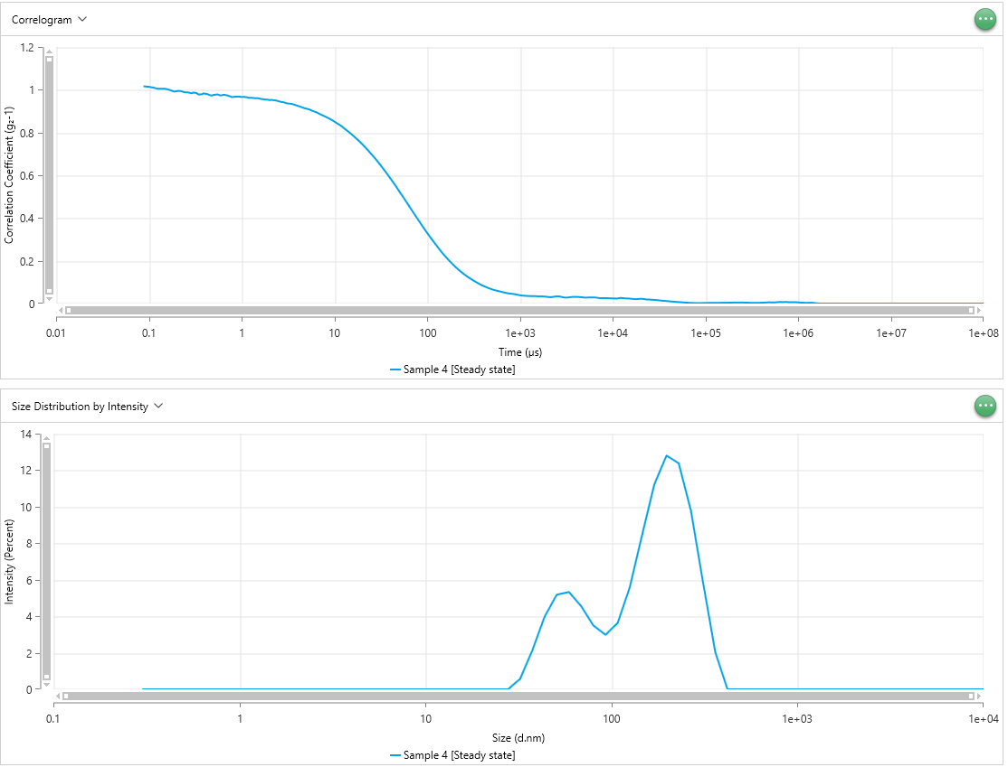
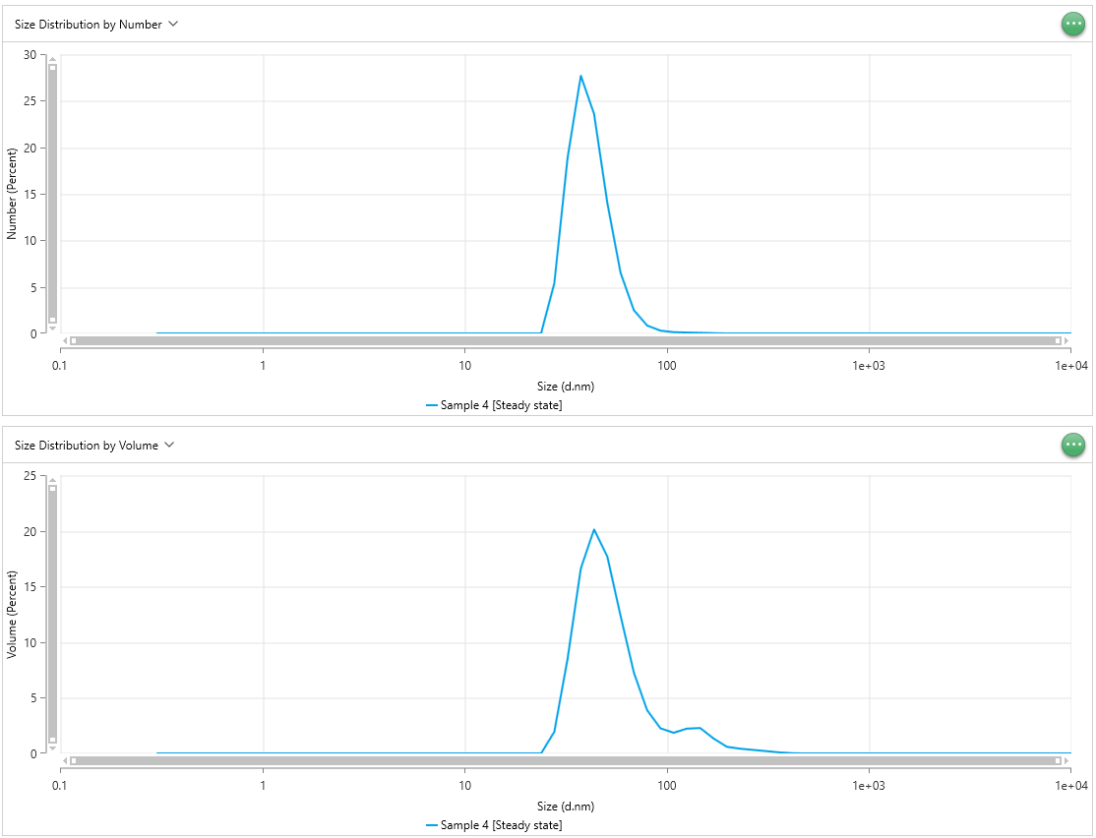
0.1125 | 1.01 | 0.1125 | 1.062 | 0.1125 | 1.03 | 0.4057 | 0 | 0.4057 | 0 | 0.4057 | 0 | 0.4057 | 0 | 0.4057 | 0 | 0.4057 | 0 | 0.4057 | 0 | 0.4057 | 0 | 0.4057
0.125 | 1.005 | 0.125 | 1.061 | 0.125 | 1.023 | 0.4718 | 0 | 0.4718 | 0 | 0.4718 | 0 | 0.4718 | 0 | 0.4718 | 0 | 0.4718 | 0 | 0.4718 | 0 | 0.4718 | 0 | 0.4718
0.1375 | 1.005 | 0.1375 | 1.048 | 0.1375 | 1.02 | 0.5487 | 0 | 0.5487 | 0 | 0.5487 | 0 | 0.5487 | 0 | 0.5487 | 0 | 0.5487 | 0 | 0.5487 | 0 | 0.5487 | 0 | 0.5487
0.15 | 1.005 | 0.15 | 1.041 | 0.15 | 1.019 | 0.6381 | 0 | 0.6381 | 0 | 0.6381 | 0 | 0.6381 | 0 | 0.6381 | 0 | 0.6381 | 0 | 0.6381 | 0 | 0.6381 | 0 | 0.6381
0.1625 | 1.001 | 0.1625 | 1.035 | 0.1625 | 1.015 | 0.742 | 0 | 0.742 | 0 | 0.742 | 0 | 0.742 | 0 | 0.742 | 0 | 0.742 | 0 | 0.742 | 0 | 0.742 | 0 | 0.742
0.175 | 0.996 | 0.175 | 1.039 | 0.175 | 1.013 | 0.8629 | 0 | 0.8629 | 0 | 0.8629 | 0 | 0.8629 | 0 | 0.8629 | 0 | 0.8629 | 0 | 0.8629 | 0 | 0.8629 | 0 | 0.8629
0.1875 | 0.9917 | 0.1875 | 1.043 | 0.1875 | 1.013 | 1.003 | 0 | 1.003 | 0 | 1.003 | 0 | 1.003 | 0 | 1.003 | 0 | 1.003 | 0 | 1.003 | 0 | 1.003 | 0 | 1.003
0.2 | 0.9937 | 0.2 | 1.039 | 0.2 | 1.011 | 1.167 | 0 | 1.167 | 0 | 1.167 | 0 | 1.167 | 0 | 1.167 | 0 | 1.167 | 0 | 1.167 | 0 | 1.167 | 0 | 1.167
0.2125 | 0.995 | 0.2125 | 1.04 | 0.2125 | 1.006 | 1.357 | 0 | 1.357 | 0 | 1.357 | 0 | 1.357 | 0 | 1.357 | 0 | 1.357 | 0 | 1.357 | 0 | 1.357 | 0 | 1.357
0.225 | 0.993 | 0.225 | 1.034 | 0.225 | 1.005 | 1.578 | 0 | 1.578 | 0 | 1.578 | 0 | 1.578 | 0 | 1.578 | 0 | 1.578 | 0 | 1.578 | 0 | 1.578 | 0 | 1.578
0.2375 | 0.9895 | 0.2375 | 1.035 | 0.2375 | 1.001 | 1.835 | 0 | 1.835 | 0 | 1.835 | 0 | 1.835 | 0 | 1.835 | 0 | 1.835 | 0 | 1.835 | 0 | 1.835 | 0 | 1.835
0.25 | 0.9876 | 0.25 | 1.032 | 0.25 | 1.002 | 2.134 | 0 | 2.134 | 0 | 2.134 | 0 | 2.134 | 0 | 2.134 | 0 | 2.134 | 0 | 2.134 | 0 | 2.134 | 0 | 2.134
0.2625 | 0.9877 | 0.2625 | 1.036 | 0.2625 | 0.9984 | 2.482 | 0 | 2.482 | 0 | 2.482 | 0 | 2.482 | 0 | 2.482 | 0 | 2.482 | 0 | 2.482 | 0 | 2.482 | 0 | 2.482
0.275 | 0.9859 | 0.275 | 1.036 | 0.275 | 0.9996 | 2.886 | 0 | 2.886 | 0 | 2.886 | 0 | 2.886 | 0 | 2.886 | 0 | 2.886 | 0 | 2.886 | 0 | 2.886 | 0 | 2.886
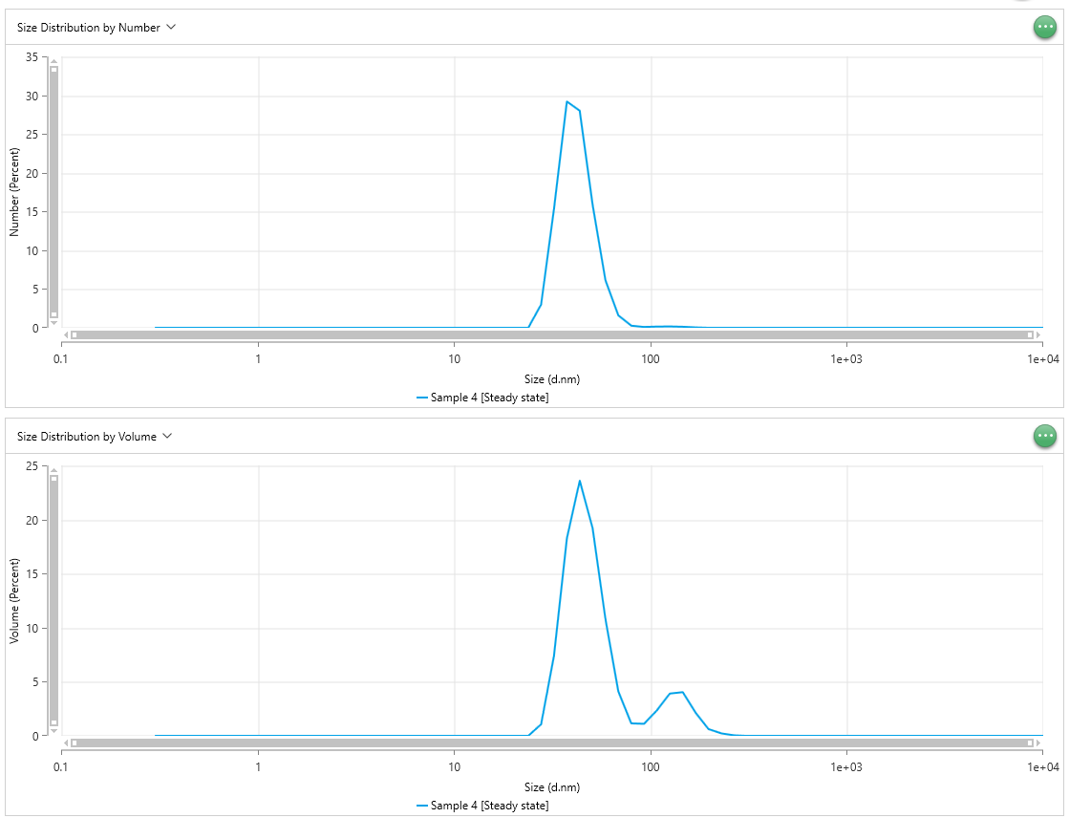
0.2875 | 0.9835 | 0.2875 | 1.036 | 0.2875 | 0.9997 | 3.357 | 0 | 3.357 | 0 | 3.357 | 0 | 3.357 | 0 | 3.357 | 0 | 3.357 | 0 | 3.357 | 0 | 3.357 | 0 | 3.357
0.3 | 0.9869 | 0.3 | 1.038 | 0.3 | 0.9992 | 3.903 | 0 | 3.903 | 0 | 3.903 | 0 | 3.903 | 0 | 3.903 | 0 | 3.903 | 0 | 3.903 | 0 | 3.903 | 0 | 3.903
0.3125 | 0.9858 | 0.3125 | 1.035 | 0.3125 | 0.9992 | 4.539 | 0 | 4.539 | 0 | 4.539 | 0 | 4.539 | 0 | 4.539 | 0 | 4.539 | 0 | 4.539 | 0 | 4.539 | 0 | 4.539
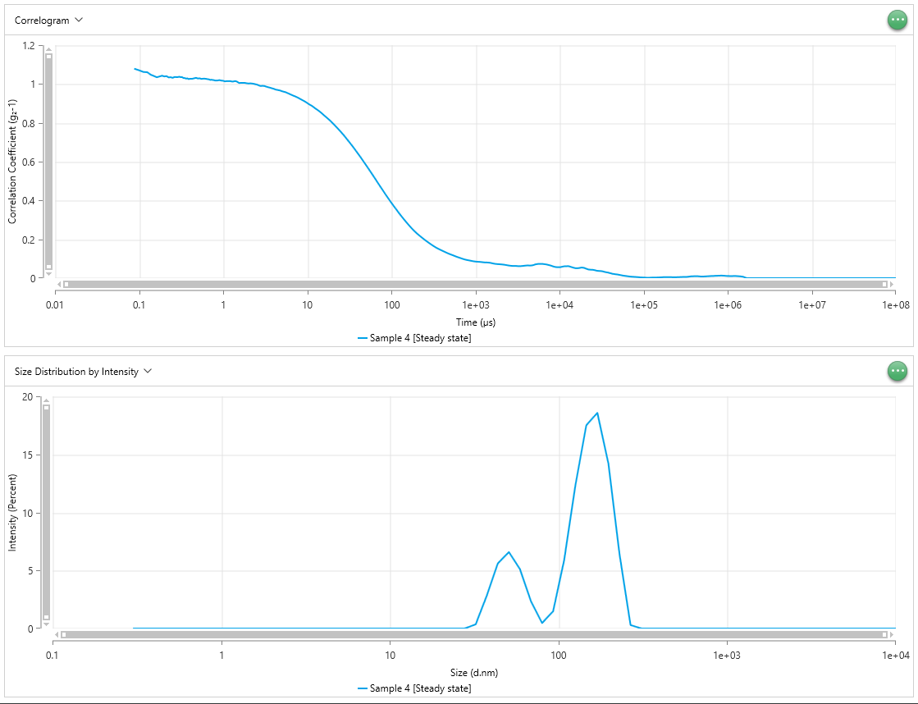
0.325 | 0.9854 | 0.325 | 1.035 | 0.325 | 0.9978 | 5.279 | 0 | 5.279 | 0 | 5.279 | 0 | 5.279 | 0 | 5.279 | 0 | 5.279 | 0 | 5.279 | 0 | 5.279 | 0 | 5.279
0.3375 | 0.9796 | 0.3375 | 1.031 | 0.3375 | 0.9996 | 6.139 | 0 | 6.139 | 0 | 6.139 | 0 | 6.139 | 0 | 6.139 | 0 | 6.139 | 0 | 6.139 | 0 | 6.139 | 0 | 6.139
0.35 | 0.9776 | 0.35 | 1.031 | 0.35 | 0.9995 | 7.139 | 0 | 7.139 | 0 | 7.139 | 0 | 7.139 | 0 | 7.139 | 0 | 7.139 | 0 | 7.139 | 0 | 7.139 | 0 | 7.139
0.3625 | 0.979 | 0.3625 | 1.028 | 0.3625 | 0.9968 | 8.302 | 0 | 8.302 | 0 | 8.302 | 0 | 8.302 | 0 | 8.302 | 0 | 8.302 | 0 | 8.302 | 0 | 8.302 | 0 | 8.302
0.375 | 0.9792 | 0.375 | 1.029 | 0.375 | 0.9954 | 9.655 | 0 | 9.655 | 0 | 9.655 | 0 | 9.655 | 0 | 9.655 | 0 | 9.655 | 0 | 9.655 | 0 | 9.655 | 0 | 9.655
0.3875 | 0.9833 | 0.3875 | 1.025 | 0.3875 | 0.9962 | 11.23 | 0 | 11.23 | 0 | 11.23 | 0 | 11.23 | 0 | 11.23 | 0 | 11.23 | 0 | 11.23 | 0 | 11.23 | 0 | 11.23
0.4 | 0.982 | 0.4 | 1.027 | 0.4 | 0.9999 | 13.06 | 0 | 13.06 | 0 | 13.06 | 0 | 13.06 | 0 | 13.06 | 0 | 13.06 | 0 | 13.06 | 0 | 13.06 | 0 | 13.06
0.425 | 0.98 | 0.425 | 1.027 | 0.425 | 0.9996 | 15.18 | 0 | 15.18 | 0 | 15.18 | 0 | 15.18 | 0 | 15.18 | 0 | 15.18 | 0 | 15.18 | 0 | 15.18 | 0 | 15.18
0.45 | 0.9756 | 0.45 | 1.029 | 0.45 | 0.9989 | 17.66 | 0 | 17.66 | 0 | 17.66 | 0 | 17.66 | 0 | 17.66 | 0 | 17.66 | 0 | 17.66 | 0 | 17.66 | 0
0.475 | 0.9728 | 0.475 | 1.032 | 0.475 | 0.9948 | 20.53 | 0 | 20.53 | 0 | 20.53 | 0 | 20.53 | 0 | 20.53 | 0 | 20.53 | 0 | 20.53 | 0 | 20.53 | 0
0.5 | 0.9763 | 0.5 | 1.028 | 0.5 | 0.9957 | 23.88 | 0 | 23.88 | 0 | 23.88 | 0 | 23.88 | 0 | 23.88 | 0 | 23.88 | 0 | 23.88 | 0 | 23.88 | 0
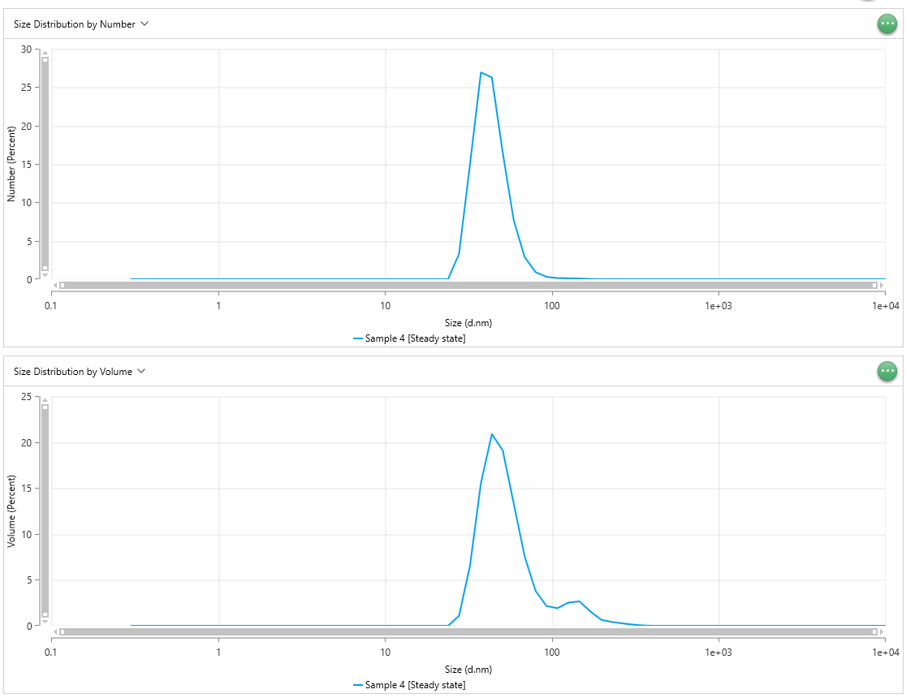
0.525 | 0.9773 | 0.525 | 1.029 | 0.525 | 0.9928 | 27.77 | 0 | 27.77 | 0 | 27.77 | 0 | 27.77 | 5.374 | 27.77 | 2.987 | 27.77 | 3.295 | 27.77 | 1.943 | 27.77 | 1.068
0.55 | 0.9783 | 0.55 | 1.026 | 0.55 | 0.9939 | 32.3 | 0.5768 | 32.3 | 0.3683 | 32.3 | 0.3307 | 32.3 | 18.84 | 32.3 | 15.31 | 32.3 | 14.88 | 32.3 | 8.488 | 32.3 | 7.392
0.575 | 0.9748 | 0.575 | 1.027 | 0.575 | 0.9925 | 37.56 | 2.139 | 37.56 | 2.836 | 37.56 | 2.048 | 37.56 | 27.68 | 37.56 | 29.19 | 37.56 | 26.92 | 37.56 | 16.61 | 37.56 | 18.23
0.6 | 0.9738 | 0.6 | 1.028 | 0.6 | 0.9933 | 43.68 | 3.968 | 43.68 | 5.611 | 43.68 | 4.278 | 43.68 | 23.58 | 43.68 | 27.99 | 43.68 | 26.27 | 43.68 | 20.12 | 43.68 | 23.58
0.625 | 0.9756 | 0.625 | 1.027 | 0.625 | 0.9904 | 50.79 | 5.186 | 50.79 | 6.588 | 50.79 | 5.78 | 50.79 | 14.01 | 50.79 | 15.88 | 50.79 | 16.44 | 50.79 | 17.67 | 50.79 | 19.2
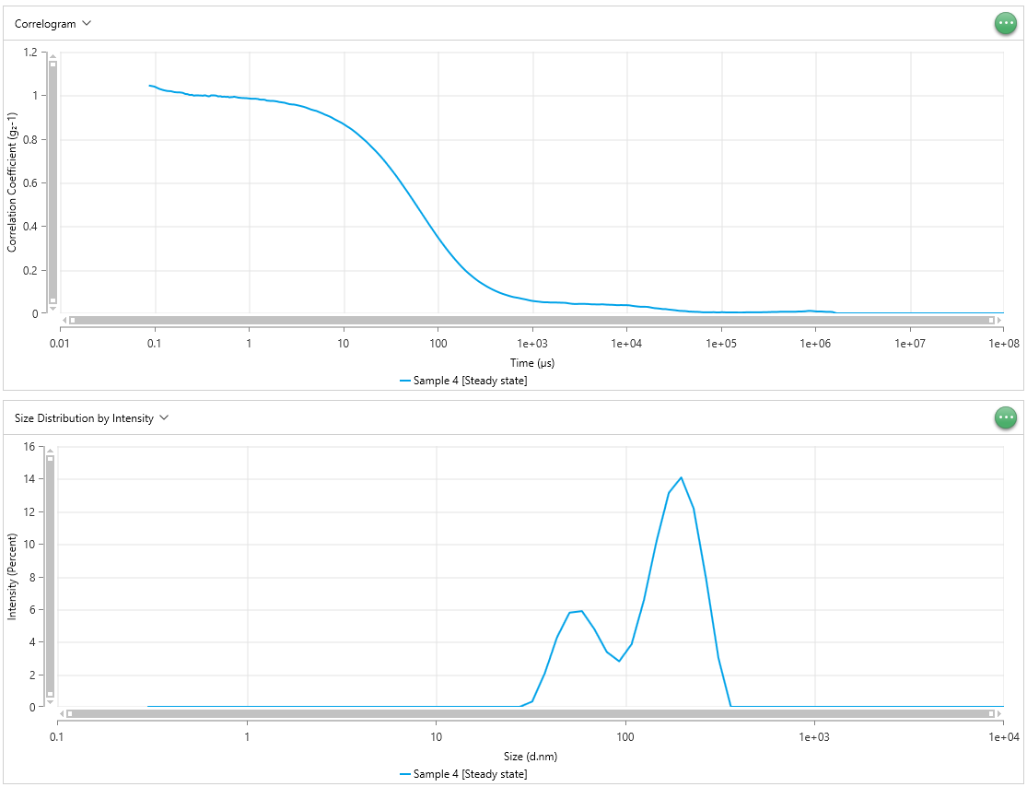
0.65 | 0.9769 | 0.65 | 1.025 | 0.65 | 0.9917 | 59.07 | 5.331 | 59.07 | 5.113 | 59.07 | 5.876 | 59.07 | 6.494 | 59.07 | 6.116 | 59.07 | 7.668 | 59.07 | 12.35 | 59.07 | 10.78
0.675 | 0.9748 | 0.675 | 1.024 | 0.675 | 0.9918 | 68.69 | 4.553 | 68.69 | 2.338 | 68.69 | 4.77 | 68.69 | 2.5 | 68.69 | 1.599 | 68.69 | 2.867 | 68.69 | 7.264 | 68.69 | 4.101
0.7 | 0.9743 | 0.7 | 1.021 | 0.7 | 0.9935 | 79.88 | 3.496 | 79.88 | 0.4726 | 79.88 | 3.368 | 79.88 | 0.8535 | 79.88 | 0.2781 | 79.88 | 0.9213 | 79.88 | 3.882 | 79.88 | 1.155
0.725 | 0.9712 | 0.725 | 1.022 | 0.725 | 0.992 | 92.89 | 2.984 | 92.89 | 1.487 | 92.89 | 2.794 | 92.89 | 0.3014 | 92.89 | 0.1121 | 92.89 | 0.3102 | 92.89 | 2.259 | 92.89 | 1.114
0.75 | 0.9697 | 0.75 | 1.021 | 0.75 | 0.9908 | 108 | 3.643 | 108 | 5.902 | 108 | 3.843 | 108 | 0.1442 | 108 | 0.1594 | 108 | 0.1583 | 108 | 1.858 | 108 | 2.366
0.775 | 0.9666 | 0.775 | 1.02 | 0.775 | 0.9891 | 125.6 | 5.619 | 125.6 | 12.24 | 125.6 | 6.56 | 125.6 | 0.1031 | 125.6 | 0.178 | 125.6 | 0.1257 | 125.6 | 2.233 | 125.6 | 3.912
0.8 | 0.9662 | 0.8 | 1.018 | 0.8 | 0.9888 | 146.1 | 8.456 | 146.1 | 17.5 | 146.1 | 10.13 | 146.1 | 0.07471 | 146.1 | 0.1354 | 146.1 | 0.09479 | 146.1 | 2.284 | 146.1 | 4.042
0.85 | 0.9677 | 0.85 | 1.018 | 0.85 | 0.9875 | 169.9 | 11.22 | 169.9 | 18.58 | 169.9 | 13.13 | 169.9 | 0.03314 | 169.9 | 0.05529 | 169.9 | 0.04203 | 169.9 | 1.352 | 169.9 | 2.138
0.9 | 0.9677 | 0.9 | 1.02 | 0.9 | 0.987 | 197.6 | 12.8 | 197.6 | 14.21 | 197.6 | 14.08 | 197.6 | 0.008341 | 197.6 | 0.009623 | 197.6 | 0.01002 | 197.6 | 0.6031 | 197.6 | 0.6265
0.95 | 0.9675 | 0.95 | 1.018 | 0.95 | 0.9866 | 229.8 | 12.37 | 229.8 | 6.445 | 229.8 | 12.17 | 229.8 | 0.003693 | 229.8 | 0.002371 | 229.8 | 0.004017 | 229.8 | 0.4303 | 229.8 | 0.2296
1 | 0.9663 | 1 | 1.017 | 1 | 0.9856 | 267.2 | 9.792 | 267.2 | 0.3004 | 267.2 | 7.861 | 267.2 | 0.001765 | 267.2 | 0.0003847 | 267.2 | 0.001618 | 267.2 | 0.3209 | 267.2 | 0.05113
1.05 | 0.9671 | 1.05 | 1.014 | 1.05 | 0.9846 | 310.7 | 5.83 | 310.7 | 0 | 310.7 | 2.982 | 310.7 | 0.0007724 | 310.7 | 1.06E-05 | 310.7 | 0.0005233 | 310.7 | 0.2098 | 310.7 | 0.002155
1.1 | 0.966 | 1.1 | 1.015 | 1.1 | 0.9843 | 361.3 | 2.031 | 361.3 | 0 | 361.3 | 0 | 361.3 | 0.000251 | 361.3 | 0 | 361.3 | 9.06E-05 | 361.3 | 0.09656 | 361.3 | 0
1.15 | 0.965 | 1.15 | 1.015 | 1.15 | 0.9839 | 420.2 | 0 | 420.2 | 0 | 420.2 | 0 | 420.2 | 4.27E-05 | 420.2 | 0 | 420.2 | 0 | 420.2 | 0.02162 | 420.2 | 0
1.2 | 0.962 | 1.2 | 1.015 | 1.2 | 0.9839 | 488.7 | 0 | 488.7 | 0 | 488.7 | 0 | 488.7 | 0 | 488.7 | 0 | 488.7 | 0 | 488.7 | 0 | 488.7 | 0
1.25 | 0.9625 | 1.25 | 1.014 | 1.25 | 0.983 | 568.3 | 0 | 568.3 | 0 | 568.3 | 0 | 568.3 | 0 | 568.3 | 0 | 568.3 | 0 | 568.3 | 0 | 568.3 | 0
1.3 | 0.962 | 1.3 | 1.012 | 1.3 | 0.9807 | 660.9 | 0 | 660.9 | 0 | 660.9 | 0 | 660.9 | 0 | 660.9 | 0 | 660.9 | 0 | 660.9 | 0 | 660.9 | 0
1.35 | 0.9616 | 1.35 | 1.014 | 1.35 | 0.98 | 768.5 | 0 | 768.5 | 0 | 768.5 | 0 | 768.5 | 0 | 768.5 | 0 | 768.5 | 0 | 768.5 | 0 | 768.5 | 0
1.4 | 0.9603 | 1.4 | 1.015 | 1.4 | 0.9801 | 893.8 | 0 | 893.8 | 0 | 893.8 | 0 | 893.8 | 0 | 893.8 | 0 | 893.8 | 0 | 893.8 | 0 | 893.8 | 0
1.45 | 0.961 | 1.45 | 1.013 | 1.45 | 0.98 | 1039 | 0 | 1039 | 0 | 1039 | 0 | 1039 | 0 | 1039 | 0 | 1039 | 0 | 1039 | 0 | 1039 | 0
1.5 | 0.9605 | 1.5 | 1.009 | 1.5 | 0.9785 | 1209 | 0 | 1209 | 0 | 1209 | 0
1.55 | 0.9596 | 1.55 | 1.005 | 1.55 | 0.9758 | 1406 | 0 | 1406 | 0 | 1406 | 0
1.6 | 0.9575 | 1.6 | 1.006 | 1.6 | 0.9754 | 1635 | 0 | 1635 | 0 | 1635 | 0
1.7 | 0.956 | 1.7 | 1.006 | 1.7 | 0.9743 | 1901 | 0 | 1901 | 0 | 1901 | 0
1.8 | 0.9545 | 1.8 | 1.006 | 1.8 | 0.9742 | 2211 | 0 | 2211 | 0 | 2211 | 0
1.9 | 0.9539 | 1.9 | 1.004 | 1.9 | 0.9731 | 2571 | 0 | 2571 | 0 | 2571 | 0
2 | 0.952 | 2 | 1.003 | 2 | 0.9716 | 2990 | 0 | 2990 | 0 | 2990 | 0
2.1 | 0.9527 | 2.1 | 1.003 | 2.1 | 0.9691 | 3477 | 0 | 3477 | 0 | 3477 | 0
2.2 | 0.9518 | 2.2 | 1.002 | 2.2 | 0.9681 | 4043 | 0 | 4043 | 0 | 4043 | 0
...

sample5
Time (µs) - Sample 5 [Steady state] | Correlation Coefficient (g₂-1) - Sample 5 [Steady state] | Time (µs) - Sample 5 [Steady state] | Correlation Coefficient (g₂-1) - Sample 5 [Steady state] | Time (µs) - Sample 5 [Steady state] | Correlation Coefficient (g₂-1) - Sample 5 [Steady state] | Size (d.nm) - Sample 5 [Steady state] | Intensity (Percent) - Sample 5 [Steady state] | Size (d.nm) - Sample 5 [Steady state] | Intensity (Percent) - Sample 5 [Steady state] | Size (d.nm) - Sample 5 [Steady state] | Intensity (Percent) - Sample 5 [Steady state] | Size (d.nm) - Sample 5 [Steady state] | Number (Percent) - Sample 5 [Steady state] | Size (d.nm) - Sample 5 [Steady state] | Number (Percent) - Sample 5 [Steady state] | Size (d.nm) - Sample 5 [Steady state] | Number (Percent) - Sample 5 [Steady state] | Size (d.nm) - Sample 5 [Steady state] | Volume (Percent) - Sample 5 [Steady state] | Size (d.nm) - Sample 5 [Steady state] | Volume (Percent) - Sample 5 [Steady state]
0.0875 | 1.048 | 0.0875 | 1.023 | 0.0875 | 1.098 | 0.3 | 0 | 0.3 | 0 | 0.3 | 0 | 0.3 | 0 | 0.3 | 0 | 0.3 | 0 | 0.3 | 0 | 0.3 | 0
0.1 | 1.042 | 0.1 | 1.016 | 0.1 | 1.081 | 0.3489 | 0 | 0.3489 | 0 | 0.3489 | 0 | 0.3489 | 0 | 0.3489 | 0 | 0.3489 | 0 | 0.3489 | 0 | 0.3489 | 0
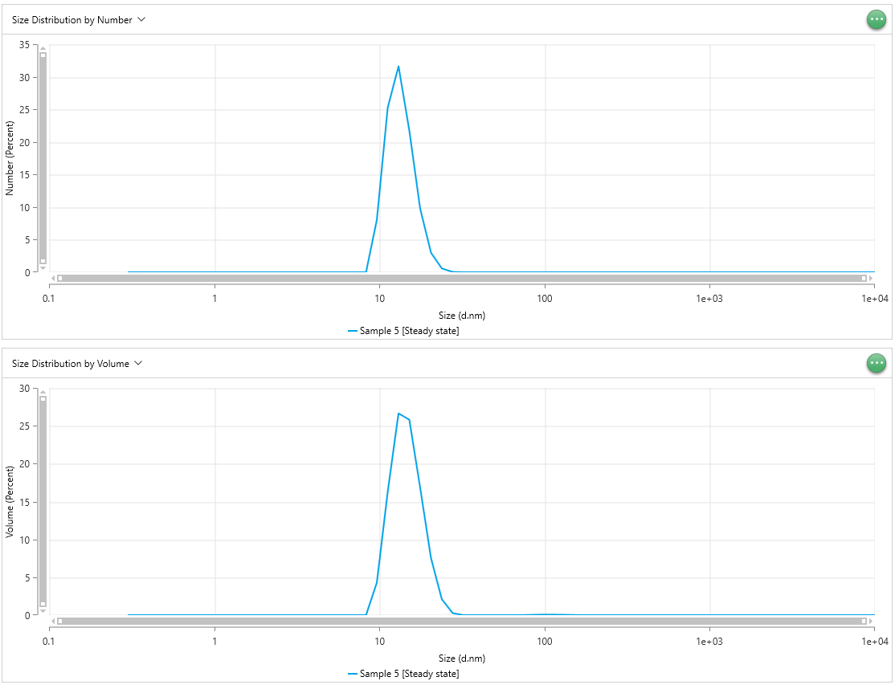
0.1125 | 1.029 | 0.1125 | 1.009 | 0.1125 | 1.071 | 0.4057 | 0 | 0.4057 | 0 | 0.4057 | 0 | 0.4057 | 0 | 0.4057 | 0 | 0.4057 | 0 | 0.4057 | 0 | 0.4057 | 0
0.125 | 1.019 | 0.125 | 1.003 | 0.125 | 1.061 | 0.4718 | 0 | 0.4718 | 0 | 0.4718 | 0 | 0.4718 | 0 | 0.4718 | 0 | 0.4718 | 0 | 0.4718 | 0 | 0.4718 | 0
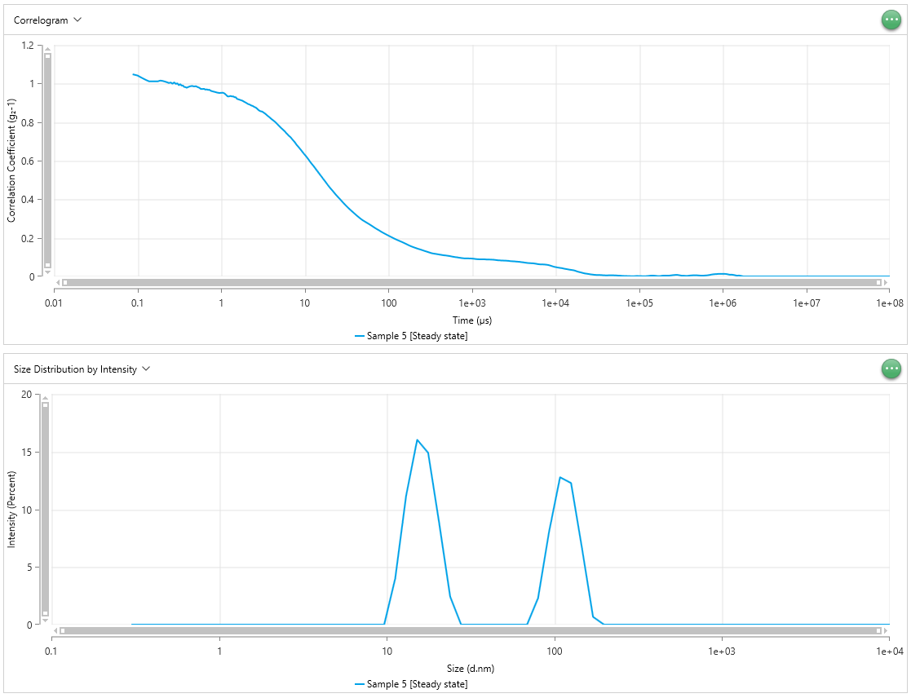
0.1375 | 1.011 | 0.1375 | 0.9928 | 0.1375 | 1.059 | 0.5487 | 0 | 0.5487 | 0 | 0.5487 | 0 | 0.5487 | 0 | 0.5487 | 0 | 0.5487 | 0 | 0.5487 | 0 | 0.5487 | 0
0.15 | 1.011 | 0.15 | 0.9844 | 0.15 | 1.057 | 0.6381 | 0 | 0.6381 | 0 | 0.6381 | 0 | 0.6381 | 0 | 0.6381 | 0 | 0.6381 | 0 | 0.6381 | 0 | 0.6381 | 0
0.1625 | 1.012 | 0.1625 | 0.9795 | 0.1625 | 1.057 | 0.742 | 0 | 0.742 | 0 | 0.742 | 0 | 0.742 | 0 | 0.742 | 0 | 0.742 | 0 | 0.742 | 0 | 0.742 | 0
0.175 | 1.011 | 0.175 | 0.9821 | 0.175 | 1.057 | 0.8629 | 0 | 0.8629 | 0 | 0.8629 | 0 | 0.8629 | 0 | 0.8629 | 0 | 0.8629 | 0 | 0.8629 | 0 | 0.8629 | 0
0.1875 | 1.015 | 0.1875 | 0.9826 | 0.1875 | 1.052 | 1.003 | 0 | 1.003 | 0 | 1.003 | 0 | 1.003 | 0 | 1.003 | 0 | 1.003 | 0 | 1.003 | 0 | 1.003 | 0
0.2 | 1.013 | 0.2 | 0.9804 | 0.2 | 1.05 | 1.167 | 0 | 1.167 | 0 | 1.167 | 0 | 1.167 | 0 | 1.167 | 0 | 1.167 | 0 | 1.167 | 0 | 1.167 | 0
0.2125 | 1.01 | 0.2125 | 0.9757 | 0.2125 | 1.044 | 1.357 | 0 | 1.357 | 0 | 1.357 | 0 | 1.357 | 0 | 1.357 | 0 | 1.357 | 0 | 1.357 | 0 | 1.357 | 0
0.225 | 1.007 | 0.225 | 0.9716 | 0.225 | 1.044 | 1.578 | 0 | 1.578 | 0 | 1.578 | 0 | 1.578 | 0 | 1.578 | 0 | 1.578 | 0 | 1.578 | 0 | 1.578 | 0
0.2375 | 1.002 | 0.2375 | 0.9717 | 0.2375 | 1.044 | 1.835 | 0 | 1.835 | 0 | 1.835 | 0 | 1.835 | 0 | 1.835 | 0 | 1.835 | 0 | 1.835 | 0 | 1.835 | 0
0.25 | 1.005 | 0.25 | 0.9636 | 0.25 | 1.046 | 2.134 | 0 | 2.134 | 0 | 2.134 | 0 | 2.134 | 0 | 2.134 | 0 | 2.134 | 0 | 2.134 | 0 | 2.134 | 0
0.2625 | 0.9987 | 0.2625 | 0.9633 | 0.2625 | 1.04 | 2.482 | 0 | 2.482 | 0 | 2.482 | 0 | 2.482 | 0 | 2.482 | 0 | 2.482 | 0 | 2.482 | 0 | 2.482 | 0
0.275 | 1.006 | 0.275 | 0.9608 | 0.275 | 1.038 | 2.886 | 0 | 2.886 | 0 | 2.886 | 0 | 2.886 | 0 | 2.886 | 0 | 2.886 | 0 | 2.886 | 0 | 2.886 | 0
0.2875 | 0.9978 | 0.2875 | 0.9716 | 0.2875 | 1.037 | 3.357 | 0 | 3.357 | 0 | 3.357 | 0 | 3.357 | 0 | 3.357 | 0 | 3.357 | 0 | 3.357 | 0 | 3.357 | 0
0.3 | 1.001 | 0.3 | 0.974 | 0.3 | 1.038 | 3.903 | 0 | 3.903 | 0 | 3.903 | 0 | 3.903 | 0 | 3.903 | 0 | 3.903 | 0 | 3.903 | 0 | 3.903 | 0
0.3125 | 0.9914 | 0.3125 | 0.9715 | 0.3125 | 1.037 | 4.539 | 0 | 4.539 | 0 | 4.539 | 0 | 4.539 | 0 | 4.539 | 0 | 4.539 | 0 | 4.539 | 0 | 4.539 | 0
0.325 | 0.9965 | 0.325 | 0.9651 | 0.325 | 1.035 | 5.279 | 0 | 5.279 | 0 | 5.279 | 0 | 5.279 | 0 | 5.279 | 0 | 5.279 | 0 | 5.279 | 0 | 5.279 | 0
0.3375 | 0.9889 | 0.3375 | 0.9618 | 0.3375 | 1.03 | 6.139 | 0 | 6.139 | 0 | 6.139 | 0 | 6.139 | 0 | 6.139 | 0 | 6.139 | 0 | 6.139 | 0 | 6.139 | 0
0.35 | 0.9894 | 0.35 | 0.9643 | 0.35 | 1.03 | 7.139 | 0 | 7.139 | 0 | 7.139 | 0 | 7.139 | 0 | 7.139 | 0 | 7.139 | 0 | 7.139 | 0 | 7.139 | 0
0.3625 | 0.982 | 0.3625 | 0.957 | 0.3625 | 1.026 | 8.302 | 0 | 8.302 | 0 | 8.302 | 0 | 8.302 | 0 | 8.302 | 1.662 | 8.302 | 0 | 8.302 | 0 | 8.302 | 0.599
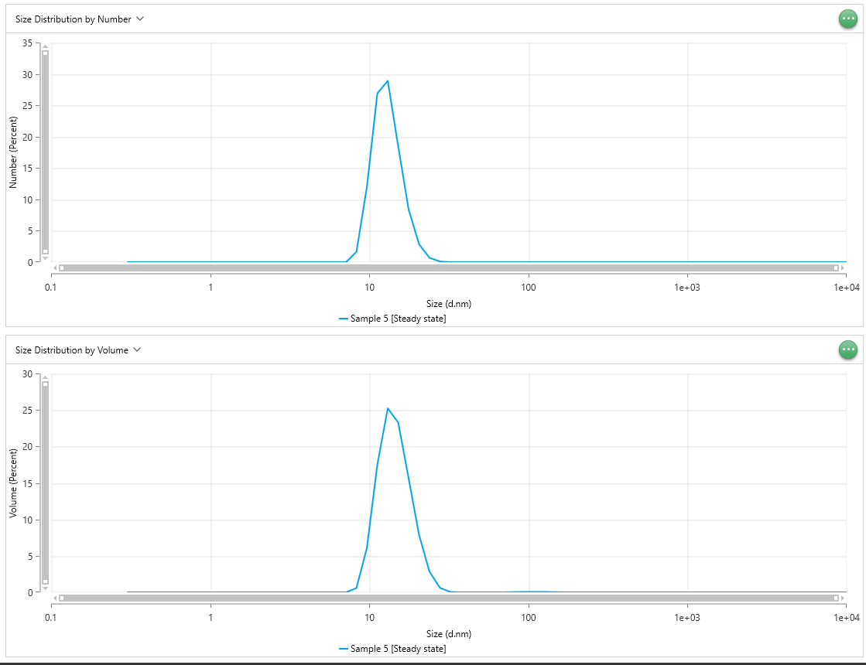
0.375 | 0.9815 | 0.375 | 0.9596 | 0.375 | 1.026 | 9.655 | 0 | 9.655 | 0.3448 | 9.655 | 0 | 9.655 | 8.041 | 9.655 | 11.97 | 9.655 | 9.429 | 9.655 | 4.293 | 9.655 | 6.097
0.3875 | 0.9779 | 0.3875 | 0.9537 | 0.3875 | 1.02 | 11.23 | 3.983 | 11.23 | 4.433 | 11.23 | 6.118 | 11.23 | 25.22 | 11.23 | 26.88 | 11.23 | 28.28 | 11.23 | 16.26 | 11.23 | 17.47
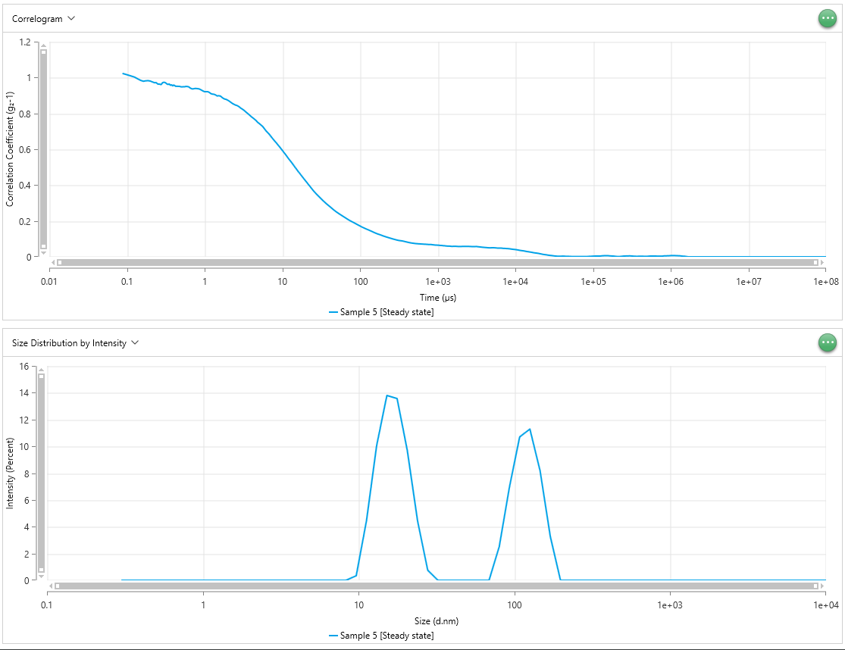
0.4 | 0.9809 | 0.4 | 0.9584 | 0.4 | 1.024 | 13.06 | 11.19 | 13.06 | 10.06 | 13.06 | 15.12 | 13.06 | 31.62 | 13.06 | 28.92 | 13.06 | 32.91 | 13.06 | 26.64 | 13.06 | 25.22
0.425 | 0.9854 | 0.425 | 0.9513 | 0.425 | 1.029 | 15.18 | 16.02 | 15.18 | 13.8 | 15.18 | 18.36 | 15.18 | 21.72 | 15.18 | 18.49 | 15.18 | 20.02 | 15.18 | 25.8 | 15.18 | 23.28
0.45 | 0.9873 | 0.45 | 0.9513 | 0.45 | 1.03 | 17.66 | 14.89 | 17.66 | 13.57 | 17.66 | 13.07 | 17.66 | 9.754 | 17.66 | 8.411 | 17.66 | 7.481 | 17.66 | 16.82 | 17.66 | 15.65
0.475 | 0.9847 | 0.475 | 0.9509 | 0.475 | 1.026 | 20.53 | 8.823 | 20.53 | 9.687 | 20.53 | 4.383 | 20.53 | 2.999 | 20.53 | 2.858 | 20.53 | 1.696 | 20.53 | 7.528 | 20.53 | 7.888
0.5 | 0.9859 | 0.5 | 0.9481 | 0.5 | 1.02 | 23.88 | 2.43 | 23.88 | 4.456 | 23.88 | 0 | 23.88 | 0.5842 | 23.88 | 0.7014 | 23.88 | 0.1811 | 23.88 | 2.107 | 23.88 | 2.84 | 23.88
0.525 | 0.9814 | 0.525 | 0.9485 | 0.525 | 1.019 | 27.77 | 0 | 27.77 | 0.7505 | 27.77 | 0 | 27.77 | 0.05328 | 27.77 | 0.1072 | 27.77 | 0 | 27.77 | 0.2737 | 27.77 | 0.625 | 27.77
0.55 | 0.9777 | 0.55 | 0.9485 | 0.55 | 1.016 | 32.3 | 0 | 32.3 | 0 | 32.3 | 0 | 32.3 | 0 | 32.3 | 0.006439 | 32.3 | 0 | 32.3 | 0 | 32.3 | 0.05523 | 32.3
0.575 | 0.9713 | 0.575 | 0.9508 | 0.575 | 1.018 | 37.56 | 0 | 37.56 | 0 | 37.56 | 0 | 37.56 | 0 | 37.56 | 0 | 37.56 | 0 | 37.56 | 0 | 37.56 | 0 | 37.56
0.6 | 0.9716 | 0.6 | 0.95 | 0.6 | 1.018 | 43.68 | 0 | 43.68 | 0 | 43.68 | 0 | 43.68 | 0 | 43.68 | 0 | 43.68 | 0 | 43.68 | 0 | 43.68 | 0 | 43.68
0.625 | 0.9722 | 0.625 | 0.9481 | 0.625 | 1.018 | 50.79 | 0 | 50.79 | 0 | 50.79 | 0 | 50.79 | 0 | 50.79 | 0 | 50.79 | 0.0003092 | 50.79 | 0 | 50.79 | 0 | 50.79
0.65 | 0.9684 | 0.65 | 0.9421 | 0.65 | 1.016 | 59.07 | 0 | 59.07 | 0 | 59.07 | 4.062 | 59.07 | 0 | 59.07 | 0 | 59.07 | 0.0009996 | 59.07 | 0 | 59.07 | 0 | 59.07
0.675 | 0.9694 | 0.675 | 0.9382 | 0.675 | 1.015 | 68.69 | 0 | 68.69 | 0 | 68.69 | 12.12 | 68.69 | 3.97E-05 | 68.69 | 4.18E-05 | 68.69 | 0.001277 | 68.69 | 0.007634 | 68.69 | 0.008535 | 68.69
0.7 | 0.9668 | 0.7 | 0.9365 | 0.7 | 1.015 | 79.88 | 2.303 | 79.88 | 2.512 | 79.88 | 15.63 | 79.88 | 0.000139 | 79.88 | 0.0001333 | 79.88 | 0.000849 | 79.88 | 0.03327 | 79.88 | 0.03302 | 79.88
0.725 | 0.9675 | 0.725 | 0.9378 | 0.725 | 1.015 | 92.89 | 8.049 | 92.89 | 6.954 | 92.89 | 10.01 | 92.89 | 0.0002014 | 92.89 | 0.0001756 | 92.89 | 0.0003216 | 92.89 | 0.0639 | 92.89 | 0.05782 | 92.89
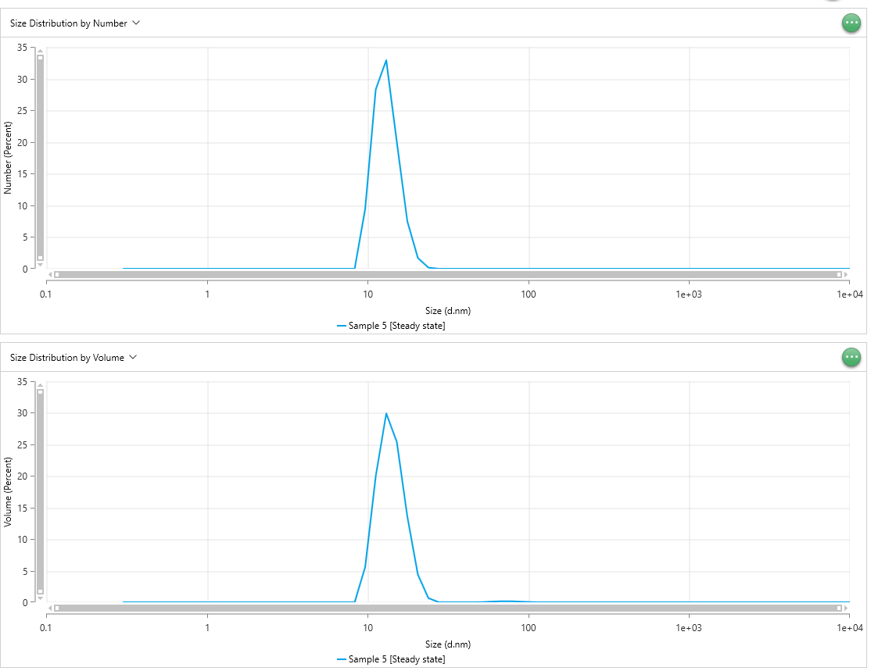
0.75 | 0.9628 | 0.75 | 0.9391 | 0.75 | 1.01 | 108 | 12.77 | 108 | 10.7 | 108 | 1.129 | 108 | 0.0001653 | 108 | 0.0001368 | 108 | 6.23E-05 | 108 | 0.07387 | 108 | 0.06521 | 108
0.775 | 0.9604 | 0.775 | 0.9391 | 0.775 | 1.005 | 125.6 | 12.27 | 125.6 | 11.29 | 125.6 | 0 | 125.6 | 9.06E-05 | 125.6 | 7.93E-05 | 125.6 | 2.88E-06 | 125.6 | 0.05915 | 125.6 | 0.05677 | 125.6
0.8 | 0.9587 | 0.8 | 0.9386 | 0.8 | 1.001 | 146.1 | 6.593 | 146.1 | 8.172 | 146.1 | 0 | 146.1 | 3.46E-05 | 146.1 | 3.54E-05 | 146.1 | 0 | 146.1 | 0.03193 | 146.1 | 0.03622 | 146.1
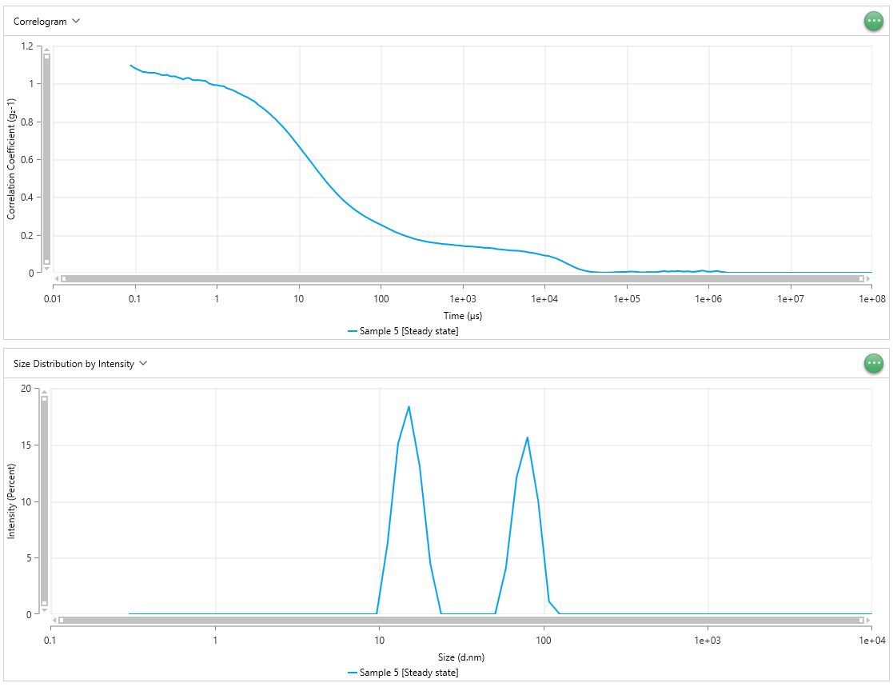
0.85 | 0.9558 | 0.85 | 0.9367 | 0.85 | 0.9969 | 169.9 | 0.6744 | 169.9 | 3.273 | 169.9 | 0 | 169.9 | 7.17E-06 | 169.9 | 9.26E-06 | 169.9 | 0 | 169.9 | 0.008565 | 169.9 | 0.01221 | 169.9
0.9 | 0.9528 | 0.9 | 0.9311 | 0.9 | 0.9935 | 197.6 | 0 | 197.6 | 0 | 197.6 | 0 | 197.6 | 9.67E-08 | 197.6 | 4.53E-07 | 197.6 | 0 | 197.6 | 0.0001789 | 197.6 | 0.0008896 | 197.6
0.95 | 0.951 | 0.95 | 0.9254 | 0.95 | 0.992 | 229.8 | 0 | 229.8 | 0 | 229.8 | 0 | 229.8 | 0 | 229.8 | 0 | 229.8 | 0 | 229.8 | 0 | 229.8 | 0 | 229.8
1 | 0.9515 | 1 | 0.921 | 1 | 0.9917 | 267.2 | 0 | 267.2 | 0 | 267.2 | 0 | 267.2 | 0 | 267.2 | 0 | 267.2 | 0 | 267.2 | 0 | 267.2 | 0 | 267.2
1.05 | 0.9523 | 1.05 | 0.9212 | 1.05 | 0.9897 | 310.7 | 0 | 310.7 | 0 | 310.7 | 0 | 310.7 | 0 | 310.7 | 0 | 310.7 | 0 | 310.7 | 0 | 310.7 | 0 | 310.7
1.1 | 0.9483 | 1.1 | 0.921 | 1.1 | 0.9874 | 361.3 | 0 | 361.3 | 0 | 361.3 | 0 | 361.3 | 0 | 361.3 | 0 | 361.3 | 0 | 361.3 | 0 | 361.3 | 0 | 361.3
1.15 | 0.9406 | 1.15 | 0.917 | 1.15 | 0.987 | 420.2 | 0 | 420.2 | 0 | 420.2 | 0 | 420.2 | 0 | 420.2 | 0 | 420.2 | 0 | 420.2 | 0 | 420.2 | 0 | 420.2
1.2 | 0.933 | 1.2 | 0.9108 | 1.2 | 0.986 | 488.7 | 0 | 488.7 | 0 | 488.7 | 0 | 488.7 | 0 | 488.7 | 0 | 488.7 | 0 | 488.7 | 0 | 488.7 | 0 | 488.7
1.25 | 0.9333 | 1.25 | 0.9078 | 1.25 | 0.9831 | 568.3 | 0 | 568.3 | 0 | 568.3 | 0 | 568.3 | 0 | 568.3 | 0 | 568.3 | 0 | 568.3 | 0 | 568.3 | 0 | 568.3
1.3 | 0.9353 | 1.3 | 0.9072 | 1.3 | 0.9773 | 660.9 | 0 | 660.9 | 0 | 660.9 | 0 | 660.9 | 0 | 660.9 | 0 | 660.9 | 0 | 660.9 | 0 | 660.9 | 0 | 660.9
1.35 | 0.9329 | 1.35 | 0.9053 | 1.35 | 0.9748 | 768.5 | 0 | 768.5 | 0 | 768.5 | 0 | 768.5 | 0 | 768.5 | 0 | 768.5 | 0 | 768.5 | 0 | 768.5 | 0 | 768.5
1.4 | 0.9332 | 1.4 | 0.9015 | 1.4 | 0.9716 | 893.8 | 0 | 893.8 | 0 | 893.8 | 0 | 893.8 | 0 | 893.8 | 0 | 893.8 | 0 | 893.8 | 0 | 893.8 | 0 | 893.8
1.45 | 0.929 | 1.45 | 0.8971 | 1.45 | 0.9706 | 1039 | 0 | 1039 | 0 | 1039 | 0 | 1039 | 0 | 1039 | 0 | 1039 | 0 | 1039 | 0 | 1039 | 0 | 1039
1.5 | 0.9287 | 1.5 | 0.8988 | 1.5 | 0.9673 | 1209 | 0 | 1209 | 0 | 1209 | 0 | 1209 | 0 | 1209 | 0 | 1209 | 0 | 1209 | 0 | 1209 | 0 | 1209
1.55 | 0.9207 | 1.55 | 0.8981 | 1.55 | 0.9663 | 1406 | 0 | 1406 | 0 | 1406 | 0 | 1406 | 0 | 1406 | 0 | 1406 | 0 | 1406 | 0 | 1406 | 0 | 1406
1.6 | 0.9186 | 1.6 | 0.8966 | 1.6 | 0.963 | 1635 | 0 | 1635 | 0 | 1635 | 0 | 1635 | 0 | 1635 | 0 | 1635 | 0 | 1635 | 0 | 1635 | 0 | 1635
1.7 | 0.9144 | 1.7 | 0.8868 | 1.7 | 0.958 | 1901 | 0 | 1901 | 0 | 1901 | 0 | 1901 | 0 | 1901 | 0 | 1901 | 0 | 1901 | 0 | 1901 | 0 | 1901
1.8 | 0.9108 | 1.8 | 0.8805 | 1.8 | 0.9506 | 2211 | 0 | 2211 | 0 | 2211 | 0 | 2211 | 0 | 2211 | 0 | 2211 | 0 | 2211 | 0 | 2211 | 0 | 2211
1.9 | 0.9047 | 1.9 | 0.8778 | 1.9 | 0.9473 | 2571 | 0 | 2571 | 0 | 2571 | 0 | 2571 | 0 | 2571 | 0 | 2571 | 0 | 2571 | 0 | 2571 | 0 | 2571
2 | 0.8997 | 2 | 0.8728 | 2 | 0.942 | 2990 | 0 | 2990 | 0 | 2990 | 0 | 2990 | 0 | 2990 | 0 | 2990 | 0 | 2990 | 0 | 2990 | 0 | 2990
2.1 | 0.8937 | 2.1 | 0.8669 | 2.1 | 0.9368 | 3477 | 0 | 3477 | 0 | 3477 | 0 | 3477 | 0 | 3477 | 0 | 3477 | 0 | 3477 | 0 | 3477 | 0 | 3477
2.2 | 0.8907 | 2.2 | 0.8602 | 2.2 | 0.9325 | 4043 | 0 | 4043 | 0 | 4043 | 0 | 4043 | 0 | 4043 | 0 | 4043 | 0 | 4043 | 0 | 4043 | 0 | 4043
2.3 | 0.8861 | 2.3 | 0.8545 | 2.3 | 0.9287 | 4702 | 0 | 4702 | 0 | 4702 | 0 | 4702 | 0 | 4702 | 0 | 4702 | 0 | 4702 | 0 | 4702 | 0 | 4702
2.4 | 0.8834 | 2.4 | 0.8503 | 2.4 | 0.9268 | 5468 | 0 | 5468 | 0 | 5468 | 0 | 5468 | 0 | 5468 | 0 | 5468 | 0 | 5468 | 0 | 5468 | 0 | 5468
2.5 | 0.8784 | 2.5 | 0.8465 | 2.5 | 0.92 | 6358 | 0 | 6358 | 0 | 6358 | 0 | 6358 | 0 | 6358 | 0 | 6358 | 0 | 6358 | 0 | 6358 | 0 | 6358
2.6 | 0.8752 | 2.6 | 0.8444 | 2.6 | 0.9168 | 7394 | 0 | 7394 | 0 | 7394 | 0 | 7394 | 0 | 7394 | 0 | 7394 | 0 | 7394 | 0 | 7394 | 0 | 7394
2.7 | 0.8695 | 2.7 | 0.8406 | 2.7 | 0.9117 | 8599 | 0 | 8599 | 0 | 8599 | 0 | 8599 | 0 | 8599 | 0 | 8599 | 0 | 8599 | 0 | 8599 | 0 | 8599
2.8 | 0.8627 | 2.8 | 0.836 | 2.8 | 0.909 | 1.00E+04 | 0 | 1.00E+04 | 0 | 1.00E+04 | 0 | 1.00E+04 | 0 | 1.00E+04 | 0 | 1.00E+04 | 0 | 1.00E+04 | 0 | 1.00E+04 | 0 | 1.00E+04
...

